FMN1 _multivariate
Reported by Tex Li-Hsing Chi. tex@gate.sinica.edu.tw 2019-08-19

Table 2. The clinicopathological features of HNSCC cohort and FMN1 expression. (Chi square test)
Cutoff at -0.282 (50.5%)
 |  | FMN1 expression |  | FMN1 expression |  | (Optimised)
 | Features | Low | (%) | High | (%) | Case no | P-value | Remark | Matthews
Gender | Female | 156 | 37.6 | 150 | 36.1 | 415 | 0.7558 | 0 | 0
2 | Male | 53 | 12.8 | 56 | 13.5
Age at diagnosis | <=65y | 140 | 33.7 | 134 | 32.3 | 415 | 0.7543 | 0 | 0
4 | >65y | 69 | 16.6 | 72 | 17.3
Clinical T Status | T1+T2 | 76 | 18.3 | 73 | 17.6 | 415 | 0.9248 | 0 | 0
6 | T3+T4 | 133 | 32 | 133 | 32
Clinical N Status | N0 | 107 | 25.8 | 109 | 26.3 | 415 | 0.8013 | 0 | 0
8 | N1-3 | 102 | 24.6 | 97 | 23.4
Clinical M Status | M0 | 206 | 49.6 | 206 | 49.6 | 415 | 0.2482 | 0 | 0
10 | M1 | 3 | 0.7 | 0 | 0
Clinical Stage | Stage I+II | 49 | 11.8 | 53 | 12.8 | 415 | 0.67 | 0 | 0
12 | Stage III+IV | 160 | 38.6 | 153 | 36.9
Surgical Margin status | Negative | 157 | 37.8 | 161 | 38.8 | 415 | 0.488 | 0 | 0
14 | Positive | 52 | 12.5 | 45 | 10.8
Tobacco Exposure | Low | 72 | 17.3 | 89 | 21.4 | 415 | 0.0706 | 0 | 0
16 | High | 137 | 33 | 117 | 28.2

Table 3. Univariate/Multivariate Cox's proportional hazards regression analyses on OS time of FMN1 gene expression in HNSCC

 |  | Univariate |  |  |  | Multivariate
 | Features | HR | CI95%(L) | CI95%(H) | P-value | HR | CI95%(L) | CI95%(H) | P-value
1 | Female | 1 |  |  |  | 1
Gender | Male | 1.157 | 0.843 | 1.587 | 0.367 | 1.231 | 0.882 | 1.717 | 0.222
11 | <=65y | 1 |  |  |  | 1
Age at diagnosis | >65y | 1.329 | 0.99 | 1.784 | 0.058 | 1.411 | 1.038 | 1.918 | 0.028
12 | T1+T2 | 1 |  |  |  | 1
Clinical T Status | T3+T4 | 1.409 | 1.028 | 1.931 | 0.033 | 2.21 | 1.171 | 4.174 | 0.014
13 | N0 | 1 |  |  |  | 1
Clinical N Status | N1-3 | 1.185 | 0.89 | 1.577 | 0.246 | 1.256 | 0.88 | 1.792 | 0.21
14 | M0 | 1 |  |  |  | 1
Clinical M Status | M1 | 4.097 | 1.009 | 16.644 | 0.049 | 11.604 | 2.504 | 53.777 | 0.002
15 | Stage I+II | 1 |  |  |  | 1
Clinical Stage | Stage III+IV | 1.245 | 0.882 | 1.759 | 0.213 | 0.502 | 0.234 | 1.076 | 0.076
16 | Negative | 1 |  |  |  | 1
Surgical Margin status | Positive | 1.591 | 1.155 | 2.191 | 0.004 | 1.701 | 1.23 | 2.351 | 0.001
17 | Low | 1 |  |  |  | 1
Tobacco Exposure | High | 1.364 | 1.008 | 1.844 | 0.044 | 1.502 | 1.089 | 2.071 | 0.013
18 | Low | 1 |  |  |  | 1
RNAseq(z-score) | High | 1.348 | 1.011 | 1.799 | 0.042 | 1.459 | 1.088 | 1.957 | 0.012

Table 4. Univariate/Multivariate Cox's proportional hazards regression analyses on RFS time of FMN1 gene expression in HNSCC

 |  | Univariate |  |  |  | Multivariate
 | Features | HR | CI95%(L) | CI95%(H) | P-value | HR | CI95%(L) | CI95%(H) | P-value
1 | Female | 1 |  |  |  | 1
Gender | Male | 1.157 | 0.843 | 1.587 | 0.367 | 1.231 | 0.882 | 1.717 | 0.222
11 | <=65y | 1 |  |  |  | 1
Age at diagnosis | >65y | 1.329 | 0.99 | 1.784 | 0.058 | 1.411 | 1.038 | 1.918 | 0.028
12 | T1+T2 | 1 |  |  |  | 1
Clinical T Status | T3+T4 | 1.409 | 1.028 | 1.931 | 0.033 | 2.21 | 1.171 | 4.174 | 0.014
13 | N0 | 1 |  |  |  | 1
Clinical N Status | N1-3 | 1.185 | 0.89 | 1.577 | 0.246 | 1.256 | 0.88 | 1.792 | 0.21
14 | M0 | 1 |  |  |  | 1
Clinical M Status | M1 | 4.097 | 1.009 | 16.644 | 0.049 | 11.604 | 2.504 | 53.777 | 0.002
15 | Stage I+II | 1 |  |  |  | 1
Clinical Stage | Stage III+IV | 1.245 | 0.882 | 1.759 | 0.213 | 0.502 | 0.234 | 1.076 | 0.076
16 | Negative | 1 |  |  |  | 1
Surgical Margin status | Positive | 1.591 | 1.155 | 2.191 | 0.004 | 1.701 | 1.23 | 2.351 | 0.001
17 | Low | 1 |  |  |  | 1
Tobacco Exposure | High | 1.364 | 1.008 | 1.844 | 0.044 | 1.502 | 1.089 | 2.071 | 0.013
18 | Low | 1 |  |  |  | 1
RNAseq(z-score) | High | 1.348 | 1.011 | 1.799 | 0.042 | 1.459 | 1.088 | 1.957 | 0.012

Kaplan-Meier survival estimate: Cutoff at -0.282 (50.5%)



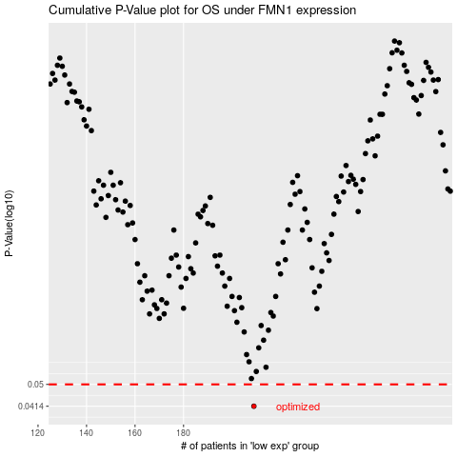

 |  |  |  |  |  | cases_OS | p_OS | rank | exp
 |  |  |  |  |  | 209 | 0.0414 | 148 | -0.2815169058
 |  |  |  |  |  |  | cases_RFS | p_RFS | rank | exp
 |  |  |  |  |  |  | 208 | 0.0414 | 127 | -0.2882068419

