FMNL1 _multivariate
Reported by Tex Li-Hsing Chi. tex@gate.sinica.edu.tw 2019-08-19

Table 2. The clinicopathological features of HNSCC cohort and FMNL1 expression. (Chi square test)
Cutoff at -0.307 (49.8%)
 |  | FMNL1 expression |  | FMNL1 expression |  | (Optimised)
 | Features | Low | (%) | High | (%) | Case no | P-value | Remark | Matthews
Gender | Female | 159 | 38.3 | 147 | 35.4 | 415 | 0.1905 | 0 | 0
2 | Male | 48 | 11.6 | 61 | 14.7
Age at diagnosis | <=65y | 145 | 34.9 | 129 | 31.1 | 415 | 0.1046 | 0 | 0
4 | >65y | 62 | 14.9 | 79 | 19
Clinical T Status | T1+T2 | 67 | 16.1 | 82 | 19.8 | 415 | 0.1628 | 0 | 0
6 | T3+T4 | 140 | 33.7 | 126 | 30.4
Clinical N Status | N0 | 110 | 26.5 | 106 | 25.5 | 415 | 0.7294 | 0 | 0
8 | N1-3 | 97 | 23.4 | 102 | 24.6
Clinical M Status | M0 | 205 | 49.4 | 207 | 49.9 | 415 | 0.6232 | 0 | 0
10 | M1 | 2 | 0.5 | 1 | 0.2
Clinical Stage | Stage I+II | 45 | 10.8 | 57 | 13.7 | 415 | 0.2202 | 0 | 0
12 | Stage III+IV | 162 | 39 | 151 | 36.4
Surgical Margin status | Negative | 155 | 37.3 | 163 | 39.3 | 415 | 0.4187 | 0 | 0
14 | Positive | 52 | 12.5 | 45 | 10.8
Tobacco Exposure | Low | 74 | 17.8 | 87 | 21 | 415 | 0.227 | 0 | 0
16 | High | 133 | 32 | 121 | 29.2

Table 3. Univariate/Multivariate Cox's proportional hazards regression analyses on OS time of FMNL1 gene expression in HNSCC

 |  | Univariate |  |  |  | Multivariate
 | Features | HR | CI95%(L) | CI95%(H) | P-value | HR | CI95%(L) | CI95%(H) | P-value
1 | Female | 1 |  |  |  | 1
Gender | Male | 1.157 | 0.843 | 1.587 | 0.367 | 1.202 | 0.861 | 1.68 | 0.28
11 | <=65y | 1 |  |  |  | 1
Age at diagnosis | >65y | 1.329 | 0.99 | 1.784 | 0.058 | 1.393 | 1.025 | 1.894 | 0.034
12 | T1+T2 | 1 |  |  |  | 1
Clinical T Status | T3+T4 | 1.409 | 1.028 | 1.931 | 0.033 | 2.199 | 1.163 | 4.158 | 0.015
13 | N0 | 1 |  |  |  | 1
Clinical N Status | N1-3 | 1.185 | 0.89 | 1.577 | 0.246 | 1.242 | 0.871 | 1.773 | 0.232
14 | M0 | 1 |  |  |  | 1
Clinical M Status | M1 | 4.097 | 1.009 | 16.644 | 0.049 | 9.36 | 2.04 | 42.938 | 0.004
15 | Stage I+II | 1 |  |  |  | 1
Clinical Stage | Stage III+IV | 1.245 | 0.882 | 1.759 | 0.213 | 0.504 | 0.235 | 1.082 | 0.079
16 | Negative | 1 |  |  |  | 1
Surgical Margin status | Positive | 1.591 | 1.155 | 2.191 | 0.004 | 1.671 | 1.21 | 2.31 | 0.002
17 | Low | 1 |  |  |  | 1
Tobacco Exposure | High | 1.364 | 1.008 | 1.844 | 0.044 | 1.45 | 1.052 | 1.999 | 0.023
18 | Low | 1 |  |  |  | 1
RNAseq(z-score) | High | 0.95 | 0.714 | 1.265 | 0.726 | 0.971 | 0.727 | 1.296 | 0.841

Table 4. Univariate/Multivariate Cox's proportional hazards regression analyses on RFS time of FMNL1 gene expression in HNSCC

 |  | Univariate |  |  |  | Multivariate
 | Features | HR | CI95%(L) | CI95%(H) | P-value | HR | CI95%(L) | CI95%(H) | P-value
1 | Female | 1 |  |  |  | 1
Gender | Male | 1.157 | 0.843 | 1.587 | 0.367 | 1.202 | 0.861 | 1.68 | 0.28
11 | <=65y | 1 |  |  |  | 1
Age at diagnosis | >65y | 1.329 | 0.99 | 1.784 | 0.058 | 1.393 | 1.025 | 1.894 | 0.034
12 | T1+T2 | 1 |  |  |  | 1
Clinical T Status | T3+T4 | 1.409 | 1.028 | 1.931 | 0.033 | 2.199 | 1.163 | 4.158 | 0.015
13 | N0 | 1 |  |  |  | 1
Clinical N Status | N1-3 | 1.185 | 0.89 | 1.577 | 0.246 | 1.242 | 0.871 | 1.773 | 0.232
14 | M0 | 1 |  |  |  | 1
Clinical M Status | M1 | 4.097 | 1.009 | 16.644 | 0.049 | 9.36 | 2.04 | 42.938 | 0.004
15 | Stage I+II | 1 |  |  |  | 1
Clinical Stage | Stage III+IV | 1.245 | 0.882 | 1.759 | 0.213 | 0.504 | 0.235 | 1.082 | 0.079
16 | Negative | 1 |  |  |  | 1
Surgical Margin status | Positive | 1.591 | 1.155 | 2.191 | 0.004 | 1.671 | 1.21 | 2.31 | 0.002
17 | Low | 1 |  |  |  | 1
Tobacco Exposure | High | 1.364 | 1.008 | 1.844 | 0.044 | 1.45 | 1.052 | 1.999 | 0.023
18 | Low | 1 |  |  |  | 1
RNAseq(z-score) | High | 0.95 | 0.714 | 1.265 | 0.726 | 0.971 | 0.727 | 1.296 | 0.841

Kaplan-Meier survival estimate: Cutoff at -0.307 (49.8%)



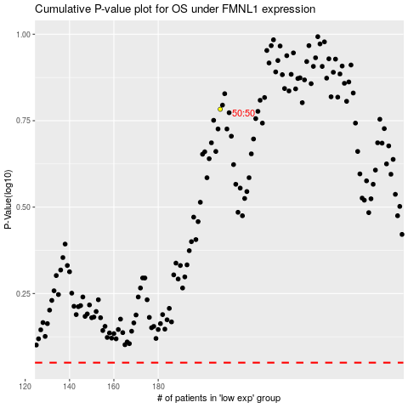

 |  |  |  |  |  | cases_OS | p_OS | rank | exp
 |  |  |  |  |  |  | cases_RFS | p_RFS | rank | exp

