FMO1 _multivariate
Reported by Tex Li-Hsing Chi. tex@gate.sinica.edu.tw 2019-08-19

Table 2. The clinicopathological features of HNSCC cohort and FMO1 expression. (Chi square test)
Cutoff at -0.299 (50.0%)
 |  | FMO1 expression |  | FMO1 expression |  | (Optimised)
 | Features | Low | (%) | High | (%) | Case no | P-value | Remark | Matthews
Gender | Female | 152 | 36.6 | 154 | 37.1 | 415 | 0.9766 | 0 | 0
2 | Male | 55 | 13.3 | 54 | 13
Age at diagnosis | <=65y | 128 | 30.8 | 146 | 35.2 | 415 | 0.0904 | 0 | 0
4 | >65y | 79 | 19 | 62 | 14.9
Clinical T Status | T1+T2 | 71 | 17.1 | 78 | 18.8 | 415 | 0.5638 | 0 | 0
6 | T3+T4 | 136 | 32.8 | 130 | 31.3
Clinical N Status | N0 | 115 | 27.7 | 101 | 24.3 | 415 | 0.184 | 1 | 0
8 | N1-3 | 92 | 22.2 | 107 | 25.8
Clinical M Status | M0 | 205 | 49.4 | 207 | 49.9 | 415 | 0.6232 | 0 | 0
10 | M1 | 2 | 0.5 | 1 | 0.2
Clinical Stage | Stage I+II | 48 | 11.6 | 54 | 13 | 415 | 0.5878 | 0 | 0
12 | Stage III+IV | 159 | 38.3 | 154 | 37.1
Surgical Margin status | Negative | 159 | 38.3 | 159 | 38.3 | 415 | 1 | 0 | 0
14 | Positive | 48 | 11.6 | 49 | 11.8
Tobacco Exposure | Low | 85 | 20.5 | 76 | 18.3 | 415 | 0.3655 | 0 | 0
16 | High | 122 | 29.4 | 132 | 31.8

Table 3. Univariate/Multivariate Cox's proportional hazards regression analyses on OS time of FMO1 gene expression in HNSCC

 |  | Univariate |  |  |  | Multivariate
 | Features | HR | CI95%(L) | CI95%(H) | P-value | HR | CI95%(L) | CI95%(H) | P-value
1 | Female | 1 |  |  |  | 1
Gender | Male | 1.157 | 0.843 | 1.587 | 0.367 | 1.203 | 0.862 | 1.68 | 0.278
11 | <=65y | 1 |  |  |  | 1
Age at diagnosis | >65y | 1.329 | 0.99 | 1.784 | 0.058 | 1.408 | 1.034 | 1.919 | 0.03
12 | T1+T2 | 1 |  |  |  | 1
Clinical T Status | T3+T4 | 1.409 | 1.028 | 1.931 | 0.033 | 2.213 | 1.17 | 4.186 | 0.015
13 | N0 | 1 |  |  |  | 1
Clinical N Status | N1-3 | 1.185 | 0.89 | 1.577 | 0.246 | 1.233 | 0.864 | 1.76 | 0.248
14 | M0 | 1 |  |  |  | 1
Clinical M Status | M1 | 4.097 | 1.009 | 16.644 | 0.049 | 9.585 | 2.088 | 43.994 | 0.004
15 | Stage I+II | 1 |  |  |  | 1
Clinical Stage | Stage III+IV | 1.245 | 0.882 | 1.759 | 0.213 | 0.508 | 0.237 | 1.092 | 0.083
16 | Negative | 1 |  |  |  | 1
Surgical Margin status | Positive | 1.591 | 1.155 | 2.191 | 0.004 | 1.68 | 1.215 | 2.323 | 0.002
17 | Low | 1 |  |  |  | 1
Tobacco Exposure | High | 1.364 | 1.008 | 1.844 | 0.044 | 1.457 | 1.057 | 2.008 | 0.021
18 | Low | 1 |  |  |  | 1
RNAseq(z-score) | High | 1.019 | 0.765 | 1.357 | 0.9 | 1.099 | 0.821 | 1.471 | 0.528

Table 4. Univariate/Multivariate Cox's proportional hazards regression analyses on RFS time of FMO1 gene expression in HNSCC

 |  | Univariate |  |  |  | Multivariate
 | Features | HR | CI95%(L) | CI95%(H) | P-value | HR | CI95%(L) | CI95%(H) | P-value
1 | Female | 1 |  |  |  | 1
Gender | Male | 1.157 | 0.843 | 1.587 | 0.367 | 1.203 | 0.862 | 1.68 | 0.278
11 | <=65y | 1 |  |  |  | 1
Age at diagnosis | >65y | 1.329 | 0.99 | 1.784 | 0.058 | 1.408 | 1.034 | 1.919 | 0.03
12 | T1+T2 | 1 |  |  |  | 1
Clinical T Status | T3+T4 | 1.409 | 1.028 | 1.931 | 0.033 | 2.213 | 1.17 | 4.186 | 0.015
13 | N0 | 1 |  |  |  | 1
Clinical N Status | N1-3 | 1.185 | 0.89 | 1.577 | 0.246 | 1.233 | 0.864 | 1.76 | 0.248
14 | M0 | 1 |  |  |  | 1
Clinical M Status | M1 | 4.097 | 1.009 | 16.644 | 0.049 | 9.585 | 2.088 | 43.994 | 0.004
15 | Stage I+II | 1 |  |  |  | 1
Clinical Stage | Stage III+IV | 1.245 | 0.882 | 1.759 | 0.213 | 0.508 | 0.237 | 1.092 | 0.083
16 | Negative | 1 |  |  |  | 1
Surgical Margin status | Positive | 1.591 | 1.155 | 2.191 | 0.004 | 1.68 | 1.215 | 2.323 | 0.002
17 | Low | 1 |  |  |  | 1
Tobacco Exposure | High | 1.364 | 1.008 | 1.844 | 0.044 | 1.457 | 1.057 | 2.008 | 0.021
18 | Low | 1 |  |  |  | 1
RNAseq(z-score) | High | 1.019 | 0.765 | 1.357 | 0.9 | 1.099 | 0.821 | 1.471 | 0.528

Kaplan-Meier survival estimate: Cutoff at -0.299 (50.0%)



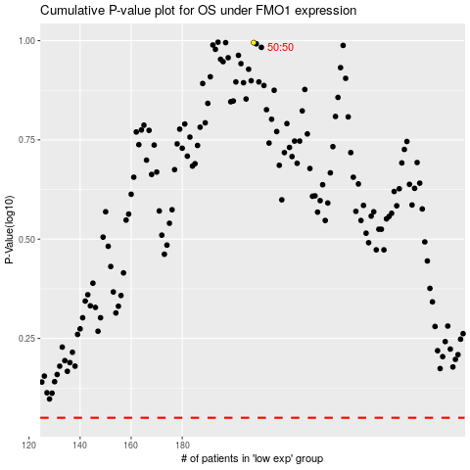

 |  |  |  |  |  | cases_OS | p_OS | rank | exp
 |  |  |  |  |  |  | cases_RFS | p_RFS | rank | exp

