FMO2 _multivariate
Reported by Tex Li-Hsing Chi. tex@gate.sinica.edu.tw 2019-08-19

Table 2. The clinicopathological features of HNSCC cohort and FMO2 expression. (Chi square test)
Cutoff at -0.273 (50.0%)
 |  | FMO2 expression |  | FMO2 expression |  | (Optimised)
 | Features | Low | (%) | High | (%) | Case no | P-value | Remark | Matthews
Gender | Female | 157 | 37.8 | 149 | 35.9 | 415 | 0.3881 | 0 | 0
2 | Male | 50 | 12 | 59 | 14.2
Age at diagnosis | <=65y | 129 | 31.1 | 145 | 34.9 | 415 | 0.1372 | 0 | 0
4 | >65y | 78 | 18.8 | 63 | 15.2
Clinical T Status | T1+T2 | 66 | 15.9 | 83 | 20 | 415 | 0.1095 | 0 | 0
6 | T3+T4 | 141 | 34 | 125 | 30.1
Clinical N Status | N0 | 109 | 26.3 | 107 | 25.8 | 415 | 0.8812 | 0 | 0
8 | N1-3 | 98 | 23.6 | 101 | 24.3
Clinical M Status | M0 | 204 | 49.2 | 208 | 50.1 | 415 | 0.1232 | 0 | 0
10 | M1 | 3 | 0.7 | 0 | 0
Clinical Stage | Stage I+II | 48 | 11.6 | 54 | 13 | 415 | 0.5878 | 0 | 0
12 | Stage III+IV | 159 | 38.3 | 154 | 37.1
Surgical Margin status | Negative | 158 | 38.1 | 160 | 38.6 | 415 | 0.9081 | 0 | 0
14 | Positive | 49 | 11.8 | 48 | 11.6
Tobacco Exposure | Low | 85 | 20.5 | 76 | 18.3 | 415 | 0.3655 | 0 | 0
16 | High | 122 | 29.4 | 132 | 31.8

Table 3. Univariate/Multivariate Cox's proportional hazards regression analyses on OS time of FMO2 gene expression in HNSCC

 |  | Univariate |  |  |  | Multivariate
 | Features | HR | CI95%(L) | CI95%(H) | P-value | HR | CI95%(L) | CI95%(H) | P-value
1 | Female | 1 |  |  |  | 1
Gender | Male | 1.157 | 0.843 | 1.587 | 0.367 | 1.207 | 0.863 | 1.689 | 0.271
11 | <=65y | 1 |  |  |  | 1
Age at diagnosis | >65y | 1.329 | 0.99 | 1.784 | 0.058 | 1.371 | 1.007 | 1.868 | 0.045
12 | T1+T2 | 1 |  |  |  | 1
Clinical T Status | T3+T4 | 1.409 | 1.028 | 1.931 | 0.033 | 2.139 | 1.128 | 4.057 | 0.02
13 | N0 | 1 |  |  |  | 1
Clinical N Status | N1-3 | 1.185 | 0.89 | 1.577 | 0.246 | 1.225 | 0.857 | 1.749 | 0.265
14 | M0 | 1 |  |  |  | 1
Clinical M Status | M1 | 4.097 | 1.009 | 16.644 | 0.049 | 8.643 | 1.866 | 40.041 | 0.006
15 | Stage I+II | 1 |  |  |  | 1
Clinical Stage | Stage III+IV | 1.245 | 0.882 | 1.759 | 0.213 | 0.517 | 0.24 | 1.112 | 0.091
16 | Negative | 1 |  |  |  | 1
Surgical Margin status | Positive | 1.591 | 1.155 | 2.191 | 0.004 | 1.676 | 1.213 | 2.317 | 0.002
17 | Low | 1 |  |  |  | 1
Tobacco Exposure | High | 1.364 | 1.008 | 1.844 | 0.044 | 1.461 | 1.059 | 2.016 | 0.021
18 | Low | 1 |  |  |  | 1
RNAseq(z-score) | High | 0.812 | 0.61 | 1.082 | 0.156 | 0.874 | 0.652 | 1.171 | 0.367

Table 4. Univariate/Multivariate Cox's proportional hazards regression analyses on RFS time of FMO2 gene expression in HNSCC

 |  | Univariate |  |  |  | Multivariate
 | Features | HR | CI95%(L) | CI95%(H) | P-value | HR | CI95%(L) | CI95%(H) | P-value
1 | Female | 1 |  |  |  | 1
Gender | Male | 1.157 | 0.843 | 1.587 | 0.367 | 1.207 | 0.863 | 1.689 | 0.271
11 | <=65y | 1 |  |  |  | 1
Age at diagnosis | >65y | 1.329 | 0.99 | 1.784 | 0.058 | 1.371 | 1.007 | 1.868 | 0.045
12 | T1+T2 | 1 |  |  |  | 1
Clinical T Status | T3+T4 | 1.409 | 1.028 | 1.931 | 0.033 | 2.139 | 1.128 | 4.057 | 0.02
13 | N0 | 1 |  |  |  | 1
Clinical N Status | N1-3 | 1.185 | 0.89 | 1.577 | 0.246 | 1.225 | 0.857 | 1.749 | 0.265
14 | M0 | 1 |  |  |  | 1
Clinical M Status | M1 | 4.097 | 1.009 | 16.644 | 0.049 | 8.643 | 1.866 | 40.041 | 0.006
15 | Stage I+II | 1 |  |  |  | 1
Clinical Stage | Stage III+IV | 1.245 | 0.882 | 1.759 | 0.213 | 0.517 | 0.24 | 1.112 | 0.091
16 | Negative | 1 |  |  |  | 1
Surgical Margin status | Positive | 1.591 | 1.155 | 2.191 | 0.004 | 1.676 | 1.213 | 2.317 | 0.002
17 | Low | 1 |  |  |  | 1
Tobacco Exposure | High | 1.364 | 1.008 | 1.844 | 0.044 | 1.461 | 1.059 | 2.016 | 0.021
18 | Low | 1 |  |  |  | 1
RNAseq(z-score) | High | 0.812 | 0.61 | 1.082 | 0.156 | 0.874 | 0.652 | 1.171 | 0.367

Kaplan-Meier survival estimate: Cutoff at -0.273 (50.0%)



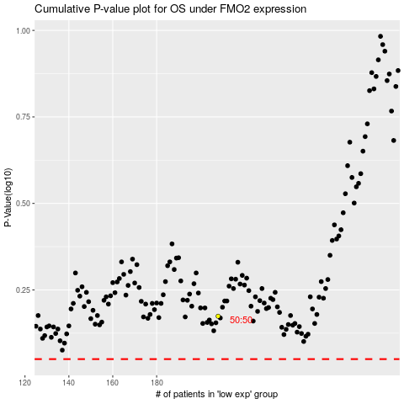

 |  |  |  |  |  | cases_OS | p_OS | rank | exp
 |  |  |  |  |  |  | cases_RFS | p_RFS | rank | exp

