FMO4 _multivariate
Reported by Tex Li-Hsing Chi. tex@gate.sinica.edu.tw 2019-08-19

Table 2. The clinicopathological features of HNSCC cohort and FMO4 expression. (Chi square test)
Cutoff at -0.278 (49.8%)
 |  | FMO4 expression |  | FMO4 expression |  | (Optimised)
 | Features | Low | (%) | High | (%) | Case no | P-value | Remark | Matthews
Gender | Female | 157 | 37.8 | 149 | 35.9 | 415 | 0.3881 | 0 | 0
2 | Male | 50 | 12 | 59 | 14.2
Age at diagnosis | <=65y | 137 | 33 | 137 | 33 | 415 | 1 | 0 | 0
4 | >65y | 70 | 16.9 | 71 | 17.1
Clinical T Status | T1+T2 | 69 | 16.6 | 80 | 19.3 | 415 | 0.3239 | 0 | 0
6 | T3+T4 | 138 | 33.3 | 128 | 30.8
Clinical N Status | N0 | 98 | 23.6 | 118 | 28.4 | 415 | 0.0694 | 0 | 0
8 | N1-3 | 109 | 26.3 | 90 | 21.7
Clinical M Status | M0 | 206 | 49.6 | 206 | 49.6 | 415 | 1 | 0 | 0
10 | M1 | 1 | 0.2 | 2 | 0.5
Clinical Stage | Stage I+II | 47 | 11.3 | 55 | 13.3 | 415 | 0.4413 | 0 | 0
12 | Stage III+IV | 160 | 38.6 | 153 | 36.9
Surgical Margin status | Negative | 156 | 37.6 | 162 | 39 | 415 | 0.5636 | 0 | 0
14 | Positive | 51 | 12.3 | 46 | 11.1
Tobacco Exposure | Low | 66 | 15.9 | 95 | 22.9 | 415 | 0.0048 | 1 | 0
16 | High | 141 | 34 | 113 | 27.2

Table 3. Univariate/Multivariate Cox's proportional hazards regression analyses on OS time of FMO4 gene expression in HNSCC

 |  | Univariate |  |  |  | Multivariate
 | Features | HR | CI95%(L) | CI95%(H) | P-value | HR | CI95%(L) | CI95%(H) | P-value
1 | Female | 1 |  |  |  | 1
Gender | Male | 1.157 | 0.843 | 1.587 | 0.367 | 1.203 | 0.861 | 1.68 | 0.279
11 | <=65y | 1 |  |  |  | 1
Age at diagnosis | >65y | 1.329 | 0.99 | 1.784 | 0.058 | 1.396 | 1.026 | 1.899 | 0.034
12 | T1+T2 | 1 |  |  |  | 1
Clinical T Status | T3+T4 | 1.409 | 1.028 | 1.931 | 0.033 | 2.203 | 1.165 | 4.166 | 0.015
13 | N0 | 1 |  |  |  | 1
Clinical N Status | N1-3 | 1.185 | 0.89 | 1.577 | 0.246 | 1.246 | 0.872 | 1.78 | 0.228
14 | M0 | 1 |  |  |  | 1
Clinical M Status | M1 | 4.097 | 1.009 | 16.644 | 0.049 | 9.361 | 2.041 | 42.934 | 0.004
15 | Stage I+II | 1 |  |  |  | 1
Clinical Stage | Stage III+IV | 1.245 | 0.882 | 1.759 | 0.213 | 0.504 | 0.235 | 1.082 | 0.079
16 | Negative | 1 |  |  |  | 1
Surgical Margin status | Positive | 1.591 | 1.155 | 2.191 | 0.004 | 1.673 | 1.211 | 2.312 | 0.002
17 | Low | 1 |  |  |  | 1
Tobacco Exposure | High | 1.364 | 1.008 | 1.844 | 0.044 | 1.461 | 1.057 | 2.018 | 0.022
18 | Low | 1 |  |  |  | 1
RNAseq(z-score) | High | 0.952 | 0.715 | 1.267 | 0.734 | 1.036 | 0.774 | 1.386 | 0.814

Table 4. Univariate/Multivariate Cox's proportional hazards regression analyses on RFS time of FMO4 gene expression in HNSCC

 |  | Univariate |  |  |  | Multivariate
 | Features | HR | CI95%(L) | CI95%(H) | P-value | HR | CI95%(L) | CI95%(H) | P-value
1 | Female | 1 |  |  |  | 1
Gender | Male | 1.157 | 0.843 | 1.587 | 0.367 | 1.203 | 0.861 | 1.68 | 0.279
11 | <=65y | 1 |  |  |  | 1
Age at diagnosis | >65y | 1.329 | 0.99 | 1.784 | 0.058 | 1.396 | 1.026 | 1.899 | 0.034
12 | T1+T2 | 1 |  |  |  | 1
Clinical T Status | T3+T4 | 1.409 | 1.028 | 1.931 | 0.033 | 2.203 | 1.165 | 4.166 | 0.015
13 | N0 | 1 |  |  |  | 1
Clinical N Status | N1-3 | 1.185 | 0.89 | 1.577 | 0.246 | 1.246 | 0.872 | 1.78 | 0.228
14 | M0 | 1 |  |  |  | 1
Clinical M Status | M1 | 4.097 | 1.009 | 16.644 | 0.049 | 9.361 | 2.041 | 42.934 | 0.004
15 | Stage I+II | 1 |  |  |  | 1
Clinical Stage | Stage III+IV | 1.245 | 0.882 | 1.759 | 0.213 | 0.504 | 0.235 | 1.082 | 0.079
16 | Negative | 1 |  |  |  | 1
Surgical Margin status | Positive | 1.591 | 1.155 | 2.191 | 0.004 | 1.673 | 1.211 | 2.312 | 0.002
17 | Low | 1 |  |  |  | 1
Tobacco Exposure | High | 1.364 | 1.008 | 1.844 | 0.044 | 1.461 | 1.057 | 2.018 | 0.022
18 | Low | 1 |  |  |  | 1
RNAseq(z-score) | High | 0.952 | 0.715 | 1.267 | 0.734 | 1.036 | 0.774 | 1.386 | 0.814

Kaplan-Meier survival estimate: Cutoff at -0.278 (49.8%)



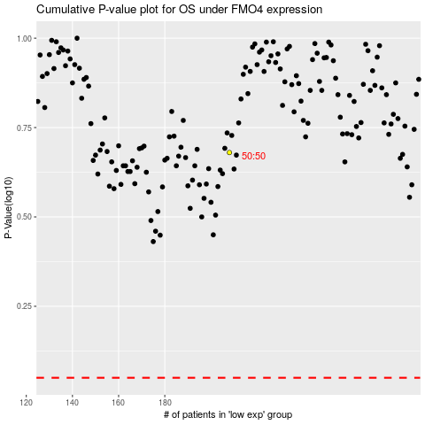

 |  |  |  |  |  | cases_OS | p_OS | rank | exp
 |  |  |  |  |  |  | cases_RFS | p_RFS | rank | exp

