FMO9P _multivariate
Reported by Tex Li-Hsing Chi. tex@gate.sinica.edu.tw 2019-08-19

Table 2. The clinicopathological features of HNSCC cohort and FMO9P expression. (Chi square test)
Cutoff at -0.195 (49.8%)
 |  | FMO9P expression |  | FMO9P expression |  | (Optimised)
 | Features | Low | (%) | High | (%) | Case no | P-value | Remark | Matthews
Gender | Female | 152 | 36.6 | 154 | 37.1 | 415 | 0.9766 | 0 | 0
2 | Male | 55 | 13.3 | 54 | 13
Age at diagnosis | <=65y | 142 | 34.2 | 132 | 31.8 | 415 | 0.3167 | 0 | 0
4 | >65y | 65 | 15.7 | 76 | 18.3
Clinical T Status | T1+T2 | 68 | 16.4 | 81 | 19.5 | 415 | 0.2336 | 0 | 0
6 | T3+T4 | 139 | 33.5 | 127 | 30.6
Clinical N Status | N0 | 94 | 22.7 | 122 | 29.4 | 415 | 0.0093 | 1 | 0
8 | N1-3 | 113 | 27.2 | 86 | 20.7
Clinical M Status | M0 | 207 | 49.9 | 205 | 49.4 | 415 | 0.2482 | 0 | 0
10 | M1 | 0 | 0 | 3 | 0.7
Clinical Stage | Stage I+II | 45 | 10.8 | 57 | 13.7 | 415 | 0.2202 | 0 | 0
12 | Stage III+IV | 162 | 39 | 151 | 36.4
Surgical Margin status | Negative | 160 | 38.6 | 158 | 38.1 | 415 | 0.8167 | 0 | 0
14 | Positive | 47 | 11.3 | 50 | 12
Tobacco Exposure | Low | 87 | 21 | 74 | 17.8 | 415 | 0.1911 | 0 | 0
16 | High | 120 | 28.9 | 134 | 32.3

Table 3. Univariate/Multivariate Cox's proportional hazards regression analyses on OS time of FMO9P gene expression in HNSCC

 |  | Univariate |  |  |  | Multivariate
 | Features | HR | CI95%(L) | CI95%(H) | P-value | HR | CI95%(L) | CI95%(H) | P-value
1 | Female | 1 |  |  |  | 1
Gender | Male | 1.157 | 0.843 | 1.587 | 0.367 | 1.202 | 0.86 | 1.679 | 0.282
11 | <=65y | 1 |  |  |  | 1
Age at diagnosis | >65y | 1.329 | 0.99 | 1.784 | 0.058 | 1.391 | 1.022 | 1.893 | 0.036
12 | T1+T2 | 1 |  |  |  | 1
Clinical T Status | T3+T4 | 1.409 | 1.028 | 1.931 | 0.033 | 2.204 | 1.165 | 4.169 | 0.015
13 | N0 | 1 |  |  |  | 1
Clinical N Status | N1-3 | 1.185 | 0.89 | 1.577 | 0.246 | 1.242 | 0.867 | 1.779 | 0.237
14 | M0 | 1 |  |  |  | 1
Clinical M Status | M1 | 4.097 | 1.009 | 16.644 | 0.049 | 9.377 | 2.029 | 43.344 | 0.004
15 | Stage I+II | 1 |  |  |  | 1
Clinical Stage | Stage III+IV | 1.245 | 0.882 | 1.759 | 0.213 | 0.504 | 0.235 | 1.083 | 0.079
16 | Negative | 1 |  |  |  | 1
Surgical Margin status | Positive | 1.591 | 1.155 | 2.191 | 0.004 | 1.671 | 1.209 | 2.31 | 0.002
17 | Low | 1 |  |  |  | 1
Tobacco Exposure | High | 1.364 | 1.008 | 1.844 | 0.044 | 1.451 | 1.048 | 2.01 | 0.025
18 | Low | 1 |  |  |  | 1
RNAseq(z-score) | High | 1.066 | 0.8 | 1.42 | 0.662 | 1.006 | 0.747 | 1.354 | 0.97

Table 4. Univariate/Multivariate Cox's proportional hazards regression analyses on RFS time of FMO9P gene expression in HNSCC

 |  | Univariate |  |  |  | Multivariate
 | Features | HR | CI95%(L) | CI95%(H) | P-value | HR | CI95%(L) | CI95%(H) | P-value
1 | Female | 1 |  |  |  | 1
Gender | Male | 1.157 | 0.843 | 1.587 | 0.367 | 1.202 | 0.86 | 1.679 | 0.282
11 | <=65y | 1 |  |  |  | 1
Age at diagnosis | >65y | 1.329 | 0.99 | 1.784 | 0.058 | 1.391 | 1.022 | 1.893 | 0.036
12 | T1+T2 | 1 |  |  |  | 1
Clinical T Status | T3+T4 | 1.409 | 1.028 | 1.931 | 0.033 | 2.204 | 1.165 | 4.169 | 0.015
13 | N0 | 1 |  |  |  | 1
Clinical N Status | N1-3 | 1.185 | 0.89 | 1.577 | 0.246 | 1.242 | 0.867 | 1.779 | 0.237
14 | M0 | 1 |  |  |  | 1
Clinical M Status | M1 | 4.097 | 1.009 | 16.644 | 0.049 | 9.377 | 2.029 | 43.344 | 0.004
15 | Stage I+II | 1 |  |  |  | 1
Clinical Stage | Stage III+IV | 1.245 | 0.882 | 1.759 | 0.213 | 0.504 | 0.235 | 1.083 | 0.079
16 | Negative | 1 |  |  |  | 1
Surgical Margin status | Positive | 1.591 | 1.155 | 2.191 | 0.004 | 1.671 | 1.209 | 2.31 | 0.002
17 | Low | 1 |  |  |  | 1
Tobacco Exposure | High | 1.364 | 1.008 | 1.844 | 0.044 | 1.451 | 1.048 | 2.01 | 0.025
18 | Low | 1 |  |  |  | 1
RNAseq(z-score) | High | 1.066 | 0.8 | 1.42 | 0.662 | 1.006 | 0.747 | 1.354 | 0.97

Kaplan-Meier survival estimate: Cutoff at -0.195 (49.8%)



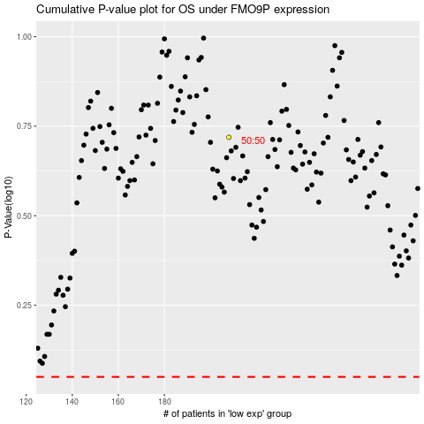

 |  |  |  |  |  | cases_OS | p_OS | rank | exp
 |  |  |  |  |  |  | cases_RFS | p_RFS | rank | exp

