FN1 _multivariate
Reported by Tex Li-Hsing Chi. tex@gate.sinica.edu.tw 2019-08-19

Table 2. The clinicopathological features of HNSCC cohort and FN1 expression. (Chi square test)
Cutoff at -0.097 (67.1%)
 |  | FN1 expression |  | FN1 expression |  | (Optimised)
 | Features | Low | (%) | High | (%) | Case no | P-value | Remark | Matthews
Gender | Female | 206 | 49.6 | 100 | 24.1 | 415 | 1 | 0 | 0
2 | Male | 73 | 17.6 | 36 | 8.7
Age at diagnosis | <=65y | 190 | 45.8 | 84 | 20.2 | 415 | 0.2425 | 0 | 0
4 | >65y | 89 | 21.4 | 52 | 12.5
Clinical T Status | T1+T2 | 107 | 25.8 | 42 | 10.1 | 415 | 0.1677 | 0 | 0
6 | T3+T4 | 172 | 41.4 | 94 | 22.7
Clinical N Status | N0 | 148 | 35.7 | 68 | 16.4 | 415 | 0.6323 | 0 | 0
8 | N1-3 | 131 | 31.6 | 68 | 16.4
Clinical M Status | M0 | 276 | 66.5 | 136 | 32.8 | 415 | 0.554 | 0 | 0
10 | M1 | 3 | 0.7 | 0 | 0
Clinical Stage | Stage I+II | 70 | 16.9 | 32 | 7.7 | 415 | 0.8219 | 0 | 0
12 | Stage III+IV | 209 | 50.4 | 104 | 25.1
Surgical Margin status | Negative | 218 | 52.5 | 100 | 24.1 | 415 | 0.3236 | 0 | 0
14 | Positive | 61 | 14.7 | 36 | 8.7
Tobacco Exposure | Low | 112 | 27 | 49 | 11.8 | 415 | 0.4534 | 0 | 0
16 | High | 167 | 40.2 | 87 | 21

Table 3. Univariate/Multivariate Cox's proportional hazards regression analyses on OS time of FN1 gene expression in HNSCC

 |  | Univariate |  |  |  | Multivariate
 | Features | HR | CI95%(L) | CI95%(H) | P-value | HR | CI95%(L) | CI95%(H) | P-value
1 | Female | 1 |  |  |  | 1
Gender | Male | 1.157 | 0.843 | 1.587 | 0.367 | 1.188 | 0.851 | 1.658 | 0.311
11 | <=65y | 1 |  |  |  | 1
Age at diagnosis | >65y | 1.329 | 0.99 | 1.784 | 0.058 | 1.39 | 1.022 | 1.89 | 0.036
12 | T1+T2 | 1 |  |  |  | 1
Clinical T Status | T3+T4 | 1.409 | 1.028 | 1.931 | 0.033 | 2.089 | 1.103 | 3.957 | 0.024
13 | N0 | 1 |  |  |  | 1
Clinical N Status | N1-3 | 1.185 | 0.89 | 1.577 | 0.246 | 1.225 | 0.858 | 1.749 | 0.263
14 | M0 | 1 |  |  |  | 1
Clinical M Status | M1 | 4.097 | 1.009 | 16.644 | 0.049 | 9.92 | 2.163 | 45.506 | 0.003
15 | Stage I+II | 1 |  |  |  | 1
Clinical Stage | Stage III+IV | 1.245 | 0.882 | 1.759 | 0.213 | 0.542 | 0.252 | 1.168 | 0.118
16 | Negative | 1 |  |  |  | 1
Surgical Margin status | Positive | 1.591 | 1.155 | 2.191 | 0.004 | 1.619 | 1.171 | 2.24 | 0.004
17 | Low | 1 |  |  |  | 1
Tobacco Exposure | High | 1.364 | 1.008 | 1.844 | 0.044 | 1.431 | 1.04 | 1.969 | 0.028
18 | Low | 1 |  |  |  | 1
RNAseq(z-score) | High | 1.441 | 1.073 | 1.936 | 0.015 | 1.337 | 0.991 | 1.804 | 0.057

Table 4. Univariate/Multivariate Cox's proportional hazards regression analyses on RFS time of FN1 gene expression in HNSCC

 |  | Univariate |  |  |  | Multivariate
 | Features | HR | CI95%(L) | CI95%(H) | P-value | HR | CI95%(L) | CI95%(H) | P-value
1 | Female | 1 |  |  |  | 1
Gender | Male | 1.157 | 0.843 | 1.587 | 0.367 | 1.188 | 0.851 | 1.658 | 0.311
11 | <=65y | 1 |  |  |  | 1
Age at diagnosis | >65y | 1.329 | 0.99 | 1.784 | 0.058 | 1.39 | 1.022 | 1.89 | 0.036
12 | T1+T2 | 1 |  |  |  | 1
Clinical T Status | T3+T4 | 1.409 | 1.028 | 1.931 | 0.033 | 2.089 | 1.103 | 3.957 | 0.024
13 | N0 | 1 |  |  |  | 1
Clinical N Status | N1-3 | 1.185 | 0.89 | 1.577 | 0.246 | 1.225 | 0.858 | 1.749 | 0.263
14 | M0 | 1 |  |  |  | 1
Clinical M Status | M1 | 4.097 | 1.009 | 16.644 | 0.049 | 9.92 | 2.163 | 45.506 | 0.003
15 | Stage I+II | 1 |  |  |  | 1
Clinical Stage | Stage III+IV | 1.245 | 0.882 | 1.759 | 0.213 | 0.542 | 0.252 | 1.168 | 0.118
16 | Negative | 1 |  |  |  | 1
Surgical Margin status | Positive | 1.591 | 1.155 | 2.191 | 0.004 | 1.619 | 1.171 | 2.24 | 0.004
17 | Low | 1 |  |  |  | 1
Tobacco Exposure | High | 1.364 | 1.008 | 1.844 | 0.044 | 1.431 | 1.04 | 1.969 | 0.028
18 | Low | 1 |  |  |  | 1
RNAseq(z-score) | High | 1.441 | 1.073 | 1.936 | 0.015 | 1.337 | 0.991 | 1.804 | 0.057

Kaplan-Meier survival estimate: Cutoff at -0.097 (67.1%)

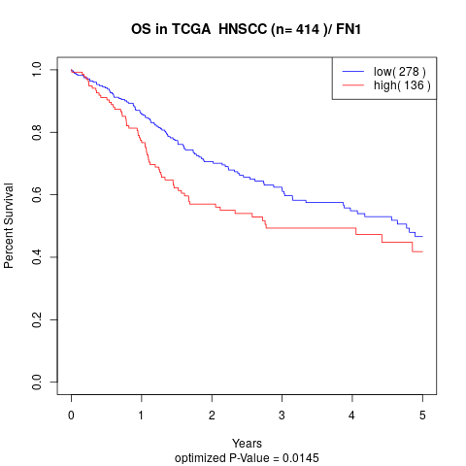

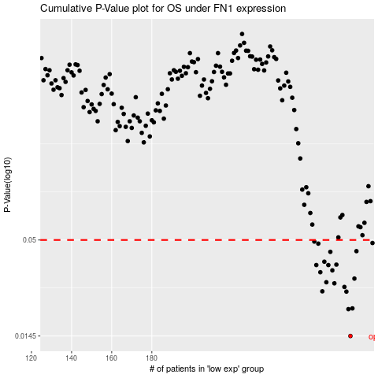

 |  |  |  |  |  | cases_OS | p_OS | rank | exp
 |  |  |  |  |  | 279 | 0.0145 | 308 | -0.096904390801
 |  |  |  |  |  | 278 | 0.0205 | 282 | -0.098715357743
 |  |  |  |  |  | 280 | 0.0207 | 239 | -0.087023140429
 |  |  |  |  |  | 277 | 0.0257 | 392 | -0.10392117902
 |  |  |  |  |  | 265 | 0.0258 | 247 | -0.1415580193
 |  |  |  |  |  | 276 | 0.0273 | 277 | -0.10789874809
 |  |  |  |  |  | 271 | 0.0286 | 369 | -0.12407232429
 |  |  |  |  |  | 267 | 0.029 | 107 | -0.13429920933
 |  |  |  |  |  | 281 | 0.0304 | 78 | -0.073731420785
 |  |  |  |  |  | 264 | 0.033 | 130 | -0.14169270323
 |  |  |  |  |  | 270 | 0.0338 | 340 | -0.12712427307
 |  |  |  |  |  | 268 | 0.0362 | 87 | -0.13244898139
 |  |  |  |  |  | 262 | 0.0362 | 186 | -0.14911284653
 |  |  |  |  |  | 272 | 0.0364 | 124 | -0.12026074801
 |  |  |  |  |  | 266 | 0.0378 | 40 | -0.13915168077
 |  |  |  |  |  | 269 | 0.0429 | 14 | -0.12838231293
 |  |  |  |  |  | 282 | 0.0433 | 2 | -0.073605872935
 |  |  |  |  |  | 263 | 0.0477 | 403 | -0.14180872361
 |  |  |  |  |  | 290 | 0.0481 | 92 | -0.041645794162
 |  |  |  |  |  | 261 | 0.049 | 321 | -0.15050055498
 |  |  |  |  |  |  | cases_RFS | p_RFS | rank | exp
 |  |  |  |  |  |  | 278 | 0.0145 | 282 | -0.098715357743
 |  |  |  |  |  |  | 277 | 0.0205 | 392 | -0.10392117902
 |  |  |  |  |  |  | 279 | 0.0207 | 308 | -0.096904390801
 |  |  |  |  |  |  | 276 | 0.0257 | 277 | -0.10789874809
 |  |  |  |  |  |  | 264 | 0.0258 | 130 | -0.14169270323
 |  |  |  |  |  |  | 275 | 0.0273 | 245 | -0.11759625982
 |  |  |  |  |  |  | 270 | 0.0286 | 340 | -0.12712427307
 |  |  |  |  |  |  | 266 | 0.029 | 40 | -0.13915168077
 |  |  |  |  |  |  | 280 | 0.0304 | 239 | -0.087023140429
 |  |  |  |  |  |  | 263 | 0.033 | 403 | -0.14180872361
 |  |  |  |  |  |  | 269 | 0.0338 | 14 | -0.12838231293
 |  |  |  |  |  |  | 267 | 0.0362 | 107 | -0.13429920933
 |  |  |  |  |  |  | 261 | 0.0362 | 321 | -0.15050055498
 |  |  |  |  |  |  | 271 | 0.0364 | 369 | -0.12407232429
 |  |  |  |  |  |  | 265 | 0.0378 | 247 | -0.1415580193
 |  |  |  |  |  |  | 268 | 0.0429 | 87 | -0.13244898139
 |  |  |  |  |  |  | 281 | 0.0433 | 78 | -0.073731420785
 |  |  |  |  |  |  | 262 | 0.0477 | 186 | -0.14911284653
 |  |  |  |  |  |  | 289 | 0.0481 | 219 | -0.047564944847
 |  |  |  |  |  |  | 260 | 0.049 | 169 | -0.15194348461

