FNBP4 _multivariate
Reported by Tex Li-Hsing Chi. tex@gate.sinica.edu.tw 2019-08-19

Table 2. The clinicopathological features of HNSCC cohort and FNBP4 expression. (Chi square test)
Cutoff at -0.152 (49.8%)
 |  | FNBP4 expression |  | FNBP4 expression |  | (Optimised)
 | Features | Low | (%) | High | (%) | Case no | P-value | Remark | Matthews
Gender | Female | 149 | 35.9 | 157 | 37.8 | 415 | 0.4848 | 0 | 0
2 | Male | 58 | 14 | 51 | 12.3
Age at diagnosis | <=65y | 145 | 34.9 | 129 | 31.1 | 415 | 0.1046 | 0 | 0
4 | >65y | 62 | 14.9 | 79 | 19
Clinical T Status | T1+T2 | 77 | 18.6 | 72 | 17.3 | 415 | 0.6556 | 0 | 0
6 | T3+T4 | 130 | 31.3 | 136 | 32.8
Clinical N Status | N0 | 106 | 25.5 | 110 | 26.5 | 415 | 0.8075 | 0 | 0
8 | N1-3 | 101 | 24.3 | 98 | 23.6
Clinical M Status | M0 | 205 | 49.4 | 207 | 49.9 | 415 | 0.6232 | 0 | 0
10 | M1 | 2 | 0.5 | 1 | 0.2
Clinical Stage | Stage I+II | 54 | 13 | 48 | 11.6 | 415 | 0.5498 | 0 | 0
12 | Stage III+IV | 153 | 36.9 | 160 | 38.6
Surgical Margin status | Negative | 165 | 39.8 | 153 | 36.9 | 415 | 0.1639 | 0 | 0
14 | Positive | 42 | 10.1 | 55 | 13.3
Tobacco Exposure | Low | 79 | 19 | 82 | 19.8 | 415 | 0.8405 | 0 | 0
16 | High | 128 | 30.8 | 126 | 30.4

Table 3. Univariate/Multivariate Cox's proportional hazards regression analyses on OS time of FNBP4 gene expression in HNSCC

 |  | Univariate |  |  |  | Multivariate
 | Features | HR | CI95%(L) | CI95%(H) | P-value | HR | CI95%(L) | CI95%(H) | P-value
1 | Female | 1 |  |  |  | 1
Gender | Male | 1.157 | 0.843 | 1.587 | 0.367 | 1.192 | 0.853 | 1.667 | 0.303
11 | <=65y | 1 |  |  |  | 1
Age at diagnosis | >65y | 1.329 | 0.99 | 1.784 | 0.058 | 1.404 | 1.032 | 1.91 | 0.031
12 | T1+T2 | 1 |  |  |  | 1
Clinical T Status | T3+T4 | 1.409 | 1.028 | 1.931 | 0.033 | 2.205 | 1.166 | 4.17 | 0.015
13 | N0 | 1 |  |  |  | 1
Clinical N Status | N1-3 | 1.185 | 0.89 | 1.577 | 0.246 | 1.233 | 0.864 | 1.759 | 0.249
14 | M0 | 1 |  |  |  | 1
Clinical M Status | M1 | 4.097 | 1.009 | 16.644 | 0.049 | 9.128 | 1.987 | 41.933 | 0.004
15 | Stage I+II | 1 |  |  |  | 1
Clinical Stage | Stage III+IV | 1.245 | 0.882 | 1.759 | 0.213 | 0.507 | 0.236 | 1.089 | 0.082
16 | Negative | 1 |  |  |  | 1
Surgical Margin status | Positive | 1.591 | 1.155 | 2.191 | 0.004 | 1.695 | 1.224 | 2.347 | 0.001
17 | Low | 1 |  |  |  | 1
Tobacco Exposure | High | 1.364 | 1.008 | 1.844 | 0.044 | 1.446 | 1.048 | 1.994 | 0.025
18 | Low | 1 |  |  |  | 1
RNAseq(z-score) | High | 0.925 | 0.694 | 1.233 | 0.596 | 0.896 | 0.669 | 1.199 | 0.459

Table 4. Univariate/Multivariate Cox's proportional hazards regression analyses on RFS time of FNBP4 gene expression in HNSCC

 |  | Univariate |  |  |  | Multivariate
 | Features | HR | CI95%(L) | CI95%(H) | P-value | HR | CI95%(L) | CI95%(H) | P-value
1 | Female | 1 |  |  |  | 1
Gender | Male | 1.157 | 0.843 | 1.587 | 0.367 | 1.192 | 0.853 | 1.667 | 0.303
11 | <=65y | 1 |  |  |  | 1
Age at diagnosis | >65y | 1.329 | 0.99 | 1.784 | 0.058 | 1.404 | 1.032 | 1.91 | 0.031
12 | T1+T2 | 1 |  |  |  | 1
Clinical T Status | T3+T4 | 1.409 | 1.028 | 1.931 | 0.033 | 2.205 | 1.166 | 4.17 | 0.015
13 | N0 | 1 |  |  |  | 1
Clinical N Status | N1-3 | 1.185 | 0.89 | 1.577 | 0.246 | 1.233 | 0.864 | 1.759 | 0.249
14 | M0 | 1 |  |  |  | 1
Clinical M Status | M1 | 4.097 | 1.009 | 16.644 | 0.049 | 9.128 | 1.987 | 41.933 | 0.004
15 | Stage I+II | 1 |  |  |  | 1
Clinical Stage | Stage III+IV | 1.245 | 0.882 | 1.759 | 0.213 | 0.507 | 0.236 | 1.089 | 0.082
16 | Negative | 1 |  |  |  | 1
Surgical Margin status | Positive | 1.591 | 1.155 | 2.191 | 0.004 | 1.695 | 1.224 | 2.347 | 0.001
17 | Low | 1 |  |  |  | 1
Tobacco Exposure | High | 1.364 | 1.008 | 1.844 | 0.044 | 1.446 | 1.048 | 1.994 | 0.025
18 | Low | 1 |  |  |  | 1
RNAseq(z-score) | High | 0.925 | 0.694 | 1.233 | 0.596 | 0.896 | 0.669 | 1.199 | 0.459

Kaplan-Meier survival estimate: Cutoff at -0.152 (49.8%)



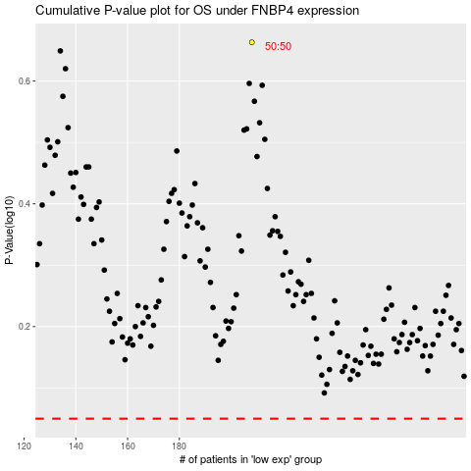

 |  |  |  |  |  | cases_OS | p_OS | rank | exp
 |  |  |  |  |  |  | cases_RFS | p_RFS | rank | exp

