FNDC3A _multivariate
Reported by Tex Li-Hsing Chi. tex@gate.sinica.edu.tw 2019-08-19

Table 2. The clinicopathological features of HNSCC cohort and FNDC3A expression. (Chi square test)
Cutoff at -0.094 (49.8%)
 |  | FNDC3A expression |  | FNDC3A expression |  | (Optimised)
 | Features | Low | (%) | High | (%) | Case no | P-value | Remark | Matthews
Gender | Female | 157 | 37.8 | 149 | 35.9 | 415 | 0.3881 | 0 | 0
2 | Male | 50 | 12 | 59 | 14.2
Age at diagnosis | <=65y | 142 | 34.2 | 132 | 31.8 | 415 | 0.3167 | 0 | 0
4 | >65y | 65 | 15.7 | 76 | 18.3
Clinical T Status | T1+T2 | 78 | 18.8 | 71 | 17.1 | 415 | 0.5152 | 0 | 0
6 | T3+T4 | 129 | 31.1 | 137 | 33
Clinical N Status | N0 | 111 | 26.7 | 105 | 25.3 | 415 | 0.5875 | 0 | 0
8 | N1-3 | 96 | 23.1 | 103 | 24.8
Clinical M Status | M0 | 204 | 49.2 | 208 | 50.1 | 415 | 0.1232 | 0 | 0
10 | M1 | 3 | 0.7 | 0 | 0
Clinical Stage | Stage I+II | 50 | 12 | 52 | 12.5 | 415 | 0.9315 | 0 | 0
12 | Stage III+IV | 157 | 37.8 | 156 | 37.6
Surgical Margin status | Negative | 152 | 36.6 | 166 | 40 | 415 | 0.1329 | 0 | 0
14 | Positive | 55 | 13.3 | 42 | 10.1
Tobacco Exposure | Low | 83 | 20 | 78 | 18.8 | 415 | 0.6152 | 0 | 0
16 | High | 124 | 29.9 | 130 | 31.3

Table 3. Univariate/Multivariate Cox's proportional hazards regression analyses on OS time of FNDC3A gene expression in HNSCC

 |  | Univariate |  |  |  | Multivariate
 | Features | HR | CI95%(L) | CI95%(H) | P-value | HR | CI95%(L) | CI95%(H) | P-value
1 | Female | 1 |  |  |  | 1
Gender | Male | 1.157 | 0.843 | 1.587 | 0.367 | 1.202 | 0.86 | 1.679 | 0.281
11 | <=65y | 1 |  |  |  | 1
Age at diagnosis | >65y | 1.329 | 0.99 | 1.784 | 0.058 | 1.386 | 1.019 | 1.885 | 0.037
12 | T1+T2 | 1 |  |  |  | 1
Clinical T Status | T3+T4 | 1.409 | 1.028 | 1.931 | 0.033 | 2.191 | 1.158 | 4.144 | 0.016
13 | N0 | 1 |  |  |  | 1
Clinical N Status | N1-3 | 1.185 | 0.89 | 1.577 | 0.246 | 1.233 | 0.864 | 1.761 | 0.249
14 | M0 | 1 |  |  |  | 1
Clinical M Status | M1 | 4.097 | 1.009 | 16.644 | 0.049 | 9.68 | 2.098 | 44.653 | 0.004
15 | Stage I+II | 1 |  |  |  | 1
Clinical Stage | Stage III+IV | 1.245 | 0.882 | 1.759 | 0.213 | 0.51 | 0.237 | 1.095 | 0.084
16 | Negative | 1 |  |  |  | 1
Surgical Margin status | Positive | 1.591 | 1.155 | 2.191 | 0.004 | 1.684 | 1.216 | 2.333 | 0.002
17 | Low | 1 |  |  |  | 1
Tobacco Exposure | High | 1.364 | 1.008 | 1.844 | 0.044 | 1.454 | 1.055 | 2.004 | 0.022
18 | Low | 1 |  |  |  | 1
RNAseq(z-score) | High | 1.026 | 0.769 | 1.367 | 0.863 | 1.063 | 0.793 | 1.426 | 0.682

Table 4. Univariate/Multivariate Cox's proportional hazards regression analyses on RFS time of FNDC3A gene expression in HNSCC

 |  | Univariate |  |  |  | Multivariate
 | Features | HR | CI95%(L) | CI95%(H) | P-value | HR | CI95%(L) | CI95%(H) | P-value
1 | Female | 1 |  |  |  | 1
Gender | Male | 1.157 | 0.843 | 1.587 | 0.367 | 1.202 | 0.86 | 1.679 | 0.281
11 | <=65y | 1 |  |  |  | 1
Age at diagnosis | >65y | 1.329 | 0.99 | 1.784 | 0.058 | 1.386 | 1.019 | 1.885 | 0.037
12 | T1+T2 | 1 |  |  |  | 1
Clinical T Status | T3+T4 | 1.409 | 1.028 | 1.931 | 0.033 | 2.191 | 1.158 | 4.144 | 0.016
13 | N0 | 1 |  |  |  | 1
Clinical N Status | N1-3 | 1.185 | 0.89 | 1.577 | 0.246 | 1.233 | 0.864 | 1.761 | 0.249
14 | M0 | 1 |  |  |  | 1
Clinical M Status | M1 | 4.097 | 1.009 | 16.644 | 0.049 | 9.68 | 2.098 | 44.653 | 0.004
15 | Stage I+II | 1 |  |  |  | 1
Clinical Stage | Stage III+IV | 1.245 | 0.882 | 1.759 | 0.213 | 0.51 | 0.237 | 1.095 | 0.084
16 | Negative | 1 |  |  |  | 1
Surgical Margin status | Positive | 1.591 | 1.155 | 2.191 | 0.004 | 1.684 | 1.216 | 2.333 | 0.002
17 | Low | 1 |  |  |  | 1
Tobacco Exposure | High | 1.364 | 1.008 | 1.844 | 0.044 | 1.454 | 1.055 | 2.004 | 0.022
18 | Low | 1 |  |  |  | 1
RNAseq(z-score) | High | 1.026 | 0.769 | 1.367 | 0.863 | 1.063 | 0.793 | 1.426 | 0.682

Kaplan-Meier survival estimate: Cutoff at -0.094 (49.8%)



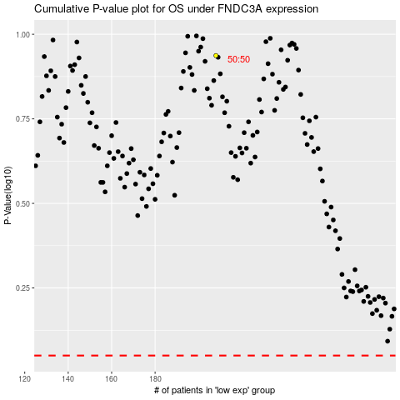

 |  |  |  |  |  | cases_OS | p_OS | rank | exp
 |  |  |  |  |  |  | cases_RFS | p_RFS | rank | exp

