FNDC4 _multivariate
Reported by Tex Li-Hsing Chi. tex@gate.sinica.edu.tw 2019-08-19

Table 2. The clinicopathological features of HNSCC cohort and FNDC4 expression. (Chi square test)
Cutoff at -0.279 (50.0%)
 |  | FNDC4 expression |  | FNDC4 expression |  | (Optimised)
 | Features | Low | (%) | High | (%) | Case no | P-value | Remark | Matthews
Gender | Female | 150 | 36.1 | 156 | 37.6 | 415 | 0.6344 | 0 | 0
2 | Male | 57 | 13.7 | 52 | 12.5
Age at diagnosis | <=65y | 138 | 33.3 | 136 | 32.8 | 415 | 0.8634 | 0 | 0
4 | >65y | 69 | 16.6 | 72 | 17.3
Clinical T Status | T1+T2 | 79 | 19 | 70 | 16.9 | 415 | 0.3924 | 0 | 0
6 | T3+T4 | 128 | 30.8 | 138 | 33.3
Clinical N Status | N0 | 106 | 25.5 | 110 | 26.5 | 415 | 0.8075 | 0 | 0
8 | N1-3 | 101 | 24.3 | 98 | 23.6
Clinical M Status | M0 | 204 | 49.2 | 208 | 50.1 | 415 | 0.1232 | 0 | 0
10 | M1 | 3 | 0.7 | 0 | 0
Clinical Stage | Stage I+II | 50 | 12 | 52 | 12.5 | 415 | 0.9315 | 0 | 0
12 | Stage III+IV | 157 | 37.8 | 156 | 37.6
Surgical Margin status | Negative | 160 | 38.6 | 158 | 38.1 | 415 | 0.8167 | 0 | 0
14 | Positive | 47 | 11.3 | 50 | 12
Tobacco Exposure | Low | 90 | 21.7 | 71 | 17.1 | 415 | 0.0559 | 0 | 0
16 | High | 117 | 28.2 | 137 | 33

Table 3. Univariate/Multivariate Cox's proportional hazards regression analyses on OS time of FNDC4 gene expression in HNSCC

 |  | Univariate |  |  |  | Multivariate
 | Features | HR | CI95%(L) | CI95%(H) | P-value | HR | CI95%(L) | CI95%(H) | P-value
1 | Female | 1 |  |  |  | 1
Gender | Male | 1.157 | 0.843 | 1.587 | 0.367 | 1.198 | 0.858 | 1.675 | 0.289
11 | <=65y | 1 |  |  |  | 1
Age at diagnosis | >65y | 1.329 | 0.99 | 1.784 | 0.058 | 1.389 | 1.022 | 1.889 | 0.036
12 | T1+T2 | 1 |  |  |  | 1
Clinical T Status | T3+T4 | 1.409 | 1.028 | 1.931 | 0.033 | 2.22 | 1.174 | 4.198 | 0.014
13 | N0 | 1 |  |  |  | 1
Clinical N Status | N1-3 | 1.185 | 0.89 | 1.577 | 0.246 | 1.238 | 0.868 | 1.766 | 0.239
14 | M0 | 1 |  |  |  | 1
Clinical M Status | M1 | 4.097 | 1.009 | 16.644 | 0.049 | 8.906 | 1.934 | 41.001 | 0.005
15 | Stage I+II | 1 |  |  |  | 1
Clinical Stage | Stage III+IV | 1.245 | 0.882 | 1.759 | 0.213 | 0.499 | 0.232 | 1.071 | 0.074
16 | Negative | 1 |  |  |  | 1
Surgical Margin status | Positive | 1.591 | 1.155 | 2.191 | 0.004 | 1.684 | 1.218 | 2.328 | 0.002
17 | Low | 1 |  |  |  | 1
Tobacco Exposure | High | 1.364 | 1.008 | 1.844 | 0.044 | 1.494 | 1.077 | 2.072 | 0.016
18 | Low | 1 |  |  |  | 1
RNAseq(z-score) | High | 0.922 | 0.692 | 1.228 | 0.579 | 0.875 | 0.651 | 1.174 | 0.373

Table 4. Univariate/Multivariate Cox's proportional hazards regression analyses on RFS time of FNDC4 gene expression in HNSCC

 |  | Univariate |  |  |  | Multivariate
 | Features | HR | CI95%(L) | CI95%(H) | P-value | HR | CI95%(L) | CI95%(H) | P-value
1 | Female | 1 |  |  |  | 1
Gender | Male | 1.157 | 0.843 | 1.587 | 0.367 | 1.198 | 0.858 | 1.675 | 0.289
11 | <=65y | 1 |  |  |  | 1
Age at diagnosis | >65y | 1.329 | 0.99 | 1.784 | 0.058 | 1.389 | 1.022 | 1.889 | 0.036
12 | T1+T2 | 1 |  |  |  | 1
Clinical T Status | T3+T4 | 1.409 | 1.028 | 1.931 | 0.033 | 2.22 | 1.174 | 4.198 | 0.014
13 | N0 | 1 |  |  |  | 1
Clinical N Status | N1-3 | 1.185 | 0.89 | 1.577 | 0.246 | 1.238 | 0.868 | 1.766 | 0.239
14 | M0 | 1 |  |  |  | 1
Clinical M Status | M1 | 4.097 | 1.009 | 16.644 | 0.049 | 8.906 | 1.934 | 41.001 | 0.005
15 | Stage I+II | 1 |  |  |  | 1
Clinical Stage | Stage III+IV | 1.245 | 0.882 | 1.759 | 0.213 | 0.499 | 0.232 | 1.071 | 0.074
16 | Negative | 1 |  |  |  | 1
Surgical Margin status | Positive | 1.591 | 1.155 | 2.191 | 0.004 | 1.684 | 1.218 | 2.328 | 0.002
17 | Low | 1 |  |  |  | 1
Tobacco Exposure | High | 1.364 | 1.008 | 1.844 | 0.044 | 1.494 | 1.077 | 2.072 | 0.016
18 | Low | 1 |  |  |  | 1
RNAseq(z-score) | High | 0.922 | 0.692 | 1.228 | 0.579 | 0.875 | 0.651 | 1.174 | 0.373

Kaplan-Meier survival estimate: Cutoff at -0.279 (50.0%)



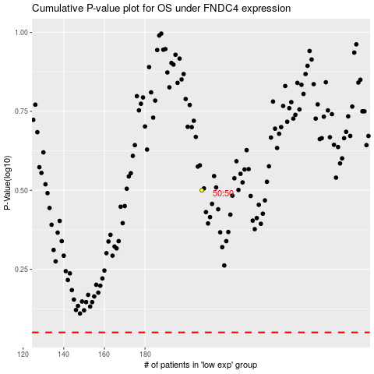

 |  |  |  |  |  | cases_OS | p_OS | rank | exp
 |  |  |  |  |  |  | cases_RFS | p_RFS | rank | exp

