FNDC5 _multivariate
Reported by Tex Li-Hsing Chi. tex@gate.sinica.edu.tw 2019-08-19

Table 2. The clinicopathological features of HNSCC cohort and FNDC5 expression. (Chi square test)
Cutoff at -0.166 (50.0%)
 |  | FNDC5 expression |  | FNDC5 expression |  | (Optimised)
 | Features | Low | (%) | High | (%) | Case no | P-value | Remark | Matthews
Gender | Female | 157 | 37.8 | 149 | 35.9 | 415 | 0.3881 | 0 | 0
2 | Male | 50 | 12 | 59 | 14.2
Age at diagnosis | <=65y | 129 | 31.1 | 145 | 34.9 | 415 | 0.1372 | 0 | 0
4 | >65y | 78 | 18.8 | 63 | 15.2
Clinical T Status | T1+T2 | 65 | 15.7 | 84 | 20.2 | 415 | 0.0711 | 0 | 0
6 | T3+T4 | 142 | 34.2 | 124 | 29.9
Clinical N Status | N0 | 111 | 26.7 | 105 | 25.3 | 415 | 0.5875 | 0 | 0
8 | N1-3 | 96 | 23.1 | 103 | 24.8
Clinical M Status | M0 | 204 | 49.2 | 208 | 50.1 | 415 | 0.1232 | 0 | 0
10 | M1 | 3 | 0.7 | 0 | 0
Clinical Stage | Stage I+II | 44 | 10.6 | 58 | 14 | 415 | 0.1459 | 0 | 0
12 | Stage III+IV | 163 | 39.3 | 150 | 36.1
Surgical Margin status | Negative | 157 | 37.8 | 161 | 38.8 | 415 | 0.729 | 0 | 0
14 | Positive | 50 | 12 | 47 | 11.3
Tobacco Exposure | Low | 86 | 20.7 | 75 | 18.1 | 415 | 0.2687 | 0 | 0
16 | High | 121 | 29.2 | 133 | 32

Table 3. Univariate/Multivariate Cox's proportional hazards regression analyses on OS time of FNDC5 gene expression in HNSCC

 |  | Univariate |  |  |  | Multivariate
 | Features | HR | CI95%(L) | CI95%(H) | P-value | HR | CI95%(L) | CI95%(H) | P-value
1 | Female | 1 |  |  |  | 1
Gender | Male | 1.157 | 0.843 | 1.587 | 0.367 | 1.197 | 0.856 | 1.673 | 0.293
11 | <=65y | 1 |  |  |  | 1
Age at diagnosis | >65y | 1.329 | 0.99 | 1.784 | 0.058 | 1.395 | 1.026 | 1.897 | 0.034
12 | T1+T2 | 1 |  |  |  | 1
Clinical T Status | T3+T4 | 1.409 | 1.028 | 1.931 | 0.033 | 2.205 | 1.166 | 4.169 | 0.015
13 | N0 | 1 |  |  |  | 1
Clinical N Status | N1-3 | 1.185 | 0.89 | 1.577 | 0.246 | 1.237 | 0.867 | 1.766 | 0.241
14 | M0 | 1 |  |  |  | 1
Clinical M Status | M1 | 4.097 | 1.009 | 16.644 | 0.049 | 9.626 | 2.085 | 44.441 | 0.004
15 | Stage I+II | 1 |  |  |  | 1
Clinical Stage | Stage III+IV | 1.245 | 0.882 | 1.759 | 0.213 | 0.506 | 0.236 | 1.087 | 0.081
16 | Negative | 1 |  |  |  | 1
Surgical Margin status | Positive | 1.591 | 1.155 | 2.191 | 0.004 | 1.668 | 1.207 | 2.305 | 0.002
17 | Low | 1 |  |  |  | 1
Tobacco Exposure | High | 1.364 | 1.008 | 1.844 | 0.044 | 1.445 | 1.047 | 1.994 | 0.025
18 | Low | 1 |  |  |  | 1
RNAseq(z-score) | High | 1.067 | 0.801 | 1.421 | 0.657 | 1.047 | 0.782 | 1.403 | 0.758

Table 4. Univariate/Multivariate Cox's proportional hazards regression analyses on RFS time of FNDC5 gene expression in HNSCC

 |  | Univariate |  |  |  | Multivariate
 | Features | HR | CI95%(L) | CI95%(H) | P-value | HR | CI95%(L) | CI95%(H) | P-value
1 | Female | 1 |  |  |  | 1
Gender | Male | 1.157 | 0.843 | 1.587 | 0.367 | 1.197 | 0.856 | 1.673 | 0.293
11 | <=65y | 1 |  |  |  | 1
Age at diagnosis | >65y | 1.329 | 0.99 | 1.784 | 0.058 | 1.395 | 1.026 | 1.897 | 0.034
12 | T1+T2 | 1 |  |  |  | 1
Clinical T Status | T3+T4 | 1.409 | 1.028 | 1.931 | 0.033 | 2.205 | 1.166 | 4.169 | 0.015
13 | N0 | 1 |  |  |  | 1
Clinical N Status | N1-3 | 1.185 | 0.89 | 1.577 | 0.246 | 1.237 | 0.867 | 1.766 | 0.241
14 | M0 | 1 |  |  |  | 1
Clinical M Status | M1 | 4.097 | 1.009 | 16.644 | 0.049 | 9.626 | 2.085 | 44.441 | 0.004
15 | Stage I+II | 1 |  |  |  | 1
Clinical Stage | Stage III+IV | 1.245 | 0.882 | 1.759 | 0.213 | 0.506 | 0.236 | 1.087 | 0.081
16 | Negative | 1 |  |  |  | 1
Surgical Margin status | Positive | 1.591 | 1.155 | 2.191 | 0.004 | 1.668 | 1.207 | 2.305 | 0.002
17 | Low | 1 |  |  |  | 1
Tobacco Exposure | High | 1.364 | 1.008 | 1.844 | 0.044 | 1.445 | 1.047 | 1.994 | 0.025
18 | Low | 1 |  |  |  | 1
RNAseq(z-score) | High | 1.067 | 0.801 | 1.421 | 0.657 | 1.047 | 0.782 | 1.403 | 0.758

Kaplan-Meier survival estimate: Cutoff at -0.166 (50.0%)



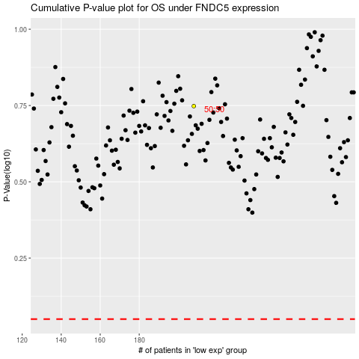

 |  |  |  |  |  | cases_OS | p_OS | rank | exp
 |  |  |  |  |  |  | cases_RFS | p_RFS | rank | exp

