FNDC8 _multivariate
Reported by Tex Li-Hsing Chi. tex@gate.sinica.edu.tw 2019-08-19

Table 2. The clinicopathological features of HNSCC cohort and FNDC8 expression. (Chi square test)
Cutoff at -0.321 (35.0%)
 |  | FNDC8 expression |  | FNDC8 expression |  | (Optimised)
 | Features | Low | (%) | High | (%) | Case no | P-value | Remark | Matthews
Gender | Female | 100 | 24.1 | 206 | 49.6 | 415 | 0.0948 | 0 | 0
2 | Male | 46 | 11.1 | 63 | 15.2
Age at diagnosis | <=65y | 92 | 22.2 | 182 | 43.9 | 415 | 0.3979 | 0 | 0
4 | >65y | 54 | 13 | 87 | 21
Clinical T Status | T1+T2 | 51 | 12.3 | 98 | 23.6 | 415 | 0.8438 | 0 | 0
6 | T3+T4 | 95 | 22.9 | 171 | 41.2
Clinical N Status | N0 | 75 | 18.1 | 141 | 34 | 415 | 0.9196 | 0 | 0
8 | N1-3 | 71 | 17.1 | 128 | 30.8
Clinical M Status | M0 | 144 | 34.7 | 268 | 64.6 | 415 | 0.2837 | 0 | 0
10 | M1 | 2 | 0.5 | 1 | 0.2
Clinical Stage | Stage I+II | 35 | 8.4 | 67 | 16.1 | 415 | 0.9269 | 0 | 0
12 | Stage III+IV | 111 | 26.7 | 202 | 48.7
Surgical Margin status | Negative | 107 | 25.8 | 211 | 50.8 | 415 | 0.2743 | 0 | 0
14 | Positive | 39 | 9.4 | 58 | 14
Tobacco Exposure | Low | 66 | 15.9 | 95 | 22.9 | 415 | 0.0575 | 0 | 0
16 | High | 80 | 19.3 | 174 | 41.9

Table 3. Univariate/Multivariate Cox's proportional hazards regression analyses on OS time of FNDC8 gene expression in HNSCC

 |  | Univariate |  |  |  | Multivariate
 | Features | HR | CI95%(L) | CI95%(H) | P-value | HR | CI95%(L) | CI95%(H) | P-value
1 | Female | 1 |  |  |  | 1
Gender | Male | 1.157 | 0.843 | 1.587 | 0.367 | 1.17 | 0.838 | 1.635 | 0.356
11 | <=65y | 1 |  |  |  | 1
Age at diagnosis | >65y | 1.329 | 0.99 | 1.784 | 0.058 | 1.388 | 1.02 | 1.888 | 0.037
12 | T1+T2 | 1 |  |  |  | 1
Clinical T Status | T3+T4 | 1.409 | 1.028 | 1.931 | 0.033 | 2.128 | 1.124 | 4.029 | 0.02
13 | N0 | 1 |  |  |  | 1
Clinical N Status | N1-3 | 1.185 | 0.89 | 1.577 | 0.246 | 1.272 | 0.89 | 1.816 | 0.186
14 | M0 | 1 |  |  |  | 1
Clinical M Status | M1 | 4.097 | 1.009 | 16.644 | 0.049 | 7.936 | 1.714 | 36.749 | 0.008
15 | Stage I+II | 1 |  |  |  | 1
Clinical Stage | Stage III+IV | 1.245 | 0.882 | 1.759 | 0.213 | 0.509 | 0.237 | 1.091 | 0.083
16 | Negative | 1 |  |  |  | 1
Surgical Margin status | Positive | 1.591 | 1.155 | 2.191 | 0.004 | 1.638 | 1.185 | 2.266 | 0.003
17 | Low | 1 |  |  |  | 1
Tobacco Exposure | High | 1.364 | 1.008 | 1.844 | 0.044 | 1.526 | 1.103 | 2.112 | 0.011
18 | Low | 1 |  |  |  | 1
RNAseq(z-score) | High | 0.739 | 0.551 | 0.99 | 0.043 | 0.748 | 0.552 | 1.014 | 0.061

Table 4. Univariate/Multivariate Cox's proportional hazards regression analyses on RFS time of FNDC8 gene expression in HNSCC

 |  | Univariate |  |  |  | Multivariate
 | Features | HR | CI95%(L) | CI95%(H) | P-value | HR | CI95%(L) | CI95%(H) | P-value
1 | Female | 1 |  |  |  | 1
Gender | Male | 1.157 | 0.843 | 1.587 | 0.367 | 1.17 | 0.838 | 1.635 | 0.356
11 | <=65y | 1 |  |  |  | 1
Age at diagnosis | >65y | 1.329 | 0.99 | 1.784 | 0.058 | 1.388 | 1.02 | 1.888 | 0.037
12 | T1+T2 | 1 |  |  |  | 1
Clinical T Status | T3+T4 | 1.409 | 1.028 | 1.931 | 0.033 | 2.128 | 1.124 | 4.029 | 0.02
13 | N0 | 1 |  |  |  | 1
Clinical N Status | N1-3 | 1.185 | 0.89 | 1.577 | 0.246 | 1.272 | 0.89 | 1.816 | 0.186
14 | M0 | 1 |  |  |  | 1
Clinical M Status | M1 | 4.097 | 1.009 | 16.644 | 0.049 | 7.936 | 1.714 | 36.749 | 0.008
15 | Stage I+II | 1 |  |  |  | 1
Clinical Stage | Stage III+IV | 1.245 | 0.882 | 1.759 | 0.213 | 0.509 | 0.237 | 1.091 | 0.083
16 | Negative | 1 |  |  |  | 1
Surgical Margin status | Positive | 1.591 | 1.155 | 2.191 | 0.004 | 1.638 | 1.185 | 2.266 | 0.003
17 | Low | 1 |  |  |  | 1
Tobacco Exposure | High | 1.364 | 1.008 | 1.844 | 0.044 | 1.526 | 1.103 | 2.112 | 0.011
18 | Low | 1 |  |  |  | 1
RNAseq(z-score) | High | 0.739 | 0.551 | 0.99 | 0.043 | 0.748 | 0.552 | 1.014 | 0.061

Kaplan-Meier survival estimate: Cutoff at -0.321 (35.0%)



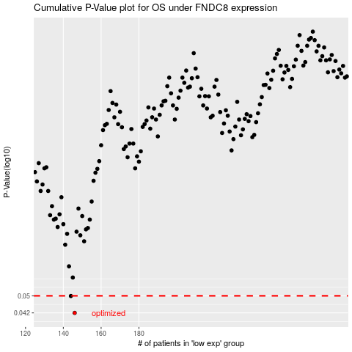

 |  |  |  |  |  | cases_OS | p_OS | rank | exp
 |  |  |  |  |  | 146 | 0.042 | 245 | -0.32126213767
 |  |  |  |  |  | 144 | 0.0499 | 158 | -0.3290713362
 |  |  |  |  |  |  | cases_RFS | p_RFS | rank | exp
 |  |  |  |  |  |  | 145 | 0.042 | 349 | -0.32817317553
 |  |  |  |  |  |  | 143 | 0.0499 | 196 | -0.33020260728

