FOLH1 _multivariate
Reported by Tex Li-Hsing Chi. tex@gate.sinica.edu.tw 2019-08-19

Table 2. The clinicopathological features of HNSCC cohort and FOLH1 expression. (Chi square test)
Cutoff at -0.277 (49.8%)
 |  | FOLH1 expression |  | FOLH1 expression |  | (Optimised)
 | Features | Low | (%) | High | (%) | Case no | P-value | Remark | Matthews
Gender | Female | 154 | 37.1 | 152 | 36.6 | 415 | 0.8463 | 0 | 0
2 | Male | 53 | 12.8 | 56 | 13.5
Age at diagnosis | <=65y | 143 | 34.5 | 131 | 31.6 | 415 | 0.2269 | 0 | 0
4 | >65y | 64 | 15.4 | 77 | 18.6
Clinical T Status | T1+T2 | 77 | 18.6 | 72 | 17.3 | 415 | 0.6556 | 0 | 0
6 | T3+T4 | 130 | 31.3 | 136 | 32.8
Clinical N Status | N0 | 91 | 21.9 | 125 | 30.1 | 415 | 0.0014 | 1 | 0
8 | N1-3 | 116 | 28 | 83 | 20
Clinical M Status | M0 | 205 | 49.4 | 207 | 49.9 | 415 | 0.6232 | 0 | 0
10 | M1 | 2 | 0.5 | 1 | 0.2
Clinical Stage | Stage I+II | 51 | 12.3 | 51 | 12.3 | 415 | 1 | 0 | 0
12 | Stage III+IV | 156 | 37.6 | 157 | 37.8
Surgical Margin status | Negative | 150 | 36.1 | 168 | 40.5 | 415 | 0.0492 | 1 | 0
14 | Positive | 57 | 13.7 | 40 | 9.6
Tobacco Exposure | Low | 81 | 19.5 | 80 | 19.3 | 415 | 0.9199 | 0 | 0
16 | High | 126 | 30.4 | 128 | 30.8

Table 3. Univariate/Multivariate Cox's proportional hazards regression analyses on OS time of FOLH1 gene expression in HNSCC

 |  | Univariate |  |  |  | Multivariate
 | Features | HR | CI95%(L) | CI95%(H) | P-value | HR | CI95%(L) | CI95%(H) | P-value
1 | Female | 1 |  |  |  | 1
Gender | Male | 1.157 | 0.843 | 1.587 | 0.367 | 1.192 | 0.853 | 1.666 | 0.304
11 | <=65y | 1 |  |  |  | 1
Age at diagnosis | >65y | 1.329 | 0.99 | 1.784 | 0.058 | 1.389 | 1.022 | 1.888 | 0.036
12 | T1+T2 | 1 |  |  |  | 1
Clinical T Status | T3+T4 | 1.409 | 1.028 | 1.931 | 0.033 | 2.186 | 1.156 | 4.132 | 0.016
13 | N0 | 1 |  |  |  | 1
Clinical N Status | N1-3 | 1.185 | 0.89 | 1.577 | 0.246 | 1.177 | 0.819 | 1.694 | 0.378
14 | M0 | 1 |  |  |  | 1
Clinical M Status | M1 | 4.097 | 1.009 | 16.644 | 0.049 | 9.343 | 2.038 | 42.83 | 0.004
15 | Stage I+II | 1 |  |  |  | 1
Clinical Stage | Stage III+IV | 1.245 | 0.882 | 1.759 | 0.213 | 0.524 | 0.244 | 1.128 | 0.099
16 | Negative | 1 |  |  |  | 1
Surgical Margin status | Positive | 1.591 | 1.155 | 2.191 | 0.004 | 1.617 | 1.167 | 2.242 | 0.004
17 | Low | 1 |  |  |  | 1
Tobacco Exposure | High | 1.364 | 1.008 | 1.844 | 0.044 | 1.474 | 1.07 | 2.03 | 0.018
18 | Low | 1 |  |  |  | 1
RNAseq(z-score) | High | 0.784 | 0.588 | 1.045 | 0.097 | 0.815 | 0.604 | 1.1 | 0.181

Table 4. Univariate/Multivariate Cox's proportional hazards regression analyses on RFS time of FOLH1 gene expression in HNSCC

 |  | Univariate |  |  |  | Multivariate
 | Features | HR | CI95%(L) | CI95%(H) | P-value | HR | CI95%(L) | CI95%(H) | P-value
1 | Female | 1 |  |  |  | 1
Gender | Male | 1.157 | 0.843 | 1.587 | 0.367 | 1.192 | 0.853 | 1.666 | 0.304
11 | <=65y | 1 |  |  |  | 1
Age at diagnosis | >65y | 1.329 | 0.99 | 1.784 | 0.058 | 1.389 | 1.022 | 1.888 | 0.036
12 | T1+T2 | 1 |  |  |  | 1
Clinical T Status | T3+T4 | 1.409 | 1.028 | 1.931 | 0.033 | 2.186 | 1.156 | 4.132 | 0.016
13 | N0 | 1 |  |  |  | 1
Clinical N Status | N1-3 | 1.185 | 0.89 | 1.577 | 0.246 | 1.177 | 0.819 | 1.694 | 0.378
14 | M0 | 1 |  |  |  | 1
Clinical M Status | M1 | 4.097 | 1.009 | 16.644 | 0.049 | 9.343 | 2.038 | 42.83 | 0.004
15 | Stage I+II | 1 |  |  |  | 1
Clinical Stage | Stage III+IV | 1.245 | 0.882 | 1.759 | 0.213 | 0.524 | 0.244 | 1.128 | 0.099
16 | Negative | 1 |  |  |  | 1
Surgical Margin status | Positive | 1.591 | 1.155 | 2.191 | 0.004 | 1.617 | 1.167 | 2.242 | 0.004
17 | Low | 1 |  |  |  | 1
Tobacco Exposure | High | 1.364 | 1.008 | 1.844 | 0.044 | 1.474 | 1.07 | 2.03 | 0.018
18 | Low | 1 |  |  |  | 1
RNAseq(z-score) | High | 0.784 | 0.588 | 1.045 | 0.097 | 0.815 | 0.604 | 1.1 | 0.181

Kaplan-Meier survival estimate: Cutoff at -0.277 (49.8%)



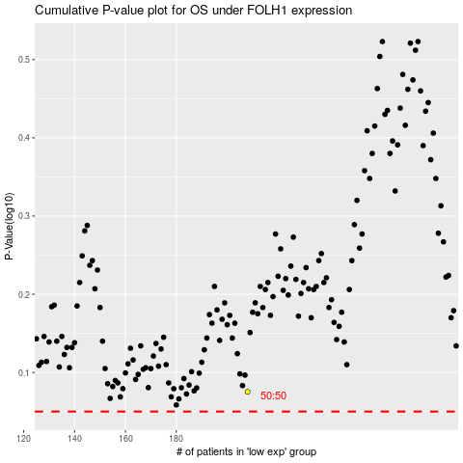

 |  |  |  |  |  | cases_OS | p_OS | rank | exp
 |  |  |  |  |  |  | cases_RFS | p_RFS | rank | exp

