FOLR1 _multivariate
Reported by Tex Li-Hsing Chi. tex@gate.sinica.edu.tw 2019-08-19

Table 2. The clinicopathological features of HNSCC cohort and FOLR1 expression. (Chi square test)
Cutoff at -0.203 (70.0%)
 |  | FOLR1 expression |  | FOLR1 expression |  | (Optimised)
 | Features | Low | (%) | High | (%) | Case no | P-value | Remark | Matthews
Gender | Female | 216 | 52 | 90 | 21.7 | 415 | 0.685 | 0 | 0
2 | Male | 74 | 17.8 | 35 | 8.4
Age at diagnosis | <=65y | 184 | 44.3 | 90 | 21.7 | 415 | 0.1154 | 0 | 0
4 | >65y | 106 | 25.5 | 35 | 8.4
Clinical T Status | T1+T2 | 101 | 24.3 | 48 | 11.6 | 415 | 0.5589 | 0 | 0
6 | T3+T4 | 189 | 45.5 | 77 | 18.6
Clinical N Status | N0 | 148 | 35.7 | 68 | 16.4 | 415 | 0.6013 | 0 | 0
8 | N1-3 | 142 | 34.2 | 57 | 13.7
Clinical M Status | M0 | 289 | 69.6 | 123 | 29.6 | 415 | 0.2169 | 0 | 0
10 | M1 | 1 | 0.2 | 2 | 0.5
Clinical Stage | Stage I+II | 68 | 16.4 | 34 | 8.2 | 415 | 0.4901 | 0 | 0
12 | Stage III+IV | 222 | 53.5 | 91 | 21.9
Surgical Margin status | Negative | 218 | 52.5 | 100 | 24.1 | 415 | 0.3137 | 0 | 0
14 | Positive | 72 | 17.3 | 25 | 6
Tobacco Exposure | Low | 126 | 30.4 | 35 | 8.4 | 415 | 0.0031 | 1 | 0
16 | High | 164 | 39.5 | 90 | 21.7

Table 3. Univariate/Multivariate Cox's proportional hazards regression analyses on OS time of FOLR1 gene expression in HNSCC

 |  | Univariate |  |  |  | Multivariate
 | Features | HR | CI95%(L) | CI95%(H) | P-value | HR | CI95%(L) | CI95%(H) | P-value
1 | Female | 1 |  |  |  | 1
Gender | Male | 1.157 | 0.843 | 1.587 | 0.367 | 1.213 | 0.868 | 1.695 | 0.259
11 | <=65y | 1 |  |  |  | 1
Age at diagnosis | >65y | 1.329 | 0.99 | 1.784 | 0.058 | 1.405 | 1.033 | 1.911 | 0.03
12 | T1+T2 | 1 |  |  |  | 1
Clinical T Status | T3+T4 | 1.409 | 1.028 | 1.931 | 0.033 | 2.189 | 1.158 | 4.136 | 0.016
13 | N0 | 1 |  |  |  | 1
Clinical N Status | N1-3 | 1.185 | 0.89 | 1.577 | 0.246 | 1.226 | 0.859 | 1.75 | 0.262
14 | M0 | 1 |  |  |  | 1
Clinical M Status | M1 | 4.097 | 1.009 | 16.644 | 0.049 | 11.484 | 2.48 | 53.179 | 0.002
15 | Stage I+II | 1 |  |  |  | 1
Clinical Stage | Stage III+IV | 1.245 | 0.882 | 1.759 | 0.213 | 0.499 | 0.232 | 1.071 | 0.074
16 | Negative | 1 |  |  |  | 1
Surgical Margin status | Positive | 1.591 | 1.155 | 2.191 | 0.004 | 1.609 | 1.163 | 2.225 | 0.004
17 | Low | 1 |  |  |  | 1
Tobacco Exposure | High | 1.364 | 1.008 | 1.844 | 0.044 | 1.542 | 1.115 | 2.131 | 0.009
18 | Low | 1 |  |  |  | 1
RNAseq(z-score) | High | 0.717 | 0.514 | 1.001 | 0.05 | 0.682 | 0.485 | 0.959 | 0.028

Table 4. Univariate/Multivariate Cox's proportional hazards regression analyses on RFS time of FOLR1 gene expression in HNSCC

 |  | Univariate |  |  |  | Multivariate
 | Features | HR | CI95%(L) | CI95%(H) | P-value | HR | CI95%(L) | CI95%(H) | P-value
1 | Female | 1 |  |  |  | 1
Gender | Male | 1.157 | 0.843 | 1.587 | 0.367 | 1.213 | 0.868 | 1.695 | 0.259
11 | <=65y | 1 |  |  |  | 1
Age at diagnosis | >65y | 1.329 | 0.99 | 1.784 | 0.058 | 1.405 | 1.033 | 1.911 | 0.03
12 | T1+T2 | 1 |  |  |  | 1
Clinical T Status | T3+T4 | 1.409 | 1.028 | 1.931 | 0.033 | 2.189 | 1.158 | 4.136 | 0.016
13 | N0 | 1 |  |  |  | 1
Clinical N Status | N1-3 | 1.185 | 0.89 | 1.577 | 0.246 | 1.226 | 0.859 | 1.75 | 0.262
14 | M0 | 1 |  |  |  | 1
Clinical M Status | M1 | 4.097 | 1.009 | 16.644 | 0.049 | 11.484 | 2.48 | 53.179 | 0.002
15 | Stage I+II | 1 |  |  |  | 1
Clinical Stage | Stage III+IV | 1.245 | 0.882 | 1.759 | 0.213 | 0.499 | 0.232 | 1.071 | 0.074
16 | Negative | 1 |  |  |  | 1
Surgical Margin status | Positive | 1.591 | 1.155 | 2.191 | 0.004 | 1.609 | 1.163 | 2.225 | 0.004
17 | Low | 1 |  |  |  | 1
Tobacco Exposure | High | 1.364 | 1.008 | 1.844 | 0.044 | 1.542 | 1.115 | 2.131 | 0.009
18 | Low | 1 |  |  |  | 1
RNAseq(z-score) | High | 0.717 | 0.514 | 1.001 | 0.05 | 0.682 | 0.485 | 0.959 | 0.028

Kaplan-Meier survival estimate: Cutoff at -0.203 (70.0%)

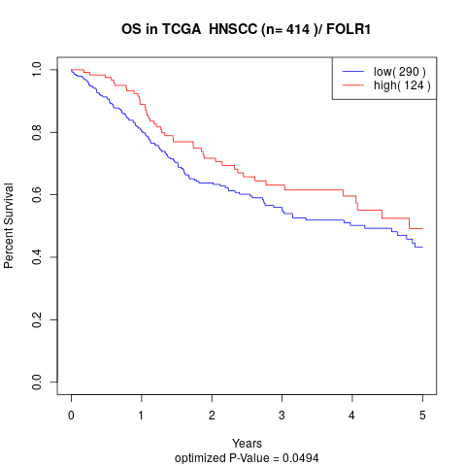

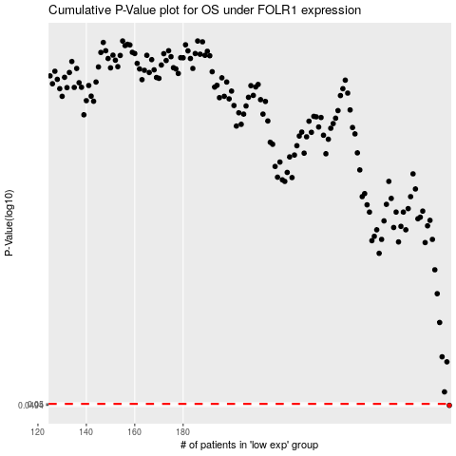

 |  |  |  |  |  | cases_OS | p_OS | rank | exp
 |  |  |  |  |  | 290 | 0.0494 | 55 | -0.20281736214
 |  |  |  |  |  |  | cases_RFS | p_RFS | rank | exp
 |  |  |  |  |  |  | 289 | 0.0494 | 250 | -0.20346429933

