FOLR2 _multivariate
Reported by Tex Li-Hsing Chi. tex@gate.sinica.edu.tw 2019-08-19

Table 2. The clinicopathological features of HNSCC cohort and FOLR2 expression. (Chi square test)
Cutoff at -0.342 (49.8%)
 |  | FOLR2 expression |  | FOLR2 expression |  | (Optimised)
 | Features | Low | (%) | High | (%) | Case no | P-value | Remark | Matthews
Gender | Female | 154 | 37.1 | 152 | 36.6 | 415 | 0.8463 | 0 | 0
2 | Male | 53 | 12.8 | 56 | 13.5
Age at diagnosis | <=65y | 140 | 33.7 | 134 | 32.3 | 415 | 0.5574 | 0 | 0
4 | >65y | 67 | 16.1 | 74 | 17.8
Clinical T Status | T1+T2 | 83 | 20 | 66 | 15.9 | 415 | 0.0941 | 0 | 0
6 | T3+T4 | 124 | 29.9 | 142 | 34.2
Clinical N Status | N0 | 113 | 27.2 | 103 | 24.8 | 415 | 0.3495 | 1 | 0
8 | N1-3 | 94 | 22.7 | 105 | 25.3
Clinical M Status | M0 | 206 | 49.6 | 206 | 49.6 | 415 | 1 | 0 | 0
10 | M1 | 1 | 0.2 | 2 | 0.5
Clinical Stage | Stage I+II | 57 | 13.7 | 45 | 10.8 | 415 | 0.1998 | 0 | 0
12 | Stage III+IV | 150 | 36.1 | 163 | 39.3
Surgical Margin status | Negative | 158 | 38.1 | 160 | 38.6 | 415 | 0.9081 | 0 | 0
14 | Positive | 49 | 11.8 | 48 | 11.6
Tobacco Exposure | Low | 75 | 18.1 | 86 | 20.7 | 415 | 0.3141 | 0 | 0
16 | High | 132 | 31.8 | 122 | 29.4

Table 3. Univariate/Multivariate Cox's proportional hazards regression analyses on OS time of FOLR2 gene expression in HNSCC

 |  | Univariate |  |  |  | Multivariate
 | Features | HR | CI95%(L) | CI95%(H) | P-value | HR | CI95%(L) | CI95%(H) | P-value
1 | Female | 1 |  |  |  | 1
Gender | Male | 1.157 | 0.843 | 1.587 | 0.367 | 1.2 | 0.859 | 1.677 | 0.285
11 | <=65y | 1 |  |  |  | 1
Age at diagnosis | >65y | 1.329 | 0.99 | 1.784 | 0.058 | 1.391 | 1.023 | 1.891 | 0.035
12 | T1+T2 | 1 |  |  |  | 1
Clinical T Status | T3+T4 | 1.409 | 1.028 | 1.931 | 0.033 | 2.219 | 1.17 | 4.209 | 0.015
13 | N0 | 1 |  |  |  | 1
Clinical N Status | N1-3 | 1.185 | 0.89 | 1.577 | 0.246 | 1.242 | 0.87 | 1.772 | 0.232
14 | M0 | 1 |  |  |  | 1
Clinical M Status | M1 | 4.097 | 1.009 | 16.644 | 0.049 | 9.563 | 2.074 | 44.094 | 0.004
15 | Stage I+II | 1 |  |  |  | 1
Clinical Stage | Stage III+IV | 1.245 | 0.882 | 1.759 | 0.213 | 0.502 | 0.234 | 1.079 | 0.078
16 | Negative | 1 |  |  |  | 1
Surgical Margin status | Positive | 1.591 | 1.155 | 2.191 | 0.004 | 1.678 | 1.212 | 2.321 | 0.002
17 | Low | 1 |  |  |  | 1
Tobacco Exposure | High | 1.364 | 1.008 | 1.844 | 0.044 | 1.449 | 1.051 | 1.999 | 0.024
18 | Low | 1 |  |  |  | 1
RNAseq(z-score) | High | 1.022 | 0.767 | 1.361 | 0.881 | 0.965 | 0.721 | 1.29 | 0.809

Table 4. Univariate/Multivariate Cox's proportional hazards regression analyses on RFS time of FOLR2 gene expression in HNSCC

 |  | Univariate |  |  |  | Multivariate
 | Features | HR | CI95%(L) | CI95%(H) | P-value | HR | CI95%(L) | CI95%(H) | P-value
1 | Female | 1 |  |  |  | 1
Gender | Male | 1.157 | 0.843 | 1.587 | 0.367 | 1.2 | 0.859 | 1.677 | 0.285
11 | <=65y | 1 |  |  |  | 1
Age at diagnosis | >65y | 1.329 | 0.99 | 1.784 | 0.058 | 1.391 | 1.023 | 1.891 | 0.035
12 | T1+T2 | 1 |  |  |  | 1
Clinical T Status | T3+T4 | 1.409 | 1.028 | 1.931 | 0.033 | 2.219 | 1.17 | 4.209 | 0.015
13 | N0 | 1 |  |  |  | 1
Clinical N Status | N1-3 | 1.185 | 0.89 | 1.577 | 0.246 | 1.242 | 0.87 | 1.772 | 0.232
14 | M0 | 1 |  |  |  | 1
Clinical M Status | M1 | 4.097 | 1.009 | 16.644 | 0.049 | 9.563 | 2.074 | 44.094 | 0.004
15 | Stage I+II | 1 |  |  |  | 1
Clinical Stage | Stage III+IV | 1.245 | 0.882 | 1.759 | 0.213 | 0.502 | 0.234 | 1.079 | 0.078
16 | Negative | 1 |  |  |  | 1
Surgical Margin status | Positive | 1.591 | 1.155 | 2.191 | 0.004 | 1.678 | 1.212 | 2.321 | 0.002
17 | Low | 1 |  |  |  | 1
Tobacco Exposure | High | 1.364 | 1.008 | 1.844 | 0.044 | 1.449 | 1.051 | 1.999 | 0.024
18 | Low | 1 |  |  |  | 1
RNAseq(z-score) | High | 1.022 | 0.767 | 1.361 | 0.881 | 0.965 | 0.721 | 1.29 | 0.809

Kaplan-Meier survival estimate: Cutoff at -0.342 (49.8%)



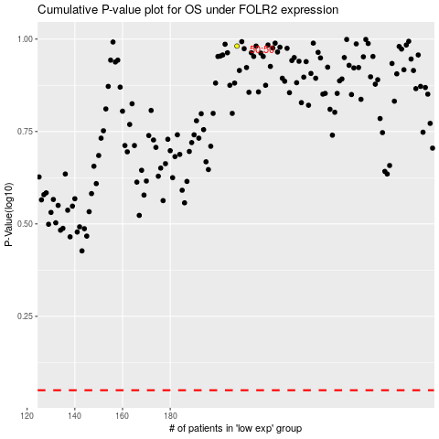

 |  |  |  |  |  | cases_OS | p_OS | rank | exp
 |  |  |  |  |  |  | cases_RFS | p_RFS | rank | exp

