FOSB _multivariate
Reported by Tex Li-Hsing Chi. tex@gate.sinica.edu.tw 2019-08-19

Table 2. The clinicopathological features of HNSCC cohort and FOSB expression. (Chi square test)
Cutoff at -0.344 (50.0%)
 |  | FOSB expression |  | FOSB expression |  | (Optimised)
 | Features | Low | (%) | High | (%) | Case no | P-value | Remark | Matthews
Gender | Female | 156 | 37.6 | 150 | 36.1 | 415 | 0.5222 | 0 | 0
2 | Male | 51 | 12.3 | 58 | 14
Age at diagnosis | <=65y | 136 | 32.8 | 138 | 33.3 | 415 | 0.9719 | 0 | 0
4 | >65y | 71 | 17.1 | 70 | 16.9
Clinical T Status | T1+T2 | 66 | 15.9 | 83 | 20 | 415 | 0.1095 | 0 | 0
6 | T3+T4 | 141 | 34 | 125 | 30.1
Clinical N Status | N0 | 101 | 24.3 | 115 | 27.7 | 415 | 0.2201 | 0 | 0
8 | N1-3 | 106 | 25.5 | 93 | 22.4
Clinical M Status | M0 | 204 | 49.2 | 208 | 50.1 | 415 | 0.1232 | 0 | 0
10 | M1 | 3 | 0.7 | 0 | 0
Clinical Stage | Stage I+II | 45 | 10.8 | 57 | 13.7 | 415 | 0.2202 | 0 | 0
12 | Stage III+IV | 162 | 39 | 151 | 36.4
Surgical Margin status | Negative | 158 | 38.1 | 160 | 38.6 | 415 | 0.9081 | 0 | 0
14 | Positive | 49 | 11.8 | 48 | 11.6
Tobacco Exposure | Low | 79 | 19 | 82 | 19.8 | 415 | 0.8405 | 0 | 0
16 | High | 128 | 30.8 | 126 | 30.4

Table 3. Univariate/Multivariate Cox's proportional hazards regression analyses on OS time of FOSB gene expression in HNSCC

 |  | Univariate |  |  |  | Multivariate
 | Features | HR | CI95%(L) | CI95%(H) | P-value | HR | CI95%(L) | CI95%(H) | P-value
1 | Female | 1 |  |  |  | 1
Gender | Male | 1.157 | 0.843 | 1.587 | 0.367 | 1.222 | 0.873 | 1.71 | 0.243
11 | <=65y | 1 |  |  |  | 1
Age at diagnosis | >65y | 1.329 | 0.99 | 1.784 | 0.058 | 1.393 | 1.025 | 1.894 | 0.034
12 | T1+T2 | 1 |  |  |  | 1
Clinical T Status | T3+T4 | 1.409 | 1.028 | 1.931 | 0.033 | 2.183 | 1.154 | 4.129 | 0.016
13 | N0 | 1 |  |  |  | 1
Clinical N Status | N1-3 | 1.185 | 0.89 | 1.577 | 0.246 | 1.23 | 0.862 | 1.757 | 0.254
14 | M0 | 1 |  |  |  | 1
Clinical M Status | M1 | 4.097 | 1.009 | 16.644 | 0.049 | 8.882 | 1.926 | 40.964 | 0.005
15 | Stage I+II | 1 |  |  |  | 1
Clinical Stage | Stage III+IV | 1.245 | 0.882 | 1.759 | 0.213 | 0.504 | 0.235 | 1.082 | 0.079
16 | Negative | 1 |  |  |  | 1
Surgical Margin status | Positive | 1.591 | 1.155 | 2.191 | 0.004 | 1.705 | 1.229 | 2.364 | 0.001
17 | Low | 1 |  |  |  | 1
Tobacco Exposure | High | 1.364 | 1.008 | 1.844 | 0.044 | 1.465 | 1.062 | 2.02 | 0.02
18 | Low | 1 |  |  |  | 1
RNAseq(z-score) | High | 0.9 | 0.674 | 1.203 | 0.477 | 0.882 | 0.655 | 1.187 | 0.408

Table 4. Univariate/Multivariate Cox's proportional hazards regression analyses on RFS time of FOSB gene expression in HNSCC

 |  | Univariate |  |  |  | Multivariate
 | Features | HR | CI95%(L) | CI95%(H) | P-value | HR | CI95%(L) | CI95%(H) | P-value
1 | Female | 1 |  |  |  | 1
Gender | Male | 1.157 | 0.843 | 1.587 | 0.367 | 1.222 | 0.873 | 1.71 | 0.243
11 | <=65y | 1 |  |  |  | 1
Age at diagnosis | >65y | 1.329 | 0.99 | 1.784 | 0.058 | 1.393 | 1.025 | 1.894 | 0.034
12 | T1+T2 | 1 |  |  |  | 1
Clinical T Status | T3+T4 | 1.409 | 1.028 | 1.931 | 0.033 | 2.183 | 1.154 | 4.129 | 0.016
13 | N0 | 1 |  |  |  | 1
Clinical N Status | N1-3 | 1.185 | 0.89 | 1.577 | 0.246 | 1.23 | 0.862 | 1.757 | 0.254
14 | M0 | 1 |  |  |  | 1
Clinical M Status | M1 | 4.097 | 1.009 | 16.644 | 0.049 | 8.882 | 1.926 | 40.964 | 0.005
15 | Stage I+II | 1 |  |  |  | 1
Clinical Stage | Stage III+IV | 1.245 | 0.882 | 1.759 | 0.213 | 0.504 | 0.235 | 1.082 | 0.079
16 | Negative | 1 |  |  |  | 1
Surgical Margin status | Positive | 1.591 | 1.155 | 2.191 | 0.004 | 1.705 | 1.229 | 2.364 | 0.001
17 | Low | 1 |  |  |  | 1
Tobacco Exposure | High | 1.364 | 1.008 | 1.844 | 0.044 | 1.465 | 1.062 | 2.02 | 0.02
18 | Low | 1 |  |  |  | 1
RNAseq(z-score) | High | 0.9 | 0.674 | 1.203 | 0.477 | 0.882 | 0.655 | 1.187 | 0.408

Kaplan-Meier survival estimate: Cutoff at -0.344 (50.0%)



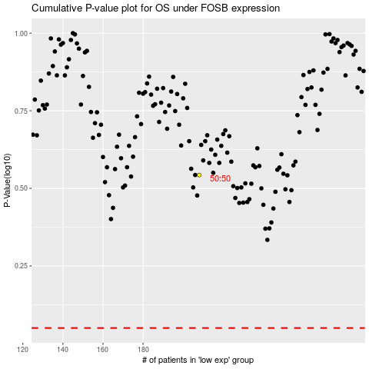

 |  |  |  |  |  | cases_OS | p_OS | rank | exp
 |  |  |  |  |  |  | cases_RFS | p_RFS | rank | exp

