FOSL2 _multivariate
Reported by Tex Li-Hsing Chi. tex@gate.sinica.edu.tw 2019-08-19

Table 2. The clinicopathological features of HNSCC cohort and FOSL2 expression. (Chi square test)
Cutoff at -0.163 (50.0%)
 |  | FOSL2 expression |  | FOSL2 expression |  | (Optimised)
 | Features | Low | (%) | High | (%) | Case no | P-value | Remark | Matthews
Gender | Female | 156 | 37.6 | 150 | 36.1 | 415 | 0.5222 | 0 | 0
2 | Male | 51 | 12.3 | 58 | 14
Age at diagnosis | <=65y | 143 | 34.5 | 131 | 31.6 | 415 | 0.2269 | 0 | 0
4 | >65y | 64 | 15.4 | 77 | 18.6
Clinical T Status | T1+T2 | 77 | 18.6 | 72 | 17.3 | 415 | 0.6556 | 0 | 0
6 | T3+T4 | 130 | 31.3 | 136 | 32.8
Clinical N Status | N0 | 98 | 23.6 | 118 | 28.4 | 415 | 0.0694 | 0 | 0
8 | N1-3 | 109 | 26.3 | 90 | 21.7
Clinical M Status | M0 | 205 | 49.4 | 207 | 49.9 | 415 | 0.6232 | 0 | 0
10 | M1 | 2 | 0.5 | 1 | 0.2
Clinical Stage | Stage I+II | 51 | 12.3 | 51 | 12.3 | 415 | 1 | 0 | 0
12 | Stage III+IV | 156 | 37.6 | 157 | 37.8
Surgical Margin status | Negative | 149 | 35.9 | 169 | 40.7 | 415 | 0.0278 | 1 | 0
14 | Positive | 58 | 14 | 39 | 9.4
Tobacco Exposure | Low | 81 | 19.5 | 80 | 19.3 | 415 | 0.9199 | 0 | 0
16 | High | 126 | 30.4 | 128 | 30.8

Table 3. Univariate/Multivariate Cox's proportional hazards regression analyses on OS time of FOSL2 gene expression in HNSCC

 |  | Univariate |  |  |  | Multivariate
 | Features | HR | CI95%(L) | CI95%(H) | P-value | HR | CI95%(L) | CI95%(H) | P-value
1 | Female | 1 |  |  |  | 1
Gender | Male | 1.157 | 0.843 | 1.587 | 0.367 | 1.203 | 0.861 | 1.679 | 0.278
11 | <=65y | 1 |  |  |  | 1
Age at diagnosis | >65y | 1.329 | 0.99 | 1.784 | 0.058 | 1.39 | 1.023 | 1.89 | 0.035
12 | T1+T2 | 1 |  |  |  | 1
Clinical T Status | T3+T4 | 1.409 | 1.028 | 1.931 | 0.033 | 2.198 | 1.162 | 4.156 | 0.015
13 | N0 | 1 |  |  |  | 1
Clinical N Status | N1-3 | 1.185 | 0.89 | 1.577 | 0.246 | 1.252 | 0.876 | 1.791 | 0.218
14 | M0 | 1 |  |  |  | 1
Clinical M Status | M1 | 4.097 | 1.009 | 16.644 | 0.049 | 9.441 | 2.06 | 43.277 | 0.004
15 | Stage I+II | 1 |  |  |  | 1
Clinical Stage | Stage III+IV | 1.245 | 0.882 | 1.759 | 0.213 | 0.502 | 0.234 | 1.079 | 0.077
16 | Negative | 1 |  |  |  | 1
Surgical Margin status | Positive | 1.591 | 1.155 | 2.191 | 0.004 | 1.681 | 1.215 | 2.324 | 0.002
17 | Low | 1 |  |  |  | 1
Tobacco Exposure | High | 1.364 | 1.008 | 1.844 | 0.044 | 1.45 | 1.053 | 1.997 | 0.023
18 | Low | 1 |  |  |  | 1
RNAseq(z-score) | High | 1.029 | 0.772 | 1.371 | 0.844 | 1.069 | 0.799 | 1.431 | 0.653

Table 4. Univariate/Multivariate Cox's proportional hazards regression analyses on RFS time of FOSL2 gene expression in HNSCC

 |  | Univariate |  |  |  | Multivariate
 | Features | HR | CI95%(L) | CI95%(H) | P-value | HR | CI95%(L) | CI95%(H) | P-value
1 | Female | 1 |  |  |  | 1
Gender | Male | 1.157 | 0.843 | 1.587 | 0.367 | 1.203 | 0.861 | 1.679 | 0.278
11 | <=65y | 1 |  |  |  | 1
Age at diagnosis | >65y | 1.329 | 0.99 | 1.784 | 0.058 | 1.39 | 1.023 | 1.89 | 0.035
12 | T1+T2 | 1 |  |  |  | 1
Clinical T Status | T3+T4 | 1.409 | 1.028 | 1.931 | 0.033 | 2.198 | 1.162 | 4.156 | 0.015
13 | N0 | 1 |  |  |  | 1
Clinical N Status | N1-3 | 1.185 | 0.89 | 1.577 | 0.246 | 1.252 | 0.876 | 1.791 | 0.218
14 | M0 | 1 |  |  |  | 1
Clinical M Status | M1 | 4.097 | 1.009 | 16.644 | 0.049 | 9.441 | 2.06 | 43.277 | 0.004
15 | Stage I+II | 1 |  |  |  | 1
Clinical Stage | Stage III+IV | 1.245 | 0.882 | 1.759 | 0.213 | 0.502 | 0.234 | 1.079 | 0.077
16 | Negative | 1 |  |  |  | 1
Surgical Margin status | Positive | 1.591 | 1.155 | 2.191 | 0.004 | 1.681 | 1.215 | 2.324 | 0.002
17 | Low | 1 |  |  |  | 1
Tobacco Exposure | High | 1.364 | 1.008 | 1.844 | 0.044 | 1.45 | 1.053 | 1.997 | 0.023
18 | Low | 1 |  |  |  | 1
RNAseq(z-score) | High | 1.029 | 0.772 | 1.371 | 0.844 | 1.069 | 0.799 | 1.431 | 0.653

Kaplan-Meier survival estimate: Cutoff at -0.163 (50.0%)



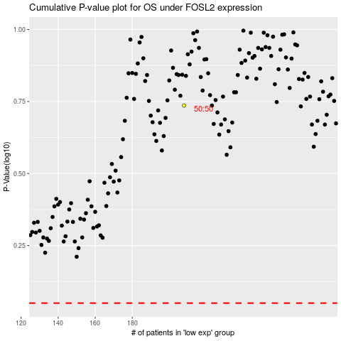

 |  |  |  |  |  | cases_OS | p_OS | rank | exp
 |  |  |  |  |  |  | cases_RFS | p_RFS | rank | exp

