FOXA1 _multivariate
Reported by Tex Li-Hsing Chi. tex@gate.sinica.edu.tw 2019-08-19

Table 2. The clinicopathological features of HNSCC cohort and FOXA1 expression. (Chi square test)
Cutoff at -0.454 (49.8%)
 |  | FOXA1 expression |  | FOXA1 expression |  | (Optimised)
 | Features | Low | (%) | High | (%) | Case no | P-value | Remark | Matthews
Gender | Female | 144 | 34.7 | 162 | 39 | 415 | 0.0697 | 0 | 0
2 | Male | 63 | 15.2 | 46 | 11.1
Age at diagnosis | <=65y | 134 | 32.3 | 140 | 33.7 | 415 | 0.6529 | 0 | 0
4 | >65y | 73 | 17.6 | 68 | 16.4
Clinical T Status | T1+T2 | 70 | 16.9 | 79 | 19 | 415 | 0.4343 | 0 | 0
6 | T3+T4 | 137 | 33 | 129 | 31.1
Clinical N Status | N0 | 106 | 25.5 | 110 | 26.5 | 415 | 0.8075 | 0 | 0
8 | N1-3 | 101 | 24.3 | 98 | 23.6
Clinical M Status | M0 | 205 | 49.4 | 207 | 49.9 | 415 | 0.6232 | 0 | 0
10 | M1 | 2 | 0.5 | 1 | 0.2
Clinical Stage | Stage I+II | 51 | 12.3 | 51 | 12.3 | 415 | 1 | 0 | 0
12 | Stage III+IV | 156 | 37.6 | 157 | 37.8
Surgical Margin status | Negative | 159 | 38.3 | 159 | 38.3 | 415 | 1 | 0 | 0
14 | Positive | 48 | 11.6 | 49 | 11.8
Tobacco Exposure | Low | 97 | 23.4 | 64 | 15.4 | 415 | 9e-04 | 1 | 0
16 | High | 110 | 26.5 | 144 | 34.7

Table 3. Univariate/Multivariate Cox's proportional hazards regression analyses on OS time of FOXA1 gene expression in HNSCC

 |  | Univariate |  |  |  | Multivariate
 | Features | HR | CI95%(L) | CI95%(H) | P-value | HR | CI95%(L) | CI95%(H) | P-value
1 | Female | 1 |  |  |  | 1
Gender | Male | 1.157 | 0.843 | 1.587 | 0.367 | 1.175 | 0.838 | 1.646 | 0.35
11 | <=65y | 1 |  |  |  | 1
Age at diagnosis | >65y | 1.329 | 0.99 | 1.784 | 0.058 | 1.408 | 1.034 | 1.917 | 0.03
12 | T1+T2 | 1 |  |  |  | 1
Clinical T Status | T3+T4 | 1.409 | 1.028 | 1.931 | 0.033 | 2.124 | 1.119 | 4.031 | 0.021
13 | N0 | 1 |  |  |  | 1
Clinical N Status | N1-3 | 1.185 | 0.89 | 1.577 | 0.246 | 1.237 | 0.867 | 1.764 | 0.242
14 | M0 | 1 |  |  |  | 1
Clinical M Status | M1 | 4.097 | 1.009 | 16.644 | 0.049 | 8.672 | 1.878 | 40.052 | 0.006
15 | Stage I+II | 1 |  |  |  | 1
Clinical Stage | Stage III+IV | 1.245 | 0.882 | 1.759 | 0.213 | 0.523 | 0.243 | 1.127 | 0.098
16 | Negative | 1 |  |  |  | 1
Surgical Margin status | Positive | 1.591 | 1.155 | 2.191 | 0.004 | 1.654 | 1.196 | 2.286 | 0.002
17 | Low | 1 |  |  |  | 1
Tobacco Exposure | High | 1.364 | 1.008 | 1.844 | 0.044 | 1.501 | 1.082 | 2.082 | 0.015
18 | Low | 1 |  |  |  | 1
RNAseq(z-score) | High | 0.851 | 0.638 | 1.135 | 0.272 | 0.852 | 0.631 | 1.15 | 0.295

Table 4. Univariate/Multivariate Cox's proportional hazards regression analyses on RFS time of FOXA1 gene expression in HNSCC

 |  | Univariate |  |  |  | Multivariate
 | Features | HR | CI95%(L) | CI95%(H) | P-value | HR | CI95%(L) | CI95%(H) | P-value
1 | Female | 1 |  |  |  | 1
Gender | Male | 1.157 | 0.843 | 1.587 | 0.367 | 1.175 | 0.838 | 1.646 | 0.35
11 | <=65y | 1 |  |  |  | 1
Age at diagnosis | >65y | 1.329 | 0.99 | 1.784 | 0.058 | 1.408 | 1.034 | 1.917 | 0.03
12 | T1+T2 | 1 |  |  |  | 1
Clinical T Status | T3+T4 | 1.409 | 1.028 | 1.931 | 0.033 | 2.124 | 1.119 | 4.031 | 0.021
13 | N0 | 1 |  |  |  | 1
Clinical N Status | N1-3 | 1.185 | 0.89 | 1.577 | 0.246 | 1.237 | 0.867 | 1.764 | 0.242
14 | M0 | 1 |  |  |  | 1
Clinical M Status | M1 | 4.097 | 1.009 | 16.644 | 0.049 | 8.672 | 1.878 | 40.052 | 0.006
15 | Stage I+II | 1 |  |  |  | 1
Clinical Stage | Stage III+IV | 1.245 | 0.882 | 1.759 | 0.213 | 0.523 | 0.243 | 1.127 | 0.098
16 | Negative | 1 |  |  |  | 1
Surgical Margin status | Positive | 1.591 | 1.155 | 2.191 | 0.004 | 1.654 | 1.196 | 2.286 | 0.002
17 | Low | 1 |  |  |  | 1
Tobacco Exposure | High | 1.364 | 1.008 | 1.844 | 0.044 | 1.501 | 1.082 | 2.082 | 0.015
18 | Low | 1 |  |  |  | 1
RNAseq(z-score) | High | 0.851 | 0.638 | 1.135 | 0.272 | 0.852 | 0.631 | 1.15 | 0.295

Kaplan-Meier survival estimate: Cutoff at -0.454 (49.8%)



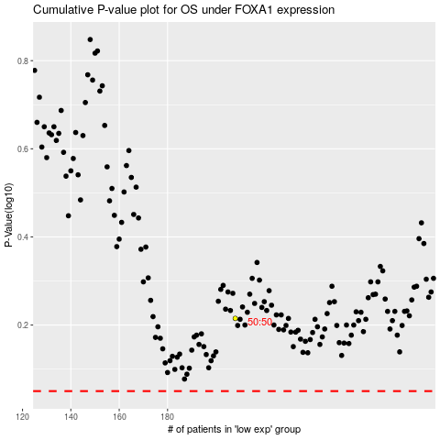

 |  |  |  |  |  | cases_OS | p_OS | rank | exp
 |  |  |  |  |  |  | cases_RFS | p_RFS | rank | exp

