FOXA3 _multivariate
Reported by Tex Li-Hsing Chi. tex@gate.sinica.edu.tw 2019-08-19

Table 2. The clinicopathological features of HNSCC cohort and FOXA3 expression. (Chi square test)
Cutoff at -0.258 (50.0%)
 |  | FOXA3 expression |  | FOXA3 expression |  | (Optimised)
 | Features | Low | (%) | High | (%) | Case no | P-value | Remark | Matthews
Gender | Female | 142 | 34.2 | 164 | 39.5 | 415 | 0.0238 | 1 | 0
2 | Male | 65 | 15.7 | 44 | 10.6
Age at diagnosis | <=65y | 130 | 31.3 | 144 | 34.7 | 415 | 0.2009 | 0 | 0
4 | >65y | 77 | 18.6 | 64 | 15.4
Clinical T Status | T1+T2 | 87 | 21 | 62 | 14.9 | 415 | 0.0127 | 1 | 0
6 | T3+T4 | 120 | 28.9 | 146 | 35.2
Clinical N Status | N0 | 108 | 26 | 108 | 26 | 415 | 1 | 0 | 0
8 | N1-3 | 99 | 23.9 | 100 | 24.1
Clinical M Status | M0 | 204 | 49.2 | 208 | 50.1 | 415 | 0.1232 | 0 | 0
10 | M1 | 3 | 0.7 | 0 | 0
Clinical Stage | Stage I+II | 60 | 14.5 | 42 | 10.1 | 415 | 0.0493 | 1 | 0
12 | Stage III+IV | 147 | 35.4 | 166 | 40
Surgical Margin status | Negative | 161 | 38.8 | 157 | 37.8 | 415 | 0.6429 | 0 | 0
14 | Positive | 46 | 11.1 | 51 | 12.3
Tobacco Exposure | Low | 101 | 24.3 | 60 | 14.5 | 415 | 0 | 1 | 0
16 | High | 106 | 25.5 | 148 | 35.7

Table 3. Univariate/Multivariate Cox's proportional hazards regression analyses on OS time of FOXA3 gene expression in HNSCC

 |  | Univariate |  |  |  | Multivariate
 | Features | HR | CI95%(L) | CI95%(H) | P-value | HR | CI95%(L) | CI95%(H) | P-value
1 | Female | 1 |  |  |  | 1
Gender | Male | 1.157 | 0.843 | 1.587 | 0.367 | 1.183 | 0.845 | 1.655 | 0.328
11 | <=65y | 1 |  |  |  | 1
Age at diagnosis | >65y | 1.329 | 0.99 | 1.784 | 0.058 | 1.376 | 1.011 | 1.872 | 0.042
12 | T1+T2 | 1 |  |  |  | 1
Clinical T Status | T3+T4 | 1.409 | 1.028 | 1.931 | 0.033 | 2.225 | 1.176 | 4.208 | 0.014
13 | N0 | 1 |  |  |  | 1
Clinical N Status | N1-3 | 1.185 | 0.89 | 1.577 | 0.246 | 1.23 | 0.862 | 1.754 | 0.254
14 | M0 | 1 |  |  |  | 1
Clinical M Status | M1 | 4.097 | 1.009 | 16.644 | 0.049 | 8.553 | 1.856 | 39.412 | 0.006
15 | Stage I+II | 1 |  |  |  | 1
Clinical Stage | Stage III+IV | 1.245 | 0.882 | 1.759 | 0.213 | 0.507 | 0.236 | 1.088 | 0.081
16 | Negative | 1 |  |  |  | 1
Surgical Margin status | Positive | 1.591 | 1.155 | 2.191 | 0.004 | 1.707 | 1.233 | 2.361 | 0.001
17 | Low | 1 |  |  |  | 1
Tobacco Exposure | High | 1.364 | 1.008 | 1.844 | 0.044 | 1.527 | 1.098 | 2.124 | 0.012
18 | Low | 1 |  |  |  | 1
RNAseq(z-score) | High | 0.869 | 0.652 | 1.157 | 0.335 | 0.809 | 0.599 | 1.092 | 0.166

Table 4. Univariate/Multivariate Cox's proportional hazards regression analyses on RFS time of FOXA3 gene expression in HNSCC

 |  | Univariate |  |  |  | Multivariate
 | Features | HR | CI95%(L) | CI95%(H) | P-value | HR | CI95%(L) | CI95%(H) | P-value
1 | Female | 1 |  |  |  | 1
Gender | Male | 1.157 | 0.843 | 1.587 | 0.367 | 1.183 | 0.845 | 1.655 | 0.328
11 | <=65y | 1 |  |  |  | 1
Age at diagnosis | >65y | 1.329 | 0.99 | 1.784 | 0.058 | 1.376 | 1.011 | 1.872 | 0.042
12 | T1+T2 | 1 |  |  |  | 1
Clinical T Status | T3+T4 | 1.409 | 1.028 | 1.931 | 0.033 | 2.225 | 1.176 | 4.208 | 0.014
13 | N0 | 1 |  |  |  | 1
Clinical N Status | N1-3 | 1.185 | 0.89 | 1.577 | 0.246 | 1.23 | 0.862 | 1.754 | 0.254
14 | M0 | 1 |  |  |  | 1
Clinical M Status | M1 | 4.097 | 1.009 | 16.644 | 0.049 | 8.553 | 1.856 | 39.412 | 0.006
15 | Stage I+II | 1 |  |  |  | 1
Clinical Stage | Stage III+IV | 1.245 | 0.882 | 1.759 | 0.213 | 0.507 | 0.236 | 1.088 | 0.081
16 | Negative | 1 |  |  |  | 1
Surgical Margin status | Positive | 1.591 | 1.155 | 2.191 | 0.004 | 1.707 | 1.233 | 2.361 | 0.001
17 | Low | 1 |  |  |  | 1
Tobacco Exposure | High | 1.364 | 1.008 | 1.844 | 0.044 | 1.527 | 1.098 | 2.124 | 0.012
18 | Low | 1 |  |  |  | 1
RNAseq(z-score) | High | 0.869 | 0.652 | 1.157 | 0.335 | 0.809 | 0.599 | 1.092 | 0.166

Kaplan-Meier survival estimate: Cutoff at -0.258 (50.0%)



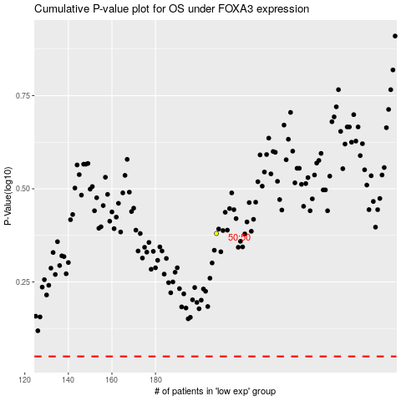

 |  |  |  |  |  | cases_OS | p_OS | rank | exp
 |  |  |  |  |  |  | cases_RFS | p_RFS | rank | exp

