FOXD2 _multivariate
Reported by Tex Li-Hsing Chi. tex@gate.sinica.edu.tw 2019-08-19

Table 2. The clinicopathological features of HNSCC cohort and FOXD2 expression. (Chi square test)
Cutoff at -0.436 (30.4%)
 |  | FOXD2 expression |  | FOXD2 expression |  | (Optimised)
 | Features | Low | (%) | High | (%) | Case no | P-value | Remark | Matthews
Gender | Female | 96 | 23.1 | 210 | 50.6 | 415 | 0.5292 | 0 | 0
2 | Male | 30 | 7.2 | 79 | 19
Age at diagnosis | <=65y | 84 | 20.2 | 190 | 45.8 | 415 | 0.9444 | 0 | 0
4 | >65y | 42 | 10.1 | 99 | 23.9
Clinical T Status | T1+T2 | 52 | 12.5 | 97 | 23.4 | 415 | 0.1635 | 0 | 0
6 | T3+T4 | 74 | 17.8 | 192 | 46.3
Clinical N Status | N0 | 70 | 16.9 | 146 | 35.2 | 415 | 0.4023 | 0 | 0
8 | N1-3 | 56 | 13.5 | 143 | 34.5
Clinical M Status | M0 | 125 | 30.1 | 287 | 69.2 | 415 | 1 | 0 | 0
10 | M1 | 1 | 0.2 | 2 | 0.5
Clinical Stage | Stage I+II | 34 | 8.2 | 68 | 16.4 | 415 | 0.5302 | 0 | 0
12 | Stage III+IV | 92 | 22.2 | 221 | 53.3
Surgical Margin status | Negative | 99 | 23.9 | 219 | 52.8 | 415 | 0.6142 | 0 | 0
14 | Positive | 27 | 6.5 | 70 | 16.9
Tobacco Exposure | Low | 53 | 12.8 | 108 | 26 | 415 | 0.3823 | 0 | 0
16 | High | 73 | 17.6 | 181 | 43.6

Table 3. Univariate/Multivariate Cox's proportional hazards regression analyses on OS time of FOXD2 gene expression in HNSCC

 |  | Univariate |  |  |  | Multivariate
 | Features | HR | CI95%(L) | CI95%(H) | P-value | HR | CI95%(L) | CI95%(H) | P-value
1 | Female | 1 |  |  |  | 1
Gender | Male | 1.157 | 0.843 | 1.587 | 0.367 | 1.215 | 0.871 | 1.696 | 0.252
11 | <=65y | 1 |  |  |  | 1
Age at diagnosis | >65y | 1.329 | 0.99 | 1.784 | 0.058 | 1.364 | 1.003 | 1.856 | 0.048
12 | T1+T2 | 1 |  |  |  | 1
Clinical T Status | T3+T4 | 1.409 | 1.028 | 1.931 | 0.033 | 2.107 | 1.112 | 3.992 | 0.022
13 | N0 | 1 |  |  |  | 1
Clinical N Status | N1-3 | 1.185 | 0.89 | 1.577 | 0.246 | 1.218 | 0.853 | 1.741 | 0.278
14 | M0 | 1 |  |  |  | 1
Clinical M Status | M1 | 4.097 | 1.009 | 16.644 | 0.049 | 9.391 | 2.048 | 43.069 | 0.004
15 | Stage I+II | 1 |  |  |  | 1
Clinical Stage | Stage III+IV | 1.245 | 0.882 | 1.759 | 0.213 | 0.515 | 0.24 | 1.106 | 0.089
16 | Negative | 1 |  |  |  | 1
Surgical Margin status | Positive | 1.591 | 1.155 | 2.191 | 0.004 | 1.702 | 1.23 | 2.354 | 0.001
17 | Low | 1 |  |  |  | 1
Tobacco Exposure | High | 1.364 | 1.008 | 1.844 | 0.044 | 1.439 | 1.045 | 1.982 | 0.026
18 | Low | 1 |  |  |  | 1
RNAseq(z-score) | High | 1.43 | 1.029 | 1.987 | 0.033 | 1.377 | 0.987 | 1.92 | 0.06

Table 4. Univariate/Multivariate Cox's proportional hazards regression analyses on RFS time of FOXD2 gene expression in HNSCC

 |  | Univariate |  |  |  | Multivariate
 | Features | HR | CI95%(L) | CI95%(H) | P-value | HR | CI95%(L) | CI95%(H) | P-value
1 | Female | 1 |  |  |  | 1
Gender | Male | 1.157 | 0.843 | 1.587 | 0.367 | 1.215 | 0.871 | 1.696 | 0.252
11 | <=65y | 1 |  |  |  | 1
Age at diagnosis | >65y | 1.329 | 0.99 | 1.784 | 0.058 | 1.364 | 1.003 | 1.856 | 0.048
12 | T1+T2 | 1 |  |  |  | 1
Clinical T Status | T3+T4 | 1.409 | 1.028 | 1.931 | 0.033 | 2.107 | 1.112 | 3.992 | 0.022
13 | N0 | 1 |  |  |  | 1
Clinical N Status | N1-3 | 1.185 | 0.89 | 1.577 | 0.246 | 1.218 | 0.853 | 1.741 | 0.278
14 | M0 | 1 |  |  |  | 1
Clinical M Status | M1 | 4.097 | 1.009 | 16.644 | 0.049 | 9.391 | 2.048 | 43.069 | 0.004
15 | Stage I+II | 1 |  |  |  | 1
Clinical Stage | Stage III+IV | 1.245 | 0.882 | 1.759 | 0.213 | 0.515 | 0.24 | 1.106 | 0.089
16 | Negative | 1 |  |  |  | 1
Surgical Margin status | Positive | 1.591 | 1.155 | 2.191 | 0.004 | 1.702 | 1.23 | 2.354 | 0.001
17 | Low | 1 |  |  |  | 1
Tobacco Exposure | High | 1.364 | 1.008 | 1.844 | 0.044 | 1.439 | 1.045 | 1.982 | 0.026
18 | Low | 1 |  |  |  | 1
RNAseq(z-score) | High | 1.43 | 1.029 | 1.987 | 0.033 | 1.377 | 0.987 | 1.92 | 0.06

Kaplan-Meier survival estimate: Cutoff at -0.436 (30.4%)

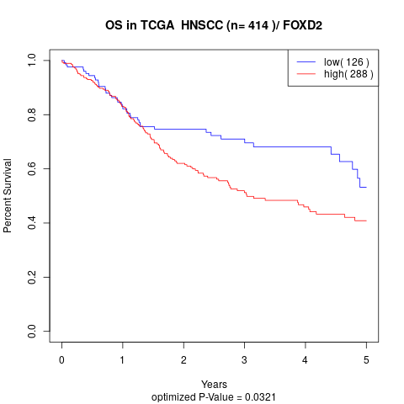

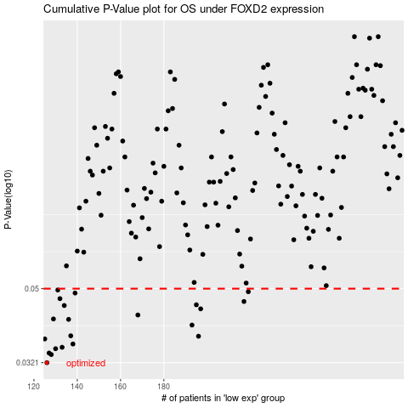

 |  |  |  |  |  | cases_OS | p_OS | rank | exp
 |  |  |  |  |  | 126 | 0.0321 | 280 | -0.43636341237
 |  |  |  |  |  | 128 | 0.0337 | 56 | -0.42363935886
 |  |  |  |  |  | 127 | 0.034 | 306 | -0.43288595293
 |  |  |  |  |  | 130 | 0.0349 | 115 | -0.41956059749
 |  |  |  |  |  | 133 | 0.0352 | 220 | -0.41017103652
 |  |  |  |  |  | 138 | 0.0359 | 133 | -0.40568439901
 |  |  |  |  |  | 125 | 0.037 | 292 | -0.43843643233
 |  |  |  |  |  | 196 | 0.0376 | 48 | -0.18180244885
 |  |  |  |  |  | 137 | 0.0377 | 304 | -0.40569280883
 |  |  |  |  |  | 193 | 0.0402 | 253 | -0.18582654641
 |  |  |  |  |  | 136 | 0.0416 | 352 | -0.4070425845
 |  |  |  |  |  | 129 | 0.0417 | 158 | -0.41993483436
 |  |  |  |  |  | 168 | 0.0427 | 99 | -0.27676190043
 |  |  |  |  |  | 197 | 0.0443 | 155 | -0.18086475423
 |  |  |  |  |  | 134 | 0.0452 | 369 | -0.40782890241
 |  |  |  |  |  | 195 | 0.0454 | 350 | -0.18432118912
 |  |  |  |  |  | 217 | 0.0463 | 401 | -0.10496194856
 |  |  |  |  |  | 132 | 0.0471 | 111 | -0.41383771684
 |  |  |  |  |  | 139 | 0.0487 | 65 | -0.38938196825
 |  |  |  |  |  | 219 | 0.0491 | 285 | -0.094722996046
 |  |  |  |  |  | 131 | 0.0496 | 298 | -0.41828651017
 |  |  |  |  |  |  | cases_RFS | p_RFS | rank | exp
 |  |  |  |  |  |  | 125 | 0.0321 | 292 | -0.43843643233
 |  |  |  |  |  |  | 127 | 0.0337 | 306 | -0.43288595293
 |  |  |  |  |  |  | 126 | 0.034 | 280 | -0.43636341237
 |  |  |  |  |  |  | 129 | 0.0349 | 158 | -0.41993483436
 |  |  |  |  |  |  | 132 | 0.0352 | 111 | -0.41383771684
 |  |  |  |  |  |  | 137 | 0.0359 | 304 | -0.40569280883
 |  |  |  |  |  |  |  | 0.037 | 311 | -0.43956334784
 |  |  |  |  |  |  | 195 | 0.0376 | 350 | -0.18432118912
 |  |  |  |  |  |  | 136 | 0.0377 | 352 | -0.4070425845
 |  |  |  |  |  |  | 192 | 0.0402 | 26 | -0.19047717536
 |  |  |  |  |  |  | 135 | 0.0416 | 110 | -0.40782049259
 |  |  |  |  |  |  | 128 | 0.0417 | 56 | -0.42363935886
 |  |  |  |  |  |  | 167 | 0.0427 | 175 | -0.27919233762
 |  |  |  |  |  |  | 196 | 0.0443 | 48 | -0.18180244885
 |  |  |  |  |  |  | 133 | 0.0452 | 220 | -0.41017103652
 |  |  |  |  |  |  | 194 | 0.0454 | 382 | -0.18566675988
 |  |  |  |  |  |  | 216 | 0.0463 | 262 | -0.11470892676
 |  |  |  |  |  |  | 131 | 0.0471 | 298 | -0.41828651017
 |  |  |  |  |  |  | 138 | 0.0487 | 133 | -0.40568439901
 |  |  |  |  |  |  | 218 | 0.0491 | 81 | -0.097763144985
 |  |  |  |  |  |  | 130 | 0.0496 | 115 | -0.41956059749

