FOXD3 _multivariate
Reported by Tex Li-Hsing Chi. tex@gate.sinica.edu.tw 2019-08-19

Table 2. The clinicopathological features of HNSCC cohort and FOXD3 expression. (Chi square test)
Cutoff at -0.334 (49.8%)
 |  | FOXD3 expression |  | FOXD3 expression |  | (Optimised)
 | Features | Low | (%) | High | (%) | Case no | P-value | Remark | Matthews
Gender | Female | 143 | 34.5 | 163 | 39.3 | 415 | 0.0416 | 1 | 0
2 | Male | 64 | 15.4 | 45 | 10.8
Age at diagnosis | <=65y | 133 | 32 | 141 | 34 | 415 | 0.5111 | 0 | 0
4 | >65y | 74 | 17.8 | 67 | 16.1
Clinical T Status | T1+T2 | 78 | 18.8 | 71 | 17.1 | 415 | 0.5152 | 0 | 0
6 | T3+T4 | 129 | 31.1 | 137 | 33
Clinical N Status | N0 | 112 | 27 | 104 | 25.1 | 415 | 0.4599 | 0 | 0
8 | N1-3 | 95 | 22.9 | 104 | 25.1
Clinical M Status | M0 | 205 | 49.4 | 207 | 49.9 | 415 | 0.6232 | 0 | 0
10 | M1 | 2 | 0.5 | 1 | 0.2
Clinical Stage | Stage I+II | 57 | 13.7 | 45 | 10.8 | 415 | 0.1998 | 0 | 0
12 | Stage III+IV | 150 | 36.1 | 163 | 39.3
Surgical Margin status | Negative | 158 | 38.1 | 160 | 38.6 | 415 | 0.9081 | 0 | 0
14 | Positive | 49 | 11.8 | 48 | 11.6
Tobacco Exposure | Low | 93 | 22.4 | 68 | 16.4 | 415 | 0.0118 | 1 | 0
16 | High | 114 | 27.5 | 140 | 33.7

Table 3. Univariate/Multivariate Cox's proportional hazards regression analyses on OS time of FOXD3 gene expression in HNSCC

 |  | Univariate |  |  |  | Multivariate
 | Features | HR | CI95%(L) | CI95%(H) | P-value | HR | CI95%(L) | CI95%(H) | P-value
1 | Female | 1 |  |  |  | 1
Gender | Male | 1.157 | 0.843 | 1.587 | 0.367 | 1.189 | 0.849 | 1.666 | 0.314
11 | <=65y | 1 |  |  |  | 1
Age at diagnosis | >65y | 1.329 | 0.99 | 1.784 | 0.058 | 1.394 | 1.025 | 1.894 | 0.034
12 | T1+T2 | 1 |  |  |  | 1
Clinical T Status | T3+T4 | 1.409 | 1.028 | 1.931 | 0.033 | 2.193 | 1.16 | 4.148 | 0.016
13 | N0 | 1 |  |  |  | 1
Clinical N Status | N1-3 | 1.185 | 0.89 | 1.577 | 0.246 | 1.245 | 0.872 | 1.776 | 0.227
14 | M0 | 1 |  |  |  | 1
Clinical M Status | M1 | 4.097 | 1.009 | 16.644 | 0.049 | 9.27 | 2.02 | 42.54 | 0.004
15 | Stage I+II | 1 |  |  |  | 1
Clinical Stage | Stage III+IV | 1.245 | 0.882 | 1.759 | 0.213 | 0.508 | 0.237 | 1.092 | 0.083
16 | Negative | 1 |  |  |  | 1
Surgical Margin status | Positive | 1.591 | 1.155 | 2.191 | 0.004 | 1.671 | 1.21 | 2.309 | 0.002
17 | Low | 1 |  |  |  | 1
Tobacco Exposure | High | 1.364 | 1.008 | 1.844 | 0.044 | 1.468 | 1.063 | 2.028 | 0.02
18 | Low | 1 |  |  |  | 1
RNAseq(z-score) | High | 0.963 | 0.723 | 1.284 | 0.799 | 0.929 | 0.692 | 1.248 | 0.624

Table 4. Univariate/Multivariate Cox's proportional hazards regression analyses on RFS time of FOXD3 gene expression in HNSCC

 |  | Univariate |  |  |  | Multivariate
 | Features | HR | CI95%(L) | CI95%(H) | P-value | HR | CI95%(L) | CI95%(H) | P-value
1 | Female | 1 |  |  |  | 1
Gender | Male | 1.157 | 0.843 | 1.587 | 0.367 | 1.189 | 0.849 | 1.666 | 0.314
11 | <=65y | 1 |  |  |  | 1
Age at diagnosis | >65y | 1.329 | 0.99 | 1.784 | 0.058 | 1.394 | 1.025 | 1.894 | 0.034
12 | T1+T2 | 1 |  |  |  | 1
Clinical T Status | T3+T4 | 1.409 | 1.028 | 1.931 | 0.033 | 2.193 | 1.16 | 4.148 | 0.016
13 | N0 | 1 |  |  |  | 1
Clinical N Status | N1-3 | 1.185 | 0.89 | 1.577 | 0.246 | 1.245 | 0.872 | 1.776 | 0.227
14 | M0 | 1 |  |  |  | 1
Clinical M Status | M1 | 4.097 | 1.009 | 16.644 | 0.049 | 9.27 | 2.02 | 42.54 | 0.004
15 | Stage I+II | 1 |  |  |  | 1
Clinical Stage | Stage III+IV | 1.245 | 0.882 | 1.759 | 0.213 | 0.508 | 0.237 | 1.092 | 0.083
16 | Negative | 1 |  |  |  | 1
Surgical Margin status | Positive | 1.591 | 1.155 | 2.191 | 0.004 | 1.671 | 1.21 | 2.309 | 0.002
17 | Low | 1 |  |  |  | 1
Tobacco Exposure | High | 1.364 | 1.008 | 1.844 | 0.044 | 1.468 | 1.063 | 2.028 | 0.02
18 | Low | 1 |  |  |  | 1
RNAseq(z-score) | High | 0.963 | 0.723 | 1.284 | 0.799 | 0.929 | 0.692 | 1.248 | 0.624

Kaplan-Meier survival estimate: Cutoff at -0.334 (49.8%)



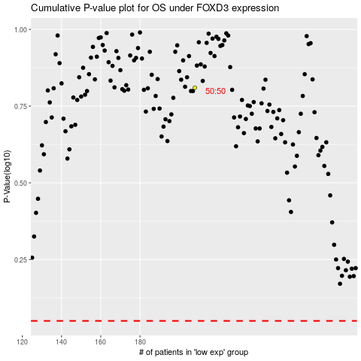

 |  |  |  |  |  | cases_OS | p_OS | rank | exp
 |  |  |  |  |  |  | cases_RFS | p_RFS | rank | exp

