FOXD4L2 _multivariate
Reported by Tex Li-Hsing Chi. tex@gate.sinica.edu.tw 2019-08-19

Table 2. The clinicopathological features of HNSCC cohort and FOXD4L2 expression. (Chi square test)
Cutoff at -0.234 (48.8%)
 |  | FOXD4L2 expression |  | FOXD4L2 expression |  | (Optimised)
 | Features | Low | (%) | High | (%) | Case no | P-value | Remark | Matthews
Gender | Female | 148 | 35.7 | 158 | 38.1 | 415 | 0.921 | 0 | 0
2 | Male | 54 | 13 | 55 | 13.3
Age at diagnosis | <=65y | 139 | 33.5 | 135 | 32.5 | 415 | 0.2873 | 0 | 0
4 | >65y | 63 | 15.2 | 78 | 18.8
Clinical T Status | T1+T2 | 59 | 14.2 | 90 | 21.7 | 415 | 0.0077 | 1 | 0
6 | T3+T4 | 143 | 34.5 | 123 | 29.6
Clinical N Status | N0 | 100 | 24.1 | 116 | 28 | 415 | 0.362 | 0 | 0
8 | N1-3 | 102 | 24.6 | 97 | 23.4
Clinical M Status | M0 | 200 | 48.2 | 212 | 51.1 | 415 | 0.6144 | 0 | 0
10 | M1 | 2 | 0.5 | 1 | 0.2
Clinical Stage | Stage I+II | 42 | 10.1 | 60 | 14.5 | 415 | 0.103 | 0 | 0
12 | Stage III+IV | 160 | 38.6 | 153 | 36.9
Surgical Margin status | Negative | 157 | 37.8 | 161 | 38.8 | 415 | 0.6435 | 0 | 0
14 | Positive | 45 | 10.8 | 52 | 12.5
Tobacco Exposure | Low | 71 | 17.1 | 90 | 21.7 | 415 | 0.1583 | 0 | 0
16 | High | 131 | 31.6 | 123 | 29.6

Table 3. Univariate/Multivariate Cox's proportional hazards regression analyses on OS time of FOXD4L2 gene expression in HNSCC

 |  | Univariate |  |  |  | Multivariate
 | Features | HR | CI95%(L) | CI95%(H) | P-value | HR | CI95%(L) | CI95%(H) | P-value
1 | Female | 1 |  |  |  | 1
Gender | Male | 1.157 | 0.843 | 1.587 | 0.367 | 1.175 | 0.84 | 1.643 | 0.347
11 | <=65y | 1 |  |  |  | 1
Age at diagnosis | >65y | 1.329 | 0.99 | 1.784 | 0.058 | 1.41 | 1.036 | 1.918 | 0.029
12 | T1+T2 | 1 |  |  |  | 1
Clinical T Status | T3+T4 | 1.409 | 1.028 | 1.931 | 0.033 | 2.028 | 1.067 | 3.857 | 0.031
13 | N0 | 1 |  |  |  | 1
Clinical N Status | N1-3 | 1.185 | 0.89 | 1.577 | 0.246 | 1.236 | 0.866 | 1.764 | 0.243
14 | M0 | 1 |  |  |  | 1
Clinical M Status | M1 | 4.097 | 1.009 | 16.644 | 0.049 | 8.576 | 1.866 | 39.424 | 0.006
15 | Stage I+II | 1 |  |  |  | 1
Clinical Stage | Stage III+IV | 1.245 | 0.882 | 1.759 | 0.213 | 0.528 | 0.246 | 1.134 | 0.101
16 | Negative | 1 |  |  |  | 1
Surgical Margin status | Positive | 1.591 | 1.155 | 2.191 | 0.004 | 1.693 | 1.225 | 2.34 | 0.001
17 | Low | 1 |  |  |  | 1
Tobacco Exposure | High | 1.364 | 1.008 | 1.844 | 0.044 | 1.46 | 1.059 | 2.015 | 0.021
18 | Low | 1 |  |  |  | 1
RNAseq(z-score) | High | 0.73 | 0.547 | 0.975 | 0.033 | 0.758 | 0.565 | 1.017 | 0.064

Table 4. Univariate/Multivariate Cox's proportional hazards regression analyses on RFS time of FOXD4L2 gene expression in HNSCC

 |  | Univariate |  |  |  | Multivariate
 | Features | HR | CI95%(L) | CI95%(H) | P-value | HR | CI95%(L) | CI95%(H) | P-value
1 | Female | 1 |  |  |  | 1
Gender | Male | 1.157 | 0.843 | 1.587 | 0.367 | 1.175 | 0.84 | 1.643 | 0.347
11 | <=65y | 1 |  |  |  | 1
Age at diagnosis | >65y | 1.329 | 0.99 | 1.784 | 0.058 | 1.41 | 1.036 | 1.918 | 0.029
12 | T1+T2 | 1 |  |  |  | 1
Clinical T Status | T3+T4 | 1.409 | 1.028 | 1.931 | 0.033 | 2.028 | 1.067 | 3.857 | 0.031
13 | N0 | 1 |  |  |  | 1
Clinical N Status | N1-3 | 1.185 | 0.89 | 1.577 | 0.246 | 1.236 | 0.866 | 1.764 | 0.243
14 | M0 | 1 |  |  |  | 1
Clinical M Status | M1 | 4.097 | 1.009 | 16.644 | 0.049 | 8.576 | 1.866 | 39.424 | 0.006
15 | Stage I+II | 1 |  |  |  | 1
Clinical Stage | Stage III+IV | 1.245 | 0.882 | 1.759 | 0.213 | 0.528 | 0.246 | 1.134 | 0.101
16 | Negative | 1 |  |  |  | 1
Surgical Margin status | Positive | 1.591 | 1.155 | 2.191 | 0.004 | 1.693 | 1.225 | 2.34 | 0.001
17 | Low | 1 |  |  |  | 1
Tobacco Exposure | High | 1.364 | 1.008 | 1.844 | 0.044 | 1.46 | 1.059 | 2.015 | 0.021
18 | Low | 1 |  |  |  | 1
RNAseq(z-score) | High | 0.73 | 0.547 | 0.975 | 0.033 | 0.758 | 0.565 | 1.017 | 0.064

Kaplan-Meier survival estimate: Cutoff at -0.234 (48.8%)

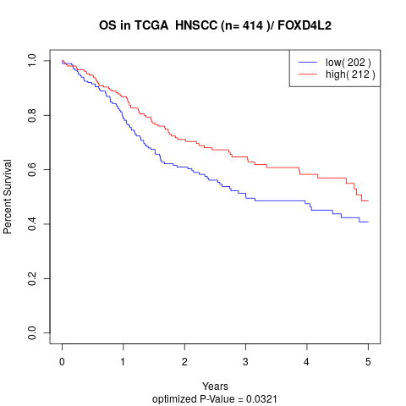

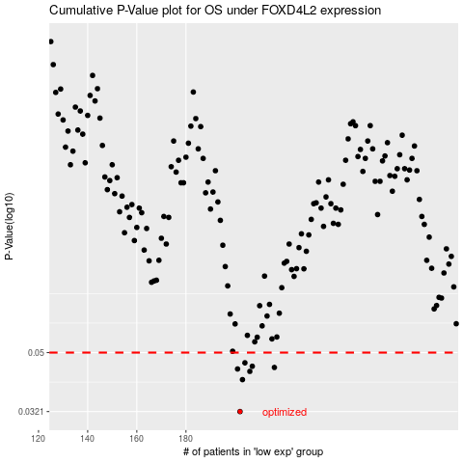

 |  |  |  |  |  | cases_OS | p_OS | rank | exp
 |  |  |  |  |  | 202 | 0.0321 | 105 | -0.23377025278
 |  |  |  |  |  | 203 | 0.0408 | 383 | -0.23093302614
 |  |  |  |  |  | 206 | 0.0434 | 315 | -0.22379942773
 |  |  |  |  |  | 201 | 0.0442 | 377 | -0.23897859026
 |  |  |  |  |  | 216 | 0.0447 | 71 | -0.21005914442
 |  |  |  |  |  | 207 | 0.0451 | 350 | -0.2236980982
 |  |  |  |  |  | 204 | 0.0463 | 6 | -0.23038584671
 |  |  |  |  |  |  | cases_RFS | p_RFS | rank | exp
 |  |  |  |  |  |  | 201 | 0.0321 | 377 | -0.23897859026
 |  |  |  |  |  |  | 202 | 0.0408 | 105 | -0.23377025278
 |  |  |  |  |  |  | 205 | 0.0434 | 12 | -0.22483298886
 |  |  |  |  |  |  | 200 | 0.0442 | 349 | -0.24396400278
 |  |  |  |  |  |  | 215 | 0.0447 | 206 | -0.21326115735
 |  |  |  |  |  |  | 206 | 0.0451 | 315 | -0.22379942773
 |  |  |  |  |  |  | 203 | 0.0463 | 383 | -0.23093302614

