FOXD4L6 _multivariate
Reported by Tex Li-Hsing Chi. tex@gate.sinica.edu.tw 2019-08-19

Table 2. The clinicopathological features of HNSCC cohort and FOXD4L6 expression. (Chi square test)
Cutoff at -0.149 (50.0%)
 |  | FOXD4L6 expression |  | FOXD4L6 expression |  | (Optimised)
 | Features | Low | (%) | High | (%) | Case no | P-value | Remark | Matthews
Gender | Female | 152 | 36.6 | 154 | 37.1 | 415 | 0.9766 | 0 | 0
2 | Male | 55 | 13.3 | 54 | 13
Age at diagnosis | <=65y | 134 | 32.3 | 140 | 33.7 | 415 | 0.6529 | 0 | 0
4 | >65y | 73 | 17.6 | 68 | 16.4
Clinical T Status | T1+T2 | 65 | 15.7 | 84 | 20.2 | 415 | 0.0711 | 0 | 0
6 | T3+T4 | 142 | 34.2 | 124 | 29.9
Clinical N Status | N0 | 100 | 24.1 | 116 | 28 | 415 | 0.1548 | 0 | 0
8 | N1-3 | 107 | 25.8 | 92 | 22.2
Clinical M Status | M0 | 205 | 49.4 | 207 | 49.9 | 415 | 0.6232 | 0 | 0
10 | M1 | 2 | 0.5 | 1 | 0.2
Clinical Stage | Stage I+II | 46 | 11.1 | 56 | 13.5 | 415 | 0.3182 | 0 | 0
12 | Stage III+IV | 161 | 38.8 | 152 | 36.6
Surgical Margin status | Negative | 169 | 40.7 | 149 | 35.9 | 415 | 0.0201 | 1 | 0
14 | Positive | 38 | 9.2 | 59 | 14.2
Tobacco Exposure | Low | 64 | 15.4 | 97 | 23.4 | 415 | 0.0012 | 1 | 0
16 | High | 143 | 34.5 | 111 | 26.7

Table 3. Univariate/Multivariate Cox's proportional hazards regression analyses on OS time of FOXD4L6 gene expression in HNSCC

 |  | Univariate |  |  |  | Multivariate
 | Features | HR | CI95%(L) | CI95%(H) | P-value | HR | CI95%(L) | CI95%(H) | P-value
1 | Female | 1 |  |  |  | 1
Gender | Male | 1.157 | 0.843 | 1.587 | 0.367 | 1.194 | 0.855 | 1.669 | 0.298
11 | <=65y | 1 |  |  |  | 1
Age at diagnosis | >65y | 1.329 | 0.99 | 1.784 | 0.058 | 1.383 | 1.016 | 1.881 | 0.039
12 | T1+T2 | 1 |  |  |  | 1
Clinical T Status | T3+T4 | 1.409 | 1.028 | 1.931 | 0.033 | 2.161 | 1.139 | 4.1 | 0.018
13 | N0 | 1 |  |  |  | 1
Clinical N Status | N1-3 | 1.185 | 0.89 | 1.577 | 0.246 | 1.222 | 0.854 | 1.75 | 0.273
14 | M0 | 1 |  |  |  | 1
Clinical M Status | M1 | 4.097 | 1.009 | 16.644 | 0.049 | 9.239 | 2.013 | 42.395 | 0.004
15 | Stage I+II | 1 |  |  |  | 1
Clinical Stage | Stage III+IV | 1.245 | 0.882 | 1.759 | 0.213 | 0.513 | 0.239 | 1.104 | 0.088
16 | Negative | 1 |  |  |  | 1
Surgical Margin status | Positive | 1.591 | 1.155 | 2.191 | 0.004 | 1.698 | 1.224 | 2.357 | 0.002
17 | Low | 1 |  |  |  | 1
Tobacco Exposure | High | 1.364 | 1.008 | 1.844 | 0.044 | 1.437 | 1.041 | 1.984 | 0.027
18 | Low | 1 |  |  |  | 1
RNAseq(z-score) | High | 0.864 | 0.647 | 1.153 | 0.32 | 0.915 | 0.677 | 1.236 | 0.563

Table 4. Univariate/Multivariate Cox's proportional hazards regression analyses on RFS time of FOXD4L6 gene expression in HNSCC

 |  | Univariate |  |  |  | Multivariate
 | Features | HR | CI95%(L) | CI95%(H) | P-value | HR | CI95%(L) | CI95%(H) | P-value
1 | Female | 1 |  |  |  | 1
Gender | Male | 1.157 | 0.843 | 1.587 | 0.367 | 1.194 | 0.855 | 1.669 | 0.298
11 | <=65y | 1 |  |  |  | 1
Age at diagnosis | >65y | 1.329 | 0.99 | 1.784 | 0.058 | 1.383 | 1.016 | 1.881 | 0.039
12 | T1+T2 | 1 |  |  |  | 1
Clinical T Status | T3+T4 | 1.409 | 1.028 | 1.931 | 0.033 | 2.161 | 1.139 | 4.1 | 0.018
13 | N0 | 1 |  |  |  | 1
Clinical N Status | N1-3 | 1.185 | 0.89 | 1.577 | 0.246 | 1.222 | 0.854 | 1.75 | 0.273
14 | M0 | 1 |  |  |  | 1
Clinical M Status | M1 | 4.097 | 1.009 | 16.644 | 0.049 | 9.239 | 2.013 | 42.395 | 0.004
15 | Stage I+II | 1 |  |  |  | 1
Clinical Stage | Stage III+IV | 1.245 | 0.882 | 1.759 | 0.213 | 0.513 | 0.239 | 1.104 | 0.088
16 | Negative | 1 |  |  |  | 1
Surgical Margin status | Positive | 1.591 | 1.155 | 2.191 | 0.004 | 1.698 | 1.224 | 2.357 | 0.002
17 | Low | 1 |  |  |  | 1
Tobacco Exposure | High | 1.364 | 1.008 | 1.844 | 0.044 | 1.437 | 1.041 | 1.984 | 0.027
18 | Low | 1 |  |  |  | 1
RNAseq(z-score) | High | 0.864 | 0.647 | 1.153 | 0.32 | 0.915 | 0.677 | 1.236 | 0.563

Kaplan-Meier survival estimate: Cutoff at -0.149 (50.0%)



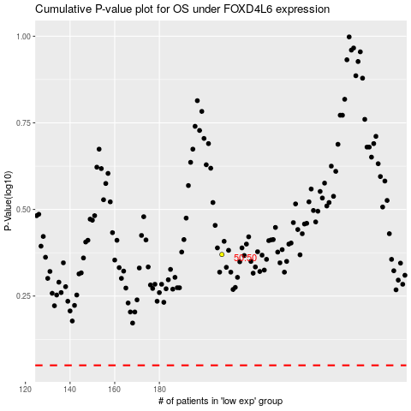

 |  |  |  |  |  | cases_OS | p_OS | rank | exp
 |  |  |  |  |  |  | cases_RFS | p_RFS | rank | exp

