FOXF2 _multivariate
Reported by Tex Li-Hsing Chi. tex@gate.sinica.edu.tw 2019-08-19

Table 2. The clinicopathological features of HNSCC cohort and FOXF2 expression. (Chi square test)
Cutoff at -0.387 (35.0%)
 |  | FOXF2 expression |  | FOXF2 expression |  | (Optimised)
 | Features | Low | (%) | High | (%) | Case no | P-value | Remark | Matthews
Gender | Female | 116 | 28 | 190 | 45.8 | 415 | 0.0446 | 1 | 0
2 | Male | 29 | 7 | 80 | 19.3
Age at diagnosis | <=65y | 105 | 25.3 | 169 | 40.7 | 415 | 0.0567 | 0 | 0
4 | >65y | 40 | 9.6 | 101 | 24.3
Clinical T Status | T1+T2 | 52 | 12.5 | 97 | 23.4 | 415 | 1 | 0 | 0
6 | T3+T4 | 93 | 22.4 | 173 | 41.7
Clinical N Status | N0 | 69 | 16.6 | 147 | 35.4 | 415 | 0.2186 | 0 | 0
8 | N1-3 | 76 | 18.3 | 123 | 29.6
Clinical M Status | M0 | 144 | 34.7 | 268 | 64.6 | 415 | 1 | 0 | 0
10 | M1 | 1 | 0.2 | 2 | 0.5
Clinical Stage | Stage I+II | 28 | 6.7 | 74 | 17.8 | 415 | 0.0878 | 0 | 0
12 | Stage III+IV | 117 | 28.2 | 196 | 47.2
Surgical Margin status | Negative | 108 | 26 | 210 | 50.6 | 415 | 0.4669 | 0 | 0
14 | Positive | 37 | 8.9 | 60 | 14.5
Tobacco Exposure | Low | 60 | 14.5 | 101 | 24.3 | 415 | 0.4602 | 0 | 0
16 | High | 85 | 20.5 | 169 | 40.7

Table 3. Univariate/Multivariate Cox's proportional hazards regression analyses on OS time of FOXF2 gene expression in HNSCC

 |  | Univariate |  |  |  | Multivariate
 | Features | HR | CI95%(L) | CI95%(H) | P-value | HR | CI95%(L) | CI95%(H) | P-value
1 | Female | 1 |  |  |  | 1
Gender | Male | 1.157 | 0.843 | 1.587 | 0.367 | 1.184 | 0.848 | 1.653 | 0.322
11 | <=65y | 1 |  |  |  | 1
Age at diagnosis | >65y | 1.329 | 0.99 | 1.784 | 0.058 | 1.361 | 1.001 | 1.852 | 0.049
12 | T1+T2 | 1 |  |  |  | 1
Clinical T Status | T3+T4 | 1.409 | 1.028 | 1.931 | 0.033 | 2.101 | 1.108 | 3.983 | 0.023
13 | N0 | 1 |  |  |  | 1
Clinical N Status | N1-3 | 1.185 | 0.89 | 1.577 | 0.246 | 1.238 | 0.868 | 1.766 | 0.239
14 | M0 | 1 |  |  |  | 1
Clinical M Status | M1 | 4.097 | 1.009 | 16.644 | 0.049 | 8.901 | 1.94 | 40.842 | 0.005
15 | Stage I+II | 1 |  |  |  | 1
Clinical Stage | Stage III+IV | 1.245 | 0.882 | 1.759 | 0.213 | 0.549 | 0.254 | 1.187 | 0.128
16 | Negative | 1 |  |  |  | 1
Surgical Margin status | Positive | 1.591 | 1.155 | 2.191 | 0.004 | 1.678 | 1.214 | 2.318 | 0.002
17 | Low | 1 |  |  |  | 1
Tobacco Exposure | High | 1.364 | 1.008 | 1.844 | 0.044 | 1.407 | 1.019 | 1.941 | 0.038
18 | Low | 1 |  |  |  | 1
RNAseq(z-score) | High | 1.379 | 1.014 | 1.876 | 0.04 | 1.33 | 0.972 | 1.82 | 0.074

Table 4. Univariate/Multivariate Cox's proportional hazards regression analyses on RFS time of FOXF2 gene expression in HNSCC

 |  | Univariate |  |  |  | Multivariate
 | Features | HR | CI95%(L) | CI95%(H) | P-value | HR | CI95%(L) | CI95%(H) | P-value
1 | Female | 1 |  |  |  | 1
Gender | Male | 1.157 | 0.843 | 1.587 | 0.367 | 1.184 | 0.848 | 1.653 | 0.322
11 | <=65y | 1 |  |  |  | 1
Age at diagnosis | >65y | 1.329 | 0.99 | 1.784 | 0.058 | 1.361 | 1.001 | 1.852 | 0.049
12 | T1+T2 | 1 |  |  |  | 1
Clinical T Status | T3+T4 | 1.409 | 1.028 | 1.931 | 0.033 | 2.101 | 1.108 | 3.983 | 0.023
13 | N0 | 1 |  |  |  | 1
Clinical N Status | N1-3 | 1.185 | 0.89 | 1.577 | 0.246 | 1.238 | 0.868 | 1.766 | 0.239
14 | M0 | 1 |  |  |  | 1
Clinical M Status | M1 | 4.097 | 1.009 | 16.644 | 0.049 | 8.901 | 1.94 | 40.842 | 0.005
15 | Stage I+II | 1 |  |  |  | 1
Clinical Stage | Stage III+IV | 1.245 | 0.882 | 1.759 | 0.213 | 0.549 | 0.254 | 1.187 | 0.128
16 | Negative | 1 |  |  |  | 1
Surgical Margin status | Positive | 1.591 | 1.155 | 2.191 | 0.004 | 1.678 | 1.214 | 2.318 | 0.002
17 | Low | 1 |  |  |  | 1
Tobacco Exposure | High | 1.364 | 1.008 | 1.844 | 0.044 | 1.407 | 1.019 | 1.941 | 0.038
18 | Low | 1 |  |  |  | 1
RNAseq(z-score) | High | 1.379 | 1.014 | 1.876 | 0.04 | 1.33 | 0.972 | 1.82 | 0.074

Kaplan-Meier survival estimate: Cutoff at -0.387 (35.0%)



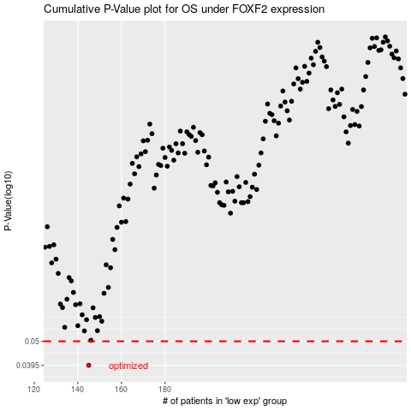

 |  |  |  |  |  | cases_OS | p_OS | rank | exp
 |  |  |  |  |  | 145 | 0.0395 | 92 | -0.38677416107
 |  |  |  |  |  |  | cases_RFS | p_RFS | rank | exp
 |  |  |  |  |  |  | 144 | 0.0395 | 182 | -0.38707333143

