FOXJ2 _multivariate
Reported by Tex Li-Hsing Chi. tex@gate.sinica.edu.tw 2019-08-19

Table 2. The clinicopathological features of HNSCC cohort and FOXJ2 expression. (Chi square test)
Cutoff at -0.131 (49.8%)
 |  | FOXJ2 expression |  | FOXJ2 expression |  | (Optimised)
 | Features | Low | (%) | High | (%) | Case no | P-value | Remark | Matthews
Gender | Female | 145 | 34.9 | 161 | 38.8 | 415 | 0.1116 | 0 | 0
2 | Male | 62 | 14.9 | 47 | 11.3
Age at diagnosis | <=65y | 135 | 32.5 | 139 | 33.5 | 415 | 0.8084 | 0 | 0
4 | >65y | 72 | 17.3 | 69 | 16.6
Clinical T Status | T1+T2 | 71 | 17.1 | 78 | 18.8 | 415 | 0.5638 | 0 | 0
6 | T3+T4 | 136 | 32.8 | 130 | 31.3
Clinical N Status | N0 | 112 | 27 | 104 | 25.1 | 415 | 0.4599 | 0 | 0
8 | N1-3 | 95 | 22.9 | 104 | 25.1
Clinical M Status | M0 | 205 | 49.4 | 207 | 49.9 | 415 | 0.6232 | 0 | 0
10 | M1 | 2 | 0.5 | 1 | 0.2
Clinical Stage | Stage I+II | 53 | 12.8 | 49 | 11.8 | 415 | 0.7113 | 0 | 0
12 | Stage III+IV | 154 | 37.1 | 159 | 38.3
Surgical Margin status | Negative | 153 | 36.9 | 165 | 39.8 | 415 | 0.2036 | 0 | 0
14 | Positive | 54 | 13 | 43 | 10.4
Tobacco Exposure | Low | 84 | 20.2 | 77 | 18.6 | 415 | 0.4816 | 0 | 0
16 | High | 123 | 29.6 | 131 | 31.6

Table 3. Univariate/Multivariate Cox's proportional hazards regression analyses on OS time of FOXJ2 gene expression in HNSCC

 |  | Univariate |  |  |  | Multivariate
 | Features | HR | CI95%(L) | CI95%(H) | P-value | HR | CI95%(L) | CI95%(H) | P-value
1 | Female | 1 |  |  |  | 1
Gender | Male | 1.157 | 0.843 | 1.587 | 0.367 | 1.231 | 0.88 | 1.724 | 0.225
11 | <=65y | 1 |  |  |  | 1
Age at diagnosis | >65y | 1.329 | 0.99 | 1.784 | 0.058 | 1.395 | 1.026 | 1.896 | 0.034
12 | T1+T2 | 1 |  |  |  | 1
Clinical T Status | T3+T4 | 1.409 | 1.028 | 1.931 | 0.033 | 2.247 | 1.187 | 4.253 | 0.013
13 | N0 | 1 |  |  |  | 1
Clinical N Status | N1-3 | 1.185 | 0.89 | 1.577 | 0.246 | 1.249 | 0.875 | 1.783 | 0.22
14 | M0 | 1 |  |  |  | 1
Clinical M Status | M1 | 4.097 | 1.009 | 16.644 | 0.049 | 9.754 | 2.125 | 44.762 | 0.003
15 | Stage I+II | 1 |  |  |  | 1
Clinical Stage | Stage III+IV | 1.245 | 0.882 | 1.759 | 0.213 | 0.492 | 0.229 | 1.059 | 0.07
16 | Negative | 1 |  |  |  | 1
Surgical Margin status | Positive | 1.591 | 1.155 | 2.191 | 0.004 | 1.682 | 1.217 | 2.324 | 0.002
17 | Low | 1 |  |  |  | 1
Tobacco Exposure | High | 1.364 | 1.008 | 1.844 | 0.044 | 1.451 | 1.054 | 1.999 | 0.023
18 | Low | 1 |  |  |  | 1
RNAseq(z-score) | High | 1.118 | 0.836 | 1.494 | 0.452 | 1.179 | 0.879 | 1.582 | 0.271

Table 4. Univariate/Multivariate Cox's proportional hazards regression analyses on RFS time of FOXJ2 gene expression in HNSCC

 |  | Univariate |  |  |  | Multivariate
 | Features | HR | CI95%(L) | CI95%(H) | P-value | HR | CI95%(L) | CI95%(H) | P-value
1 | Female | 1 |  |  |  | 1
Gender | Male | 1.157 | 0.843 | 1.587 | 0.367 | 1.231 | 0.88 | 1.724 | 0.225
11 | <=65y | 1 |  |  |  | 1
Age at diagnosis | >65y | 1.329 | 0.99 | 1.784 | 0.058 | 1.395 | 1.026 | 1.896 | 0.034
12 | T1+T2 | 1 |  |  |  | 1
Clinical T Status | T3+T4 | 1.409 | 1.028 | 1.931 | 0.033 | 2.247 | 1.187 | 4.253 | 0.013
13 | N0 | 1 |  |  |  | 1
Clinical N Status | N1-3 | 1.185 | 0.89 | 1.577 | 0.246 | 1.249 | 0.875 | 1.783 | 0.22
14 | M0 | 1 |  |  |  | 1
Clinical M Status | M1 | 4.097 | 1.009 | 16.644 | 0.049 | 9.754 | 2.125 | 44.762 | 0.003
15 | Stage I+II | 1 |  |  |  | 1
Clinical Stage | Stage III+IV | 1.245 | 0.882 | 1.759 | 0.213 | 0.492 | 0.229 | 1.059 | 0.07
16 | Negative | 1 |  |  |  | 1
Surgical Margin status | Positive | 1.591 | 1.155 | 2.191 | 0.004 | 1.682 | 1.217 | 2.324 | 0.002
17 | Low | 1 |  |  |  | 1
Tobacco Exposure | High | 1.364 | 1.008 | 1.844 | 0.044 | 1.451 | 1.054 | 1.999 | 0.023
18 | Low | 1 |  |  |  | 1
RNAseq(z-score) | High | 1.118 | 0.836 | 1.494 | 0.452 | 1.179 | 0.879 | 1.582 | 0.271

Kaplan-Meier survival estimate: Cutoff at -0.131 (49.8%)

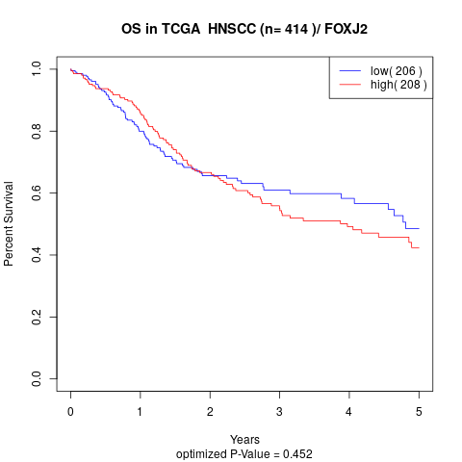

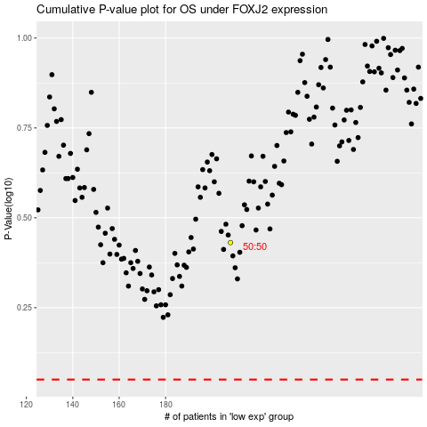

 |  |  |  |  |  | cases_OS | p_OS | rank | exp
 |  |  |  |  |  |  | cases_RFS | p_RFS | rank | exp

