FOXJ3 _multivariate
Reported by Tex Li-Hsing Chi. tex@gate.sinica.edu.tw 2019-08-19

Table 2. The clinicopathological features of HNSCC cohort and FOXJ3 expression. (Chi square test)
Cutoff at -0.061 (50.0%)
 |  | FOXJ3 expression |  | FOXJ3 expression |  | (Optimised)
 | Features | Low | (%) | High | (%) | Case no | P-value | Remark | Matthews
Gender | Female | 141 | 34 | 165 | 39.8 | 415 | 0.013 | 1 | 0
2 | Male | 66 | 15.9 | 43 | 10.4
Age at diagnosis | <=65y | 122 | 29.4 | 152 | 36.6 | 415 | 0.0033 | 1 | 0
4 | >65y | 85 | 20.5 | 56 | 13.5
Clinical T Status | T1+T2 | 77 | 18.6 | 72 | 17.3 | 415 | 0.6556 | 0 | 0
6 | T3+T4 | 130 | 31.3 | 136 | 32.8
Clinical N Status | N0 | 124 | 29.9 | 92 | 22.2 | 415 | 0.002 | 1 | 0
8 | N1-3 | 83 | 20 | 116 | 28
Clinical M Status | M0 | 205 | 49.4 | 207 | 49.9 | 415 | 0.6232 | 0 | 0
10 | M1 | 2 | 0.5 | 1 | 0.2
Clinical Stage | Stage I+II | 59 | 14.2 | 43 | 10.4 | 415 | 0.0822 | 0 | 0
12 | Stage III+IV | 148 | 35.7 | 165 | 39.8
Surgical Margin status | Negative | 155 | 37.3 | 163 | 39.3 | 415 | 0.4187 | 0 | 0
14 | Positive | 52 | 12.5 | 45 | 10.8
Tobacco Exposure | Low | 94 | 22.7 | 67 | 16.1 | 415 | 0.0065 | 1 | 0
16 | High | 113 | 27.2 | 141 | 34

Table 3. Univariate/Multivariate Cox's proportional hazards regression analyses on OS time of FOXJ3 gene expression in HNSCC

 |  | Univariate |  |  |  | Multivariate
 | Features | HR | CI95%(L) | CI95%(H) | P-value | HR | CI95%(L) | CI95%(H) | P-value
1 | Female | 1 |  |  |  | 1
Gender | Male | 1.157 | 0.843 | 1.587 | 0.367 | 1.204 | 0.859 | 1.687 | 0.28
11 | <=65y | 1 |  |  |  | 1
Age at diagnosis | >65y | 1.329 | 0.99 | 1.784 | 0.058 | 1.394 | 1.023 | 1.898 | 0.035
12 | T1+T2 | 1 |  |  |  | 1
Clinical T Status | T3+T4 | 1.409 | 1.028 | 1.931 | 0.033 | 2.206 | 1.165 | 4.176 | 0.015
13 | N0 | 1 |  |  |  | 1
Clinical N Status | N1-3 | 1.185 | 0.89 | 1.577 | 0.246 | 1.24 | 0.868 | 1.77 | 0.237
14 | M0 | 1 |  |  |  | 1
Clinical M Status | M1 | 4.097 | 1.009 | 16.644 | 0.049 | 9.473 | 2.05 | 43.775 | 0.004
15 | Stage I+II | 1 |  |  |  | 1
Clinical Stage | Stage III+IV | 1.245 | 0.882 | 1.759 | 0.213 | 0.503 | 0.234 | 1.083 | 0.079
16 | Negative | 1 |  |  |  | 1
Surgical Margin status | Positive | 1.591 | 1.155 | 2.191 | 0.004 | 1.674 | 1.21 | 2.316 | 0.002
17 | Low | 1 |  |  |  | 1
Tobacco Exposure | High | 1.364 | 1.008 | 1.844 | 0.044 | 1.451 | 1.052 | 2.002 | 0.023
18 | Low | 1 |  |  |  | 1
RNAseq(z-score) | High | 0.948 | 0.712 | 1.262 | 0.713 | 1.014 | 0.75 | 1.369 | 0.93

Table 4. Univariate/Multivariate Cox's proportional hazards regression analyses on RFS time of FOXJ3 gene expression in HNSCC

 |  | Univariate |  |  |  | Multivariate
 | Features | HR | CI95%(L) | CI95%(H) | P-value | HR | CI95%(L) | CI95%(H) | P-value
1 | Female | 1 |  |  |  | 1
Gender | Male | 1.157 | 0.843 | 1.587 | 0.367 | 1.204 | 0.859 | 1.687 | 0.28
11 | <=65y | 1 |  |  |  | 1
Age at diagnosis | >65y | 1.329 | 0.99 | 1.784 | 0.058 | 1.394 | 1.023 | 1.898 | 0.035
12 | T1+T2 | 1 |  |  |  | 1
Clinical T Status | T3+T4 | 1.409 | 1.028 | 1.931 | 0.033 | 2.206 | 1.165 | 4.176 | 0.015
13 | N0 | 1 |  |  |  | 1
Clinical N Status | N1-3 | 1.185 | 0.89 | 1.577 | 0.246 | 1.24 | 0.868 | 1.77 | 0.237
14 | M0 | 1 |  |  |  | 1
Clinical M Status | M1 | 4.097 | 1.009 | 16.644 | 0.049 | 9.473 | 2.05 | 43.775 | 0.004
15 | Stage I+II | 1 |  |  |  | 1
Clinical Stage | Stage III+IV | 1.245 | 0.882 | 1.759 | 0.213 | 0.503 | 0.234 | 1.083 | 0.079
16 | Negative | 1 |  |  |  | 1
Surgical Margin status | Positive | 1.591 | 1.155 | 2.191 | 0.004 | 1.674 | 1.21 | 2.316 | 0.002
17 | Low | 1 |  |  |  | 1
Tobacco Exposure | High | 1.364 | 1.008 | 1.844 | 0.044 | 1.451 | 1.052 | 2.002 | 0.023
18 | Low | 1 |  |  |  | 1
RNAseq(z-score) | High | 0.948 | 0.712 | 1.262 | 0.713 | 1.014 | 0.75 | 1.369 | 0.93

Kaplan-Meier survival estimate: Cutoff at -0.061 (50.0%)



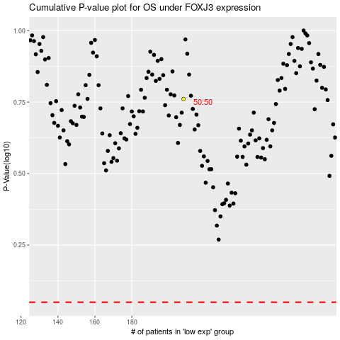

 |  |  |  |  |  | cases_OS | p_OS | rank | exp
 |  |  |  |  |  |  | cases_RFS | p_RFS | rank | exp

