FOXL1 _multivariate
Reported by Tex Li-Hsing Chi. tex@gate.sinica.edu.tw 2019-08-19

Table 2. The clinicopathological features of HNSCC cohort and FOXL1 expression. (Chi square test)
Cutoff at -0.287 (49.8%)
 |  | FOXL1 expression |  | FOXL1 expression |  | (Optimised)
 | Features | Low | (%) | High | (%) | Case no | P-value | Remark | Matthews
Gender | Female | 154 | 37.1 | 152 | 36.6 | 415 | 0.8463 | 0 | 0
2 | Male | 53 | 12.8 | 56 | 13.5
Age at diagnosis | <=65y | 144 | 34.7 | 130 | 31.3 | 415 | 0.1568 | 0 | 0
4 | >65y | 63 | 15.2 | 78 | 18.8
Clinical T Status | T1+T2 | 77 | 18.6 | 72 | 17.3 | 415 | 0.6556 | 0 | 0
6 | T3+T4 | 130 | 31.3 | 136 | 32.8
Clinical N Status | N0 | 111 | 26.7 | 105 | 25.3 | 415 | 0.5875 | 0 | 0
8 | N1-3 | 96 | 23.1 | 103 | 24.8
Clinical M Status | M0 | 206 | 49.6 | 206 | 49.6 | 415 | 1 | 0 | 0
10 | M1 | 1 | 0.2 | 2 | 0.5
Clinical Stage | Stage I+II | 45 | 10.8 | 57 | 13.7 | 415 | 0.2202 | 0 | 0
12 | Stage III+IV | 162 | 39 | 151 | 36.4
Surgical Margin status | Negative | 160 | 38.6 | 158 | 38.1 | 415 | 0.8167 | 0 | 0
14 | Positive | 47 | 11.3 | 50 | 12
Tobacco Exposure | Low | 77 | 18.6 | 84 | 20.2 | 415 | 0.5459 | 0 | 0
16 | High | 130 | 31.3 | 124 | 29.9

Table 3. Univariate/Multivariate Cox's proportional hazards regression analyses on OS time of FOXL1 gene expression in HNSCC

 |  | Univariate |  |  |  | Multivariate
 | Features | HR | CI95%(L) | CI95%(H) | P-value | HR | CI95%(L) | CI95%(H) | P-value
1 | Female | 1 |  |  |  | 1
Gender | Male | 1.157 | 0.843 | 1.587 | 0.367 | 1.2 | 0.858 | 1.677 | 0.286
11 | <=65y | 1 |  |  |  | 1
Age at diagnosis | >65y | 1.329 | 0.99 | 1.784 | 0.058 | 1.394 | 1.025 | 1.895 | 0.034
12 | T1+T2 | 1 |  |  |  | 1
Clinical T Status | T3+T4 | 1.409 | 1.028 | 1.931 | 0.033 | 2.22 | 1.163 | 4.238 | 0.016
13 | N0 | 1 |  |  |  | 1
Clinical N Status | N1-3 | 1.185 | 0.89 | 1.577 | 0.246 | 1.245 | 0.87 | 1.783 | 0.231
14 | M0 | 1 |  |  |  | 1
Clinical M Status | M1 | 4.097 | 1.009 | 16.644 | 0.049 | 9.487 | 2.06 | 43.695 | 0.004
15 | Stage I+II | 1 |  |  |  | 1
Clinical Stage | Stage III+IV | 1.245 | 0.882 | 1.759 | 0.213 | 0.499 | 0.229 | 1.088 | 0.08
16 | Negative | 1 |  |  |  | 1
Surgical Margin status | Positive | 1.591 | 1.155 | 2.191 | 0.004 | 1.675 | 1.211 | 2.319 | 0.002
17 | Low | 1 |  |  |  | 1
Tobacco Exposure | High | 1.364 | 1.008 | 1.844 | 0.044 | 1.454 | 1.055 | 2.004 | 0.022
18 | Low | 1 |  |  |  | 1
RNAseq(z-score) | High | 1.105 | 0.829 | 1.473 | 0.497 | 0.979 | 0.728 | 1.316 | 0.889

Table 4. Univariate/Multivariate Cox's proportional hazards regression analyses on RFS time of FOXL1 gene expression in HNSCC

 |  | Univariate |  |  |  | Multivariate
 | Features | HR | CI95%(L) | CI95%(H) | P-value | HR | CI95%(L) | CI95%(H) | P-value
1 | Female | 1 |  |  |  | 1
Gender | Male | 1.157 | 0.843 | 1.587 | 0.367 | 1.2 | 0.858 | 1.677 | 0.286
11 | <=65y | 1 |  |  |  | 1
Age at diagnosis | >65y | 1.329 | 0.99 | 1.784 | 0.058 | 1.394 | 1.025 | 1.895 | 0.034
12 | T1+T2 | 1 |  |  |  | 1
Clinical T Status | T3+T4 | 1.409 | 1.028 | 1.931 | 0.033 | 2.22 | 1.163 | 4.238 | 0.016
13 | N0 | 1 |  |  |  | 1
Clinical N Status | N1-3 | 1.185 | 0.89 | 1.577 | 0.246 | 1.245 | 0.87 | 1.783 | 0.231
14 | M0 | 1 |  |  |  | 1
Clinical M Status | M1 | 4.097 | 1.009 | 16.644 | 0.049 | 9.487 | 2.06 | 43.695 | 0.004
15 | Stage I+II | 1 |  |  |  | 1
Clinical Stage | Stage III+IV | 1.245 | 0.882 | 1.759 | 0.213 | 0.499 | 0.229 | 1.088 | 0.08
16 | Negative | 1 |  |  |  | 1
Surgical Margin status | Positive | 1.591 | 1.155 | 2.191 | 0.004 | 1.675 | 1.211 | 2.319 | 0.002
17 | Low | 1 |  |  |  | 1
Tobacco Exposure | High | 1.364 | 1.008 | 1.844 | 0.044 | 1.454 | 1.055 | 2.004 | 0.022
18 | Low | 1 |  |  |  | 1
RNAseq(z-score) | High | 1.105 | 0.829 | 1.473 | 0.497 | 0.979 | 0.728 | 1.316 | 0.889

Kaplan-Meier survival estimate: Cutoff at -0.287 (49.8%)



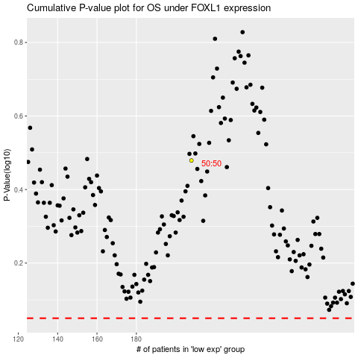

 |  |  |  |  |  | cases_OS | p_OS | rank | exp
 |  |  |  |  |  |  | cases_RFS | p_RFS | rank | exp

