FOXN2 _multivariate
Reported by Tex Li-Hsing Chi. tex@gate.sinica.edu.tw 2019-08-19

Table 2. The clinicopathological features of HNSCC cohort and FOXN2 expression. (Chi square test)
Cutoff at -0.067 (50.0%)
 |  | FOXN2 expression |  | FOXN2 expression |  | (Optimised)
 | Features | Low | (%) | High | (%) | Case no | P-value | Remark | Matthews
Gender | Female | 159 | 38.3 | 147 | 35.4 | 415 | 0.1905 | 0 | 0
2 | Male | 48 | 11.6 | 61 | 14.7
Age at diagnosis | <=65y | 144 | 34.7 | 130 | 31.3 | 415 | 0.1568 | 0 | 0
4 | >65y | 63 | 15.2 | 78 | 18.8
Clinical T Status | T1+T2 | 83 | 20 | 66 | 15.9 | 415 | 0.0941 | 0 | 0
6 | T3+T4 | 124 | 29.9 | 142 | 34.2
Clinical N Status | N0 | 105 | 25.3 | 111 | 26.7 | 415 | 0.6598 | 0 | 0
8 | N1-3 | 102 | 24.6 | 97 | 23.4
Clinical M Status | M0 | 204 | 49.2 | 208 | 50.1 | 415 | 0.1232 | 0 | 0
10 | M1 | 3 | 0.7 | 0 | 0
Clinical Stage | Stage I+II | 53 | 12.8 | 49 | 11.8 | 415 | 0.7113 | 0 | 0
12 | Stage III+IV | 154 | 37.1 | 159 | 38.3
Surgical Margin status | Negative | 154 | 37.1 | 164 | 39.5 | 415 | 0.2984 | 0 | 0
14 | Positive | 53 | 12.8 | 44 | 10.6
Tobacco Exposure | Low | 80 | 19.3 | 81 | 19.5 | 415 | 1 | 0 | 0
16 | High | 127 | 30.6 | 127 | 30.6

Table 3. Univariate/Multivariate Cox's proportional hazards regression analyses on OS time of FOXN2 gene expression in HNSCC

 |  | Univariate |  |  |  | Multivariate
 | Features | HR | CI95%(L) | CI95%(H) | P-value | HR | CI95%(L) | CI95%(H) | P-value
1 | Female | 1 |  |  |  | 1
Gender | Male | 1.157 | 0.843 | 1.587 | 0.367 | 1.188 | 0.851 | 1.659 | 0.312
11 | <=65y | 1 |  |  |  | 1
Age at diagnosis | >65y | 1.329 | 0.99 | 1.784 | 0.058 | 1.397 | 1.027 | 1.9 | 0.033
12 | T1+T2 | 1 |  |  |  | 1
Clinical T Status | T3+T4 | 1.409 | 1.028 | 1.931 | 0.033 | 2.141 | 1.131 | 4.054 | 0.019
13 | N0 | 1 |  |  |  | 1
Clinical N Status | N1-3 | 1.185 | 0.89 | 1.577 | 0.246 | 1.263 | 0.884 | 1.805 | 0.199
14 | M0 | 1 |  |  |  | 1
Clinical M Status | M1 | 4.097 | 1.009 | 16.644 | 0.049 | 10.418 | 2.26 | 48.031 | 0.003
15 | Stage I+II | 1 |  |  |  | 1
Clinical Stage | Stage III+IV | 1.245 | 0.882 | 1.759 | 0.213 | 0.507 | 0.236 | 1.089 | 0.082
16 | Negative | 1 |  |  |  | 1
Surgical Margin status | Positive | 1.591 | 1.155 | 2.191 | 0.004 | 1.714 | 1.238 | 2.373 | 0.001
17 | Low | 1 |  |  |  | 1
Tobacco Exposure | High | 1.364 | 1.008 | 1.844 | 0.044 | 1.468 | 1.065 | 2.022 | 0.019
18 | Low | 1 |  |  |  | 1
RNAseq(z-score) | High | 1.246 | 0.933 | 1.663 | 0.136 | 1.279 | 0.952 | 1.717 | 0.102

Table 4. Univariate/Multivariate Cox's proportional hazards regression analyses on RFS time of FOXN2 gene expression in HNSCC

 |  | Univariate |  |  |  | Multivariate
 | Features | HR | CI95%(L) | CI95%(H) | P-value | HR | CI95%(L) | CI95%(H) | P-value
1 | Female | 1 |  |  |  | 1
Gender | Male | 1.157 | 0.843 | 1.587 | 0.367 | 1.188 | 0.851 | 1.659 | 0.312
11 | <=65y | 1 |  |  |  | 1
Age at diagnosis | >65y | 1.329 | 0.99 | 1.784 | 0.058 | 1.397 | 1.027 | 1.9 | 0.033
12 | T1+T2 | 1 |  |  |  | 1
Clinical T Status | T3+T4 | 1.409 | 1.028 | 1.931 | 0.033 | 2.141 | 1.131 | 4.054 | 0.019
13 | N0 | 1 |  |  |  | 1
Clinical N Status | N1-3 | 1.185 | 0.89 | 1.577 | 0.246 | 1.263 | 0.884 | 1.805 | 0.199
14 | M0 | 1 |  |  |  | 1
Clinical M Status | M1 | 4.097 | 1.009 | 16.644 | 0.049 | 10.418 | 2.26 | 48.031 | 0.003
15 | Stage I+II | 1 |  |  |  | 1
Clinical Stage | Stage III+IV | 1.245 | 0.882 | 1.759 | 0.213 | 0.507 | 0.236 | 1.089 | 0.082
16 | Negative | 1 |  |  |  | 1
Surgical Margin status | Positive | 1.591 | 1.155 | 2.191 | 0.004 | 1.714 | 1.238 | 2.373 | 0.001
17 | Low | 1 |  |  |  | 1
Tobacco Exposure | High | 1.364 | 1.008 | 1.844 | 0.044 | 1.468 | 1.065 | 2.022 | 0.019
18 | Low | 1 |  |  |  | 1
RNAseq(z-score) | High | 1.246 | 0.933 | 1.663 | 0.136 | 1.279 | 0.952 | 1.717 | 0.102

Kaplan-Meier survival estimate: Cutoff at -0.067 (50.0%)



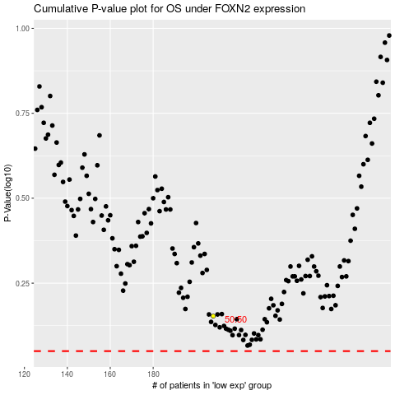

 |  |  |  |  |  | cases_OS | p_OS | rank | exp
 |  |  |  |  |  |  | cases_RFS | p_RFS | rank | exp

