FOXN3 _multivariate
Reported by Tex Li-Hsing Chi. tex@gate.sinica.edu.tw 2019-08-19

Table 2. The clinicopathological features of HNSCC cohort and FOXN3 expression. (Chi square test)
Cutoff at -0.213 (49.8%)
 |  | FOXN3 expression |  | FOXN3 expression |  | (Optimised)
 | Features | Low | (%) | High | (%) | Case no | P-value | Remark | Matthews
Gender | Female | 153 | 36.9 | 153 | 36.9 | 415 | 1 | 0 | 0
2 | Male | 54 | 13 | 55 | 13.3
Age at diagnosis | <=65y | 138 | 33.3 | 136 | 32.8 | 415 | 0.8634 | 0 | 0
4 | >65y | 69 | 16.6 | 72 | 17.3
Clinical T Status | T1+T2 | 75 | 18.1 | 74 | 17.8 | 415 | 0.9707 | 0 | 0
6 | T3+T4 | 132 | 31.8 | 134 | 32.3
Clinical N Status | N0 | 97 | 23.4 | 119 | 28.7 | 415 | 0.0442 | 1 | 0
8 | N1-3 | 110 | 26.5 | 89 | 21.4
Clinical M Status | M0 | 204 | 49.2 | 208 | 50.1 | 415 | 0.1232 | 0 | 0
10 | M1 | 3 | 0.7 | 0 | 0
Clinical Stage | Stage I+II | 48 | 11.6 | 54 | 13 | 415 | 0.5878 | 0 | 0
12 | Stage III+IV | 159 | 38.3 | 154 | 37.1
Surgical Margin status | Negative | 157 | 37.8 | 161 | 38.8 | 415 | 0.729 | 0 | 0
14 | Positive | 50 | 12 | 47 | 11.3
Tobacco Exposure | Low | 77 | 18.6 | 84 | 20.2 | 415 | 0.5459 | 0 | 0
16 | High | 130 | 31.3 | 124 | 29.9

Table 3. Univariate/Multivariate Cox's proportional hazards regression analyses on OS time of FOXN3 gene expression in HNSCC

 |  | Univariate |  |  |  | Multivariate
 | Features | HR | CI95%(L) | CI95%(H) | P-value | HR | CI95%(L) | CI95%(H) | P-value
1 | Female | 1 |  |  |  | 1
Gender | Male | 1.157 | 0.843 | 1.587 | 0.367 | 1.208 | 0.865 | 1.687 | 0.267
11 | <=65y | 1 |  |  |  | 1
Age at diagnosis | >65y | 1.329 | 0.99 | 1.784 | 0.058 | 1.404 | 1.032 | 1.909 | 0.031
12 | T1+T2 | 1 |  |  |  | 1
Clinical T Status | T3+T4 | 1.409 | 1.028 | 1.931 | 0.033 | 2.216 | 1.171 | 4.191 | 0.014
13 | N0 | 1 |  |  |  | 1
Clinical N Status | N1-3 | 1.185 | 0.89 | 1.577 | 0.246 | 1.279 | 0.893 | 1.832 | 0.18
14 | M0 | 1 |  |  |  | 1
Clinical M Status | M1 | 4.097 | 1.009 | 16.644 | 0.049 | 10.266 | 2.221 | 47.447 | 0.003
15 | Stage I+II | 1 |  |  |  | 1
Clinical Stage | Stage III+IV | 1.245 | 0.882 | 1.759 | 0.213 | 0.494 | 0.23 | 1.062 | 0.071
16 | Negative | 1 |  |  |  | 1
Surgical Margin status | Positive | 1.591 | 1.155 | 2.191 | 0.004 | 1.68 | 1.215 | 2.322 | 0.002
17 | Low | 1 |  |  |  | 1
Tobacco Exposure | High | 1.364 | 1.008 | 1.844 | 0.044 | 1.463 | 1.062 | 2.016 | 0.02
18 | Low | 1 |  |  |  | 1
RNAseq(z-score) | High | 1.106 | 0.829 | 1.475 | 0.493 | 1.188 | 0.885 | 1.595 | 0.252

Table 4. Univariate/Multivariate Cox's proportional hazards regression analyses on RFS time of FOXN3 gene expression in HNSCC

 |  | Univariate |  |  |  | Multivariate
 | Features | HR | CI95%(L) | CI95%(H) | P-value | HR | CI95%(L) | CI95%(H) | P-value
1 | Female | 1 |  |  |  | 1
Gender | Male | 1.157 | 0.843 | 1.587 | 0.367 | 1.208 | 0.865 | 1.687 | 0.267
11 | <=65y | 1 |  |  |  | 1
Age at diagnosis | >65y | 1.329 | 0.99 | 1.784 | 0.058 | 1.404 | 1.032 | 1.909 | 0.031
12 | T1+T2 | 1 |  |  |  | 1
Clinical T Status | T3+T4 | 1.409 | 1.028 | 1.931 | 0.033 | 2.216 | 1.171 | 4.191 | 0.014
13 | N0 | 1 |  |  |  | 1
Clinical N Status | N1-3 | 1.185 | 0.89 | 1.577 | 0.246 | 1.279 | 0.893 | 1.832 | 0.18
14 | M0 | 1 |  |  |  | 1
Clinical M Status | M1 | 4.097 | 1.009 | 16.644 | 0.049 | 10.266 | 2.221 | 47.447 | 0.003
15 | Stage I+II | 1 |  |  |  | 1
Clinical Stage | Stage III+IV | 1.245 | 0.882 | 1.759 | 0.213 | 0.494 | 0.23 | 1.062 | 0.071
16 | Negative | 1 |  |  |  | 1
Surgical Margin status | Positive | 1.591 | 1.155 | 2.191 | 0.004 | 1.68 | 1.215 | 2.322 | 0.002
17 | Low | 1 |  |  |  | 1
Tobacco Exposure | High | 1.364 | 1.008 | 1.844 | 0.044 | 1.463 | 1.062 | 2.016 | 0.02
18 | Low | 1 |  |  |  | 1
RNAseq(z-score) | High | 1.106 | 0.829 | 1.475 | 0.493 | 1.188 | 0.885 | 1.595 | 0.252

Kaplan-Meier survival estimate: Cutoff at -0.213 (49.8%)



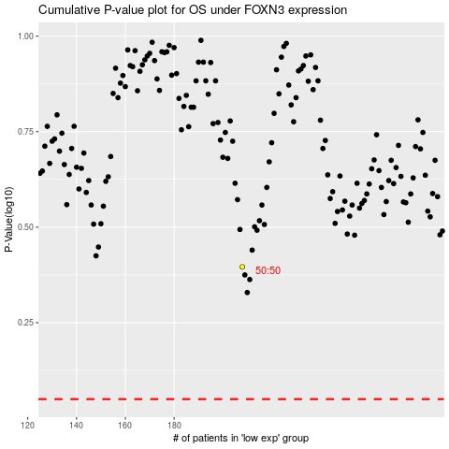

 |  |  |  |  |  | cases_OS | p_OS | rank | exp
 |  |  |  |  |  |  | cases_RFS | p_RFS | rank | exp

