FOXO3 _multivariate
Reported by Tex Li-Hsing Chi. tex@gate.sinica.edu.tw 2019-08-19

Table 2. The clinicopathological features of HNSCC cohort and FOXO3 expression. (Chi square test)
Cutoff at -0.147 (50.0%)
 |  | FOXO3 expression |  | FOXO3 expression |  | (Optimised)
 | Features | Low | (%) | High | (%) | Case no | P-value | Remark | Matthews
Gender | Female | 158 | 38.1 | 148 | 35.7 | 415 | 0.2774 | 0 | 0
2 | Male | 49 | 11.8 | 60 | 14.5
Age at diagnosis | <=65y | 140 | 33.7 | 134 | 32.3 | 415 | 0.5574 | 0 | 0
4 | >65y | 67 | 16.1 | 74 | 17.8
Clinical T Status | T1+T2 | 90 | 21.7 | 59 | 14.2 | 415 | 0.0019 | 1 | 0
6 | T3+T4 | 117 | 28.2 | 149 | 35.9
Clinical N Status | N0 | 114 | 27.5 | 102 | 24.6 | 415 | 0.2576 | 1 | 0
8 | N1-3 | 93 | 22.4 | 106 | 25.5
Clinical M Status | M0 | 204 | 49.2 | 208 | 50.1 | 415 | 0.1232 | 0 | 0
10 | M1 | 3 | 0.7 | 0 | 0
Clinical Stage | Stage I+II | 64 | 15.4 | 38 | 9.2 | 415 | 0.004 | 1 | 0
12 | Stage III+IV | 143 | 34.5 | 170 | 41
Surgical Margin status | Negative | 163 | 39.3 | 155 | 37.3 | 415 | 0.3537 | 0 | 0
14 | Positive | 44 | 10.6 | 53 | 12.8
Tobacco Exposure | Low | 87 | 21 | 74 | 17.8 | 415 | 0.1911 | 0 | 0
16 | High | 120 | 28.9 | 134 | 32.3

Table 3. Univariate/Multivariate Cox's proportional hazards regression analyses on OS time of FOXO3 gene expression in HNSCC

 |  | Univariate |  |  |  | Multivariate
 | Features | HR | CI95%(L) | CI95%(H) | P-value | HR | CI95%(L) | CI95%(H) | P-value
1 | Female | 1 |  |  |  | 1
Gender | Male | 1.157 | 0.843 | 1.587 | 0.367 | 1.202 | 0.861 | 1.68 | 0.28
11 | <=65y | 1 |  |  |  | 1
Age at diagnosis | >65y | 1.329 | 0.99 | 1.784 | 0.058 | 1.391 | 1.023 | 1.891 | 0.035
12 | T1+T2 | 1 |  |  |  | 1
Clinical T Status | T3+T4 | 1.409 | 1.028 | 1.931 | 0.033 | 2.203 | 1.165 | 4.165 | 0.015
13 | N0 | 1 |  |  |  | 1
Clinical N Status | N1-3 | 1.185 | 0.89 | 1.577 | 0.246 | 1.241 | 0.869 | 1.77 | 0.235
14 | M0 | 1 |  |  |  | 1
Clinical M Status | M1 | 4.097 | 1.009 | 16.644 | 0.049 | 9.308 | 2.015 | 43 | 0.004
15 | Stage I+II | 1 |  |  |  | 1
Clinical Stage | Stage III+IV | 1.245 | 0.882 | 1.759 | 0.213 | 0.506 | 0.235 | 1.088 | 0.081
16 | Negative | 1 |  |  |  | 1
Surgical Margin status | Positive | 1.591 | 1.155 | 2.191 | 0.004 | 1.673 | 1.211 | 2.312 | 0.002
17 | Low | 1 |  |  |  | 1
Tobacco Exposure | High | 1.364 | 1.008 | 1.844 | 0.044 | 1.453 | 1.054 | 2.002 | 0.022
18 | Low | 1 |  |  |  | 1
RNAseq(z-score) | High | 1.01 | 0.758 | 1.345 | 0.945 | 0.98 | 0.732 | 1.313 | 0.894

Table 4. Univariate/Multivariate Cox's proportional hazards regression analyses on RFS time of FOXO3 gene expression in HNSCC

 |  | Univariate |  |  |  | Multivariate
 | Features | HR | CI95%(L) | CI95%(H) | P-value | HR | CI95%(L) | CI95%(H) | P-value
1 | Female | 1 |  |  |  | 1
Gender | Male | 1.157 | 0.843 | 1.587 | 0.367 | 1.202 | 0.861 | 1.68 | 0.28
11 | <=65y | 1 |  |  |  | 1
Age at diagnosis | >65y | 1.329 | 0.99 | 1.784 | 0.058 | 1.391 | 1.023 | 1.891 | 0.035
12 | T1+T2 | 1 |  |  |  | 1
Clinical T Status | T3+T4 | 1.409 | 1.028 | 1.931 | 0.033 | 2.203 | 1.165 | 4.165 | 0.015
13 | N0 | 1 |  |  |  | 1
Clinical N Status | N1-3 | 1.185 | 0.89 | 1.577 | 0.246 | 1.241 | 0.869 | 1.77 | 0.235
14 | M0 | 1 |  |  |  | 1
Clinical M Status | M1 | 4.097 | 1.009 | 16.644 | 0.049 | 9.308 | 2.015 | 43 | 0.004
15 | Stage I+II | 1 |  |  |  | 1
Clinical Stage | Stage III+IV | 1.245 | 0.882 | 1.759 | 0.213 | 0.506 | 0.235 | 1.088 | 0.081
16 | Negative | 1 |  |  |  | 1
Surgical Margin status | Positive | 1.591 | 1.155 | 2.191 | 0.004 | 1.673 | 1.211 | 2.312 | 0.002
17 | Low | 1 |  |  |  | 1
Tobacco Exposure | High | 1.364 | 1.008 | 1.844 | 0.044 | 1.453 | 1.054 | 2.002 | 0.022
18 | Low | 1 |  |  |  | 1
RNAseq(z-score) | High | 1.01 | 0.758 | 1.345 | 0.945 | 0.98 | 0.732 | 1.313 | 0.894

Kaplan-Meier survival estimate: Cutoff at -0.147 (50.0%)



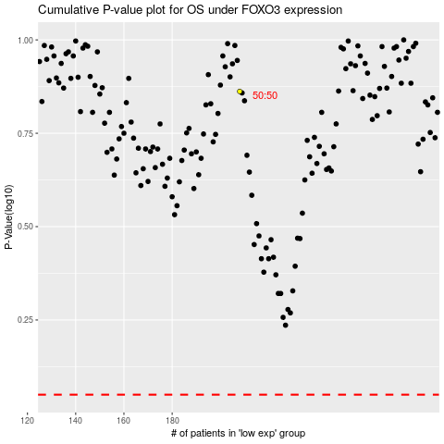

 |  |  |  |  |  | cases_OS | p_OS | rank | exp
 |  |  |  |  |  |  | cases_RFS | p_RFS | rank | exp

