FOXO3B _multivariate
Reported by Tex Li-Hsing Chi. tex@gate.sinica.edu.tw 2019-08-19

Table 2. The clinicopathological features of HNSCC cohort and FOXO3B expression. (Chi square test)
Cutoff at -0.109 (50.0%)
 |  | FOXO3B expression |  | FOXO3B expression |  | (Optimised)
 | Features | Low | (%) | High | (%) | Case no | P-value | Remark | Matthews
Gender | Female | 155 | 37.3 | 151 | 36.4 | 415 | 0.6768 | 0 | 0
2 | Male | 52 | 12.5 | 57 | 13.7
Age at diagnosis | <=65y | 140 | 33.7 | 134 | 32.3 | 415 | 0.5574 | 0 | 0
4 | >65y | 67 | 16.1 | 74 | 17.8
Clinical T Status | T1+T2 | 90 | 21.7 | 59 | 14.2 | 415 | 0.0019 | 1 | 0
6 | T3+T4 | 117 | 28.2 | 149 | 35.9
Clinical N Status | N0 | 116 | 28 | 100 | 24.1 | 415 | 0.1273 | 1 | 0
8 | N1-3 | 91 | 21.9 | 108 | 26
Clinical M Status | M0 | 204 | 49.2 | 208 | 50.1 | 415 | 0.1232 | 0 | 0
10 | M1 | 3 | 0.7 | 0 | 0
Clinical Stage | Stage I+II | 65 | 15.7 | 37 | 8.9 | 415 | 0.0019 | 1 | 0
12 | Stage III+IV | 142 | 34.2 | 171 | 41.2
Surgical Margin status | Negative | 162 | 39 | 156 | 37.6 | 415 | 0.4867 | 0 | 0
14 | Positive | 45 | 10.8 | 52 | 12.5
Tobacco Exposure | Low | 85 | 20.5 | 76 | 18.3 | 415 | 0.3655 | 0 | 0
16 | High | 122 | 29.4 | 132 | 31.8

Table 3. Univariate/Multivariate Cox's proportional hazards regression analyses on OS time of FOXO3B gene expression in HNSCC

 |  | Univariate |  |  |  | Multivariate
 | Features | HR | CI95%(L) | CI95%(H) | P-value | HR | CI95%(L) | CI95%(H) | P-value
1 | Female | 1 |  |  |  | 1
Gender | Male | 1.157 | 0.843 | 1.587 | 0.367 | 1.201 | 0.86 | 1.677 | 0.283
11 | <=65y | 1 |  |  |  | 1
Age at diagnosis | >65y | 1.329 | 0.99 | 1.784 | 0.058 | 1.393 | 1.025 | 1.894 | 0.034
12 | T1+T2 | 1 |  |  |  | 1
Clinical T Status | T3+T4 | 1.409 | 1.028 | 1.931 | 0.033 | 2.2 | 1.164 | 4.161 | 0.015
13 | N0 | 1 |  |  |  | 1
Clinical N Status | N1-3 | 1.185 | 0.89 | 1.577 | 0.246 | 1.243 | 0.871 | 1.774 | 0.231
14 | M0 | 1 |  |  |  | 1
Clinical M Status | M1 | 4.097 | 1.009 | 16.644 | 0.049 | 9.602 | 2.078 | 44.372 | 0.004
15 | Stage I+II | 1 |  |  |  | 1
Clinical Stage | Stage III+IV | 1.245 | 0.882 | 1.759 | 0.213 | 0.501 | 0.233 | 1.077 | 0.077
16 | Negative | 1 |  |  |  | 1
Surgical Margin status | Positive | 1.591 | 1.155 | 2.191 | 0.004 | 1.669 | 1.208 | 2.307 | 0.002
17 | Low | 1 |  |  |  | 1
Tobacco Exposure | High | 1.364 | 1.008 | 1.844 | 0.044 | 1.457 | 1.057 | 2.008 | 0.022
18 | Low | 1 |  |  |  | 1
RNAseq(z-score) | High | 1.044 | 0.784 | 1.391 | 0.769 | 1.04 | 0.775 | 1.395 | 0.796

Table 4. Univariate/Multivariate Cox's proportional hazards regression analyses on RFS time of FOXO3B gene expression in HNSCC

 |  | Univariate |  |  |  | Multivariate
 | Features | HR | CI95%(L) | CI95%(H) | P-value | HR | CI95%(L) | CI95%(H) | P-value
1 | Female | 1 |  |  |  | 1
Gender | Male | 1.157 | 0.843 | 1.587 | 0.367 | 1.201 | 0.86 | 1.677 | 0.283
11 | <=65y | 1 |  |  |  | 1
Age at diagnosis | >65y | 1.329 | 0.99 | 1.784 | 0.058 | 1.393 | 1.025 | 1.894 | 0.034
12 | T1+T2 | 1 |  |  |  | 1
Clinical T Status | T3+T4 | 1.409 | 1.028 | 1.931 | 0.033 | 2.2 | 1.164 | 4.161 | 0.015
13 | N0 | 1 |  |  |  | 1
Clinical N Status | N1-3 | 1.185 | 0.89 | 1.577 | 0.246 | 1.243 | 0.871 | 1.774 | 0.231
14 | M0 | 1 |  |  |  | 1
Clinical M Status | M1 | 4.097 | 1.009 | 16.644 | 0.049 | 9.602 | 2.078 | 44.372 | 0.004
15 | Stage I+II | 1 |  |  |  | 1
Clinical Stage | Stage III+IV | 1.245 | 0.882 | 1.759 | 0.213 | 0.501 | 0.233 | 1.077 | 0.077
16 | Negative | 1 |  |  |  | 1
Surgical Margin status | Positive | 1.591 | 1.155 | 2.191 | 0.004 | 1.669 | 1.208 | 2.307 | 0.002
17 | Low | 1 |  |  |  | 1
Tobacco Exposure | High | 1.364 | 1.008 | 1.844 | 0.044 | 1.457 | 1.057 | 2.008 | 0.022
18 | Low | 1 |  |  |  | 1
RNAseq(z-score) | High | 1.044 | 0.784 | 1.391 | 0.769 | 1.04 | 0.775 | 1.395 | 0.796

Kaplan-Meier survival estimate: Cutoff at -0.109 (50.0%)



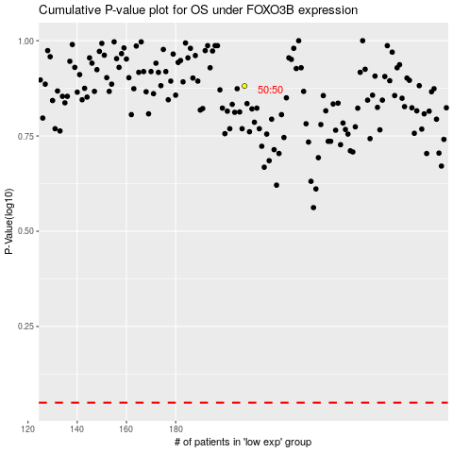

 |  |  |  |  |  | cases_OS | p_OS | rank | exp
 |  |  |  |  |  |  | cases_RFS | p_RFS | rank | exp

