FOXP1 _multivariate
Reported by Tex Li-Hsing Chi. tex@gate.sinica.edu.tw 2019-08-19

Table 2. The clinicopathological features of HNSCC cohort and FOXP1 expression. (Chi square test)
Cutoff at -0.257 (49.8%)
 |  | FOXP1 expression |  | FOXP1 expression |  | (Optimised)
 | Features | Low | (%) | High | (%) | Case no | P-value | Remark | Matthews
Gender | Female | 160 | 38.6 | 146 | 35.2 | 415 | 0.1254 | 0 | 0
2 | Male | 47 | 11.3 | 62 | 14.9
Age at diagnosis | <=65y | 147 | 35.4 | 127 | 30.6 | 415 | 0.0416 | 1 | 0
4 | >65y | 60 | 14.5 | 81 | 19.5
Clinical T Status | T1+T2 | 67 | 16.1 | 82 | 19.8 | 415 | 0.1628 | 0 | 0
6 | T3+T4 | 140 | 33.7 | 126 | 30.4
Clinical N Status | N0 | 110 | 26.5 | 106 | 25.5 | 415 | 0.7294 | 0 | 0
8 | N1-3 | 97 | 23.4 | 102 | 24.6
Clinical M Status | M0 | 204 | 49.2 | 208 | 50.1 | 415 | 0.1232 | 0 | 0
10 | M1 | 3 | 0.7 | 0 | 0
Clinical Stage | Stage I+II | 46 | 11.1 | 56 | 13.5 | 415 | 0.3182 | 0 | 0
12 | Stage III+IV | 161 | 38.8 | 152 | 36.6
Surgical Margin status | Negative | 158 | 38.1 | 160 | 38.6 | 415 | 0.9081 | 0 | 0
14 | Positive | 49 | 11.8 | 48 | 11.6
Tobacco Exposure | Low | 68 | 16.4 | 93 | 22.4 | 415 | 0.0156 | 1 | 0
16 | High | 139 | 33.5 | 115 | 27.7

Table 3. Univariate/Multivariate Cox's proportional hazards regression analyses on OS time of FOXP1 gene expression in HNSCC

 |  | Univariate |  |  |  | Multivariate
 | Features | HR | CI95%(L) | CI95%(H) | P-value | HR | CI95%(L) | CI95%(H) | P-value
1 | Female | 1 |  |  |  | 1
Gender | Male | 1.157 | 0.843 | 1.587 | 0.367 | 1.209 | 0.865 | 1.691 | 0.266
11 | <=65y | 1 |  |  |  | 1
Age at diagnosis | >65y | 1.329 | 0.99 | 1.784 | 0.058 | 1.397 | 1.028 | 1.9 | 0.033
12 | T1+T2 | 1 |  |  |  | 1
Clinical T Status | T3+T4 | 1.409 | 1.028 | 1.931 | 0.033 | 2.183 | 1.153 | 4.131 | 0.016
13 | N0 | 1 |  |  |  | 1
Clinical N Status | N1-3 | 1.185 | 0.89 | 1.577 | 0.246 | 1.244 | 0.872 | 1.775 | 0.228
14 | M0 | 1 |  |  |  | 1
Clinical M Status | M1 | 4.097 | 1.009 | 16.644 | 0.049 | 9.028 | 1.951 | 41.78 | 0.005
15 | Stage I+II | 1 |  |  |  | 1
Clinical Stage | Stage III+IV | 1.245 | 0.882 | 1.759 | 0.213 | 0.506 | 0.236 | 1.086 | 0.08
16 | Negative | 1 |  |  |  | 1
Surgical Margin status | Positive | 1.591 | 1.155 | 2.191 | 0.004 | 1.67 | 1.208 | 2.307 | 0.002
17 | Low | 1 |  |  |  | 1
Tobacco Exposure | High | 1.364 | 1.008 | 1.844 | 0.044 | 1.441 | 1.044 | 1.989 | 0.026
18 | Low | 1 |  |  |  | 1
RNAseq(z-score) | High | 0.892 | 0.67 | 1.189 | 0.437 | 0.933 | 0.694 | 1.253 | 0.644

Table 4. Univariate/Multivariate Cox's proportional hazards regression analyses on RFS time of FOXP1 gene expression in HNSCC

 |  | Univariate |  |  |  | Multivariate
 | Features | HR | CI95%(L) | CI95%(H) | P-value | HR | CI95%(L) | CI95%(H) | P-value
1 | Female | 1 |  |  |  | 1
Gender | Male | 1.157 | 0.843 | 1.587 | 0.367 | 1.209 | 0.865 | 1.691 | 0.266
11 | <=65y | 1 |  |  |  | 1
Age at diagnosis | >65y | 1.329 | 0.99 | 1.784 | 0.058 | 1.397 | 1.028 | 1.9 | 0.033
12 | T1+T2 | 1 |  |  |  | 1
Clinical T Status | T3+T4 | 1.409 | 1.028 | 1.931 | 0.033 | 2.183 | 1.153 | 4.131 | 0.016
13 | N0 | 1 |  |  |  | 1
Clinical N Status | N1-3 | 1.185 | 0.89 | 1.577 | 0.246 | 1.244 | 0.872 | 1.775 | 0.228
14 | M0 | 1 |  |  |  | 1
Clinical M Status | M1 | 4.097 | 1.009 | 16.644 | 0.049 | 9.028 | 1.951 | 41.78 | 0.005
15 | Stage I+II | 1 |  |  |  | 1
Clinical Stage | Stage III+IV | 1.245 | 0.882 | 1.759 | 0.213 | 0.506 | 0.236 | 1.086 | 0.08
16 | Negative | 1 |  |  |  | 1
Surgical Margin status | Positive | 1.591 | 1.155 | 2.191 | 0.004 | 1.67 | 1.208 | 2.307 | 0.002
17 | Low | 1 |  |  |  | 1
Tobacco Exposure | High | 1.364 | 1.008 | 1.844 | 0.044 | 1.441 | 1.044 | 1.989 | 0.026
18 | Low | 1 |  |  |  | 1
RNAseq(z-score) | High | 0.892 | 0.67 | 1.189 | 0.437 | 0.933 | 0.694 | 1.253 | 0.644

Kaplan-Meier survival estimate: Cutoff at -0.257 (49.8%)



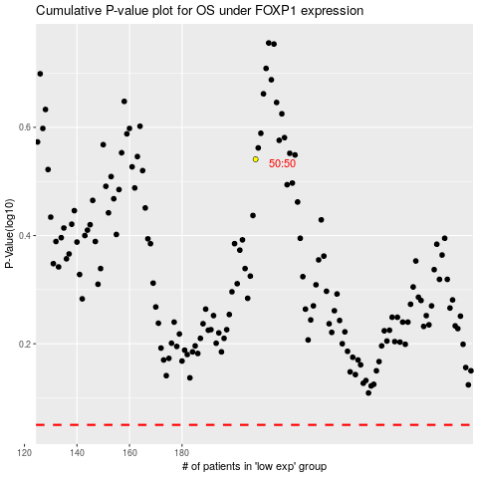

 |  |  |  |  |  | cases_OS | p_OS | rank | exp
 |  |  |  |  |  |  | cases_RFS | p_RFS | rank | exp

