FOXP2 _multivariate
Reported by Tex Li-Hsing Chi. tex@gate.sinica.edu.tw 2019-08-19

Table 2. The clinicopathological features of HNSCC cohort and FOXP2 expression. (Chi square test)
Cutoff at -0.448 (44.9%)
 |  | FOXP2 expression |  | FOXP2 expression |  | (Optimised)
 | Features | Low | (%) | High | (%) | Case no | P-value | Remark | Matthews
Gender | Female | 127 | 30.6 | 179 | 43.1 | 415 | 0.0199 | 1 | 0
2 | Male | 60 | 14.5 | 49 | 11.8
Age at diagnosis | <=65y | 114 | 27.5 | 160 | 38.6 | 415 | 0.0618 | 0 | 0
4 | >65y | 73 | 17.6 | 68 | 16.4
Clinical T Status | T1+T2 | 66 | 15.9 | 83 | 20 | 415 | 0.8953 | 0 | 0
6 | T3+T4 | 121 | 29.2 | 145 | 34.9
Clinical N Status | N0 | 93 | 22.4 | 123 | 29.6 | 415 | 0.4494 | 0 | 0
8 | N1-3 | 94 | 22.7 | 105 | 25.3
Clinical M Status | M0 | 186 | 44.8 | 226 | 54.5 | 415 | 1 | 0 | 0
10 | M1 | 1 | 0.2 | 2 | 0.5
Clinical Stage | Stage I+II | 49 | 11.8 | 53 | 12.8 | 415 | 0.5608 | 0 | 0
12 | Stage III+IV | 138 | 33.3 | 175 | 42.2
Surgical Margin status | Negative | 139 | 33.5 | 179 | 43.1 | 415 | 0.3516 | 0 | 0
14 | Positive | 48 | 11.6 | 49 | 11.8
Tobacco Exposure | Low | 84 | 20.2 | 77 | 18.6 | 415 | 0.0258 | 1 | 0
16 | High | 103 | 24.8 | 151 | 36.4

Table 3. Univariate/Multivariate Cox's proportional hazards regression analyses on OS time of FOXP2 gene expression in HNSCC

 |  | Univariate |  |  |  | Multivariate
 | Features | HR | CI95%(L) | CI95%(H) | P-value | HR | CI95%(L) | CI95%(H) | P-value
1 | Female | 1 |  |  |  | 1
Gender | Male | 1.157 | 0.843 | 1.587 | 0.367 | 1.182 | 0.843 | 1.656 | 0.332
11 | <=65y | 1 |  |  |  | 1
Age at diagnosis | >65y | 1.329 | 0.99 | 1.784 | 0.058 | 1.366 | 1.004 | 1.859 | 0.047
12 | T1+T2 | 1 |  |  |  | 1
Clinical T Status | T3+T4 | 1.409 | 1.028 | 1.931 | 0.033 | 2.124 | 1.122 | 4.021 | 0.021
13 | N0 | 1 |  |  |  | 1
Clinical N Status | N1-3 | 1.185 | 0.89 | 1.577 | 0.246 | 1.198 | 0.838 | 1.713 | 0.323
14 | M0 | 1 |  |  |  | 1
Clinical M Status | M1 | 4.097 | 1.009 | 16.644 | 0.049 | 9.169 | 1.999 | 42.059 | 0.004
15 | Stage I+II | 1 |  |  |  | 1
Clinical Stage | Stage III+IV | 1.245 | 0.882 | 1.759 | 0.213 | 0.542 | 0.251 | 1.169 | 0.118
16 | Negative | 1 |  |  |  | 1
Surgical Margin status | Positive | 1.591 | 1.155 | 2.191 | 0.004 | 1.631 | 1.18 | 2.257 | 0.003
17 | Low | 1 |  |  |  | 1
Tobacco Exposure | High | 1.364 | 1.008 | 1.844 | 0.044 | 1.491 | 1.079 | 2.061 | 0.015
18 | Low | 1 |  |  |  | 1
RNAseq(z-score) | High | 0.742 | 0.556 | 0.99 | 0.043 | 0.778 | 0.578 | 1.048 | 0.099

Table 4. Univariate/Multivariate Cox's proportional hazards regression analyses on RFS time of FOXP2 gene expression in HNSCC

 |  | Univariate |  |  |  | Multivariate
 | Features | HR | CI95%(L) | CI95%(H) | P-value | HR | CI95%(L) | CI95%(H) | P-value
1 | Female | 1 |  |  |  | 1
Gender | Male | 1.157 | 0.843 | 1.587 | 0.367 | 1.182 | 0.843 | 1.656 | 0.332
11 | <=65y | 1 |  |  |  | 1
Age at diagnosis | >65y | 1.329 | 0.99 | 1.784 | 0.058 | 1.366 | 1.004 | 1.859 | 0.047
12 | T1+T2 | 1 |  |  |  | 1
Clinical T Status | T3+T4 | 1.409 | 1.028 | 1.931 | 0.033 | 2.124 | 1.122 | 4.021 | 0.021
13 | N0 | 1 |  |  |  | 1
Clinical N Status | N1-3 | 1.185 | 0.89 | 1.577 | 0.246 | 1.198 | 0.838 | 1.713 | 0.323
14 | M0 | 1 |  |  |  | 1
Clinical M Status | M1 | 4.097 | 1.009 | 16.644 | 0.049 | 9.169 | 1.999 | 42.059 | 0.004
15 | Stage I+II | 1 |  |  |  | 1
Clinical Stage | Stage III+IV | 1.245 | 0.882 | 1.759 | 0.213 | 0.542 | 0.251 | 1.169 | 0.118
16 | Negative | 1 |  |  |  | 1
Surgical Margin status | Positive | 1.591 | 1.155 | 2.191 | 0.004 | 1.631 | 1.18 | 2.257 | 0.003
17 | Low | 1 |  |  |  | 1
Tobacco Exposure | High | 1.364 | 1.008 | 1.844 | 0.044 | 1.491 | 1.079 | 2.061 | 0.015
18 | Low | 1 |  |  |  | 1
RNAseq(z-score) | High | 0.742 | 0.556 | 0.99 | 0.043 | 0.778 | 0.578 | 1.048 | 0.099

Kaplan-Meier survival estimate: Cutoff at -0.448 (44.9%)



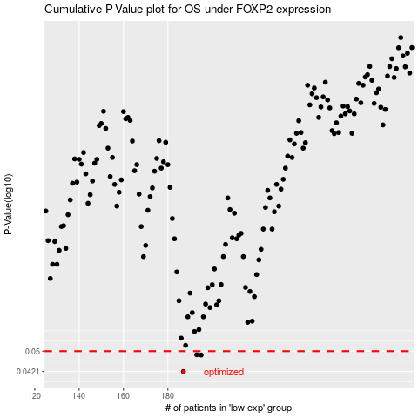

 |  |  |  |  |  | cases_OS | p_OS | rank | exp
 |  |  |  |  |  | 187 | 0.0421 | 129 | -0.44843979466
 |  |  |  |  |  | 195 | 0.0484 | 35 | -0.41392231931
 |  |  |  |  |  | 193 | 0.0485 | 116 | -0.42865774318
 |  |  |  |  |  |  | cases_RFS | p_RFS | rank | exp
 |  |  |  |  |  |  | 186 | 0.0421 | 97 | -0.46215769452
 |  |  |  |  |  |  | 194 | 0.0484 | 260 | -0.42833709103
 |  |  |  |  |  |  | 192 | 0.0485 | 74 | -0.42986565441

