FOXQ1 _multivariate
Reported by Tex Li-Hsing Chi. tex@gate.sinica.edu.tw 2019-08-19

Table 2. The clinicopathological features of HNSCC cohort and FOXQ1 expression. (Chi square test)
Cutoff at -0.284 (50.0%)
 |  | FOXQ1 expression |  | FOXQ1 expression |  | (Optimised)
 | Features | Low | (%) | High | (%) | Case no | P-value | Remark | Matthews
Gender | Female | 146 | 35.2 | 160 | 38.6 | 415 | 0.1714 | 0 | 0
2 | Male | 61 | 14.7 | 48 | 11.6
Age at diagnosis | <=65y | 142 | 34.2 | 132 | 31.8 | 415 | 0.3167 | 0 | 0
4 | >65y | 65 | 15.7 | 76 | 18.3
Clinical T Status | T1+T2 | 68 | 16.4 | 81 | 19.5 | 415 | 0.2336 | 0 | 0
6 | T3+T4 | 139 | 33.5 | 127 | 30.6
Clinical N Status | N0 | 105 | 25.3 | 111 | 26.7 | 415 | 0.6598 | 0 | 0
8 | N1-3 | 102 | 24.6 | 97 | 23.4
Clinical M Status | M0 | 206 | 49.6 | 206 | 49.6 | 415 | 1 | 0 | 0
10 | M1 | 1 | 0.2 | 2 | 0.5
Clinical Stage | Stage I+II | 49 | 11.8 | 53 | 12.8 | 415 | 0.7535 | 0 | 0
12 | Stage III+IV | 158 | 38.1 | 155 | 37.3
Surgical Margin status | Negative | 160 | 38.6 | 158 | 38.1 | 415 | 0.8167 | 0 | 0
14 | Positive | 47 | 11.3 | 50 | 12
Tobacco Exposure | Low | 79 | 19 | 82 | 19.8 | 415 | 0.8405 | 0 | 0
16 | High | 128 | 30.8 | 126 | 30.4

Table 3. Univariate/Multivariate Cox's proportional hazards regression analyses on OS time of FOXQ1 gene expression in HNSCC

 |  | Univariate |  |  |  | Multivariate
 | Features | HR | CI95%(L) | CI95%(H) | P-value | HR | CI95%(L) | CI95%(H) | P-value
1 | Female | 1 |  |  |  | 1
Gender | Male | 1.157 | 0.843 | 1.587 | 0.367 | 1.19 | 0.849 | 1.667 | 0.312
11 | <=65y | 1 |  |  |  | 1
Age at diagnosis | >65y | 1.329 | 0.99 | 1.784 | 0.058 | 1.399 | 1.028 | 1.903 | 0.033
12 | T1+T2 | 1 |  |  |  | 1
Clinical T Status | T3+T4 | 1.409 | 1.028 | 1.931 | 0.033 | 2.191 | 1.159 | 4.144 | 0.016
13 | N0 | 1 |  |  |  | 1
Clinical N Status | N1-3 | 1.185 | 0.89 | 1.577 | 0.246 | 1.238 | 0.868 | 1.767 | 0.239
14 | M0 | 1 |  |  |  | 1
Clinical M Status | M1 | 4.097 | 1.009 | 16.644 | 0.049 | 9.458 | 2.063 | 43.366 | 0.004
15 | Stage I+II | 1 |  |  |  | 1
Clinical Stage | Stage III+IV | 1.245 | 0.882 | 1.759 | 0.213 | 0.506 | 0.236 | 1.087 | 0.081
16 | Negative | 1 |  |  |  | 1
Surgical Margin status | Positive | 1.591 | 1.155 | 2.191 | 0.004 | 1.687 | 1.218 | 2.335 | 0.002
17 | Low | 1 |  |  |  | 1
Tobacco Exposure | High | 1.364 | 1.008 | 1.844 | 0.044 | 1.457 | 1.057 | 2.009 | 0.022
18 | Low | 1 |  |  |  | 1
RNAseq(z-score) | High | 0.958 | 0.719 | 1.276 | 0.769 | 0.927 | 0.693 | 1.24 | 0.608

Table 4. Univariate/Multivariate Cox's proportional hazards regression analyses on RFS time of FOXQ1 gene expression in HNSCC

 |  | Univariate |  |  |  | Multivariate
 | Features | HR | CI95%(L) | CI95%(H) | P-value | HR | CI95%(L) | CI95%(H) | P-value
1 | Female | 1 |  |  |  | 1
Gender | Male | 1.157 | 0.843 | 1.587 | 0.367 | 1.19 | 0.849 | 1.667 | 0.312
11 | <=65y | 1 |  |  |  | 1
Age at diagnosis | >65y | 1.329 | 0.99 | 1.784 | 0.058 | 1.399 | 1.028 | 1.903 | 0.033
12 | T1+T2 | 1 |  |  |  | 1
Clinical T Status | T3+T4 | 1.409 | 1.028 | 1.931 | 0.033 | 2.191 | 1.159 | 4.144 | 0.016
13 | N0 | 1 |  |  |  | 1
Clinical N Status | N1-3 | 1.185 | 0.89 | 1.577 | 0.246 | 1.238 | 0.868 | 1.767 | 0.239
14 | M0 | 1 |  |  |  | 1
Clinical M Status | M1 | 4.097 | 1.009 | 16.644 | 0.049 | 9.458 | 2.063 | 43.366 | 0.004
15 | Stage I+II | 1 |  |  |  | 1
Clinical Stage | Stage III+IV | 1.245 | 0.882 | 1.759 | 0.213 | 0.506 | 0.236 | 1.087 | 0.081
16 | Negative | 1 |  |  |  | 1
Surgical Margin status | Positive | 1.591 | 1.155 | 2.191 | 0.004 | 1.687 | 1.218 | 2.335 | 0.002
17 | Low | 1 |  |  |  | 1
Tobacco Exposure | High | 1.364 | 1.008 | 1.844 | 0.044 | 1.457 | 1.057 | 2.009 | 0.022
18 | Low | 1 |  |  |  | 1
RNAseq(z-score) | High | 0.958 | 0.719 | 1.276 | 0.769 | 0.927 | 0.693 | 1.24 | 0.608

Kaplan-Meier survival estimate: Cutoff at -0.284 (50.0%)



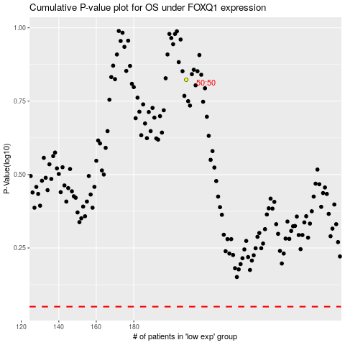

 |  |  |  |  |  | cases_OS | p_OS | rank | exp
 |  |  |  |  |  |  | cases_RFS | p_RFS | rank | exp

