FOXRED2 _multivariate
Reported by Tex Li-Hsing Chi. tex@gate.sinica.edu.tw 2019-08-19

Table 2. The clinicopathological features of HNSCC cohort and FOXRED2 expression. (Chi square test)
Cutoff at -0.32 (49.8%)
 |  | FOXRED2 expression |  | FOXRED2 expression |  | (Optimised)
 | Features | Low | (%) | High | (%) | Case no | P-value | Remark | Matthews
Gender | Female | 143 | 34.5 | 163 | 39.3 | 415 | 0.0416 | 1 | 0
2 | Male | 64 | 15.4 | 45 | 10.8
Age at diagnosis | <=65y | 129 | 31.1 | 145 | 34.9 | 415 | 0.1372 | 0 | 0
4 | >65y | 78 | 18.8 | 63 | 15.2
Clinical T Status | T1+T2 | 80 | 19.3 | 69 | 16.6 | 415 | 0.2891 | 0 | 0
6 | T3+T4 | 127 | 30.6 | 139 | 33.5
Clinical N Status | N0 | 108 | 26 | 108 | 26 | 415 | 1 | 0 | 0
8 | N1-3 | 99 | 23.9 | 100 | 24.1
Clinical M Status | M0 | 205 | 49.4 | 207 | 49.9 | 415 | 0.6232 | 0 | 0
10 | M1 | 2 | 0.5 | 1 | 0.2
Clinical Stage | Stage I+II | 60 | 14.5 | 42 | 10.1 | 415 | 0.0493 | 1 | 0
12 | Stage III+IV | 147 | 35.4 | 166 | 40
Surgical Margin status | Negative | 157 | 37.8 | 161 | 38.8 | 415 | 0.729 | 0 | 0
14 | Positive | 50 | 12 | 47 | 11.3
Tobacco Exposure | Low | 94 | 22.7 | 67 | 16.1 | 415 | 0.0065 | 1 | 0
16 | High | 113 | 27.2 | 141 | 34

Table 3. Univariate/Multivariate Cox's proportional hazards regression analyses on OS time of FOXRED2 gene expression in HNSCC

 |  | Univariate |  |  |  | Multivariate
 | Features | HR | CI95%(L) | CI95%(H) | P-value | HR | CI95%(L) | CI95%(H) | P-value
1 | Female | 1 |  |  |  | 1
Gender | Male | 1.157 | 0.843 | 1.587 | 0.367 | 1.19 | 0.851 | 1.664 | 0.309
11 | <=65y | 1 |  |  |  | 1
Age at diagnosis | >65y | 1.329 | 0.99 | 1.784 | 0.058 | 1.384 | 1.018 | 1.882 | 0.038
12 | T1+T2 | 1 |  |  |  | 1
Clinical T Status | T3+T4 | 1.409 | 1.028 | 1.931 | 0.033 | 2.176 | 1.15 | 4.119 | 0.017
13 | N0 | 1 |  |  |  | 1
Clinical N Status | N1-3 | 1.185 | 0.89 | 1.577 | 0.246 | 1.22 | 0.852 | 1.748 | 0.278
14 | M0 | 1 |  |  |  | 1
Clinical M Status | M1 | 4.097 | 1.009 | 16.644 | 0.049 | 9.227 | 2.011 | 42.341 | 0.004
15 | Stage I+II | 1 |  |  |  | 1
Clinical Stage | Stage III+IV | 1.245 | 0.882 | 1.759 | 0.213 | 0.522 | 0.241 | 1.129 | 0.099
16 | Negative | 1 |  |  |  | 1
Surgical Margin status | Positive | 1.591 | 1.155 | 2.191 | 0.004 | 1.665 | 1.205 | 2.301 | 0.002
17 | Low | 1 |  |  |  | 1
Tobacco Exposure | High | 1.364 | 1.008 | 1.844 | 0.044 | 1.462 | 1.06 | 2.015 | 0.02
18 | Low | 1 |  |  |  | 1
RNAseq(z-score) | High | 0.894 | 0.669 | 1.194 | 0.449 | 0.911 | 0.675 | 1.229 | 0.541

Table 4. Univariate/Multivariate Cox's proportional hazards regression analyses on RFS time of FOXRED2 gene expression in HNSCC

 |  | Univariate |  |  |  | Multivariate
 | Features | HR | CI95%(L) | CI95%(H) | P-value | HR | CI95%(L) | CI95%(H) | P-value
1 | Female | 1 |  |  |  | 1
Gender | Male | 1.157 | 0.843 | 1.587 | 0.367 | 1.19 | 0.851 | 1.664 | 0.309
11 | <=65y | 1 |  |  |  | 1
Age at diagnosis | >65y | 1.329 | 0.99 | 1.784 | 0.058 | 1.384 | 1.018 | 1.882 | 0.038
12 | T1+T2 | 1 |  |  |  | 1
Clinical T Status | T3+T4 | 1.409 | 1.028 | 1.931 | 0.033 | 2.176 | 1.15 | 4.119 | 0.017
13 | N0 | 1 |  |  |  | 1
Clinical N Status | N1-3 | 1.185 | 0.89 | 1.577 | 0.246 | 1.22 | 0.852 | 1.748 | 0.278
14 | M0 | 1 |  |  |  | 1
Clinical M Status | M1 | 4.097 | 1.009 | 16.644 | 0.049 | 9.227 | 2.011 | 42.341 | 0.004
15 | Stage I+II | 1 |  |  |  | 1
Clinical Stage | Stage III+IV | 1.245 | 0.882 | 1.759 | 0.213 | 0.522 | 0.241 | 1.129 | 0.099
16 | Negative | 1 |  |  |  | 1
Surgical Margin status | Positive | 1.591 | 1.155 | 2.191 | 0.004 | 1.665 | 1.205 | 2.301 | 0.002
17 | Low | 1 |  |  |  | 1
Tobacco Exposure | High | 1.364 | 1.008 | 1.844 | 0.044 | 1.462 | 1.06 | 2.015 | 0.02
18 | Low | 1 |  |  |  | 1
RNAseq(z-score) | High | 0.894 | 0.669 | 1.194 | 0.449 | 0.911 | 0.675 | 1.229 | 0.541

Kaplan-Meier survival estimate: Cutoff at -0.32 (49.8%)



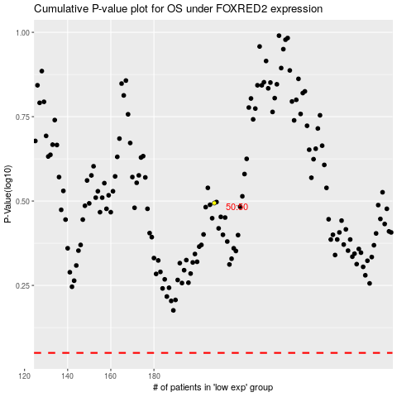

 |  |  |  |  |  | cases_OS | p_OS | rank | exp
 |  |  |  |  |  |  | cases_RFS | p_RFS | rank | exp

