FOXS1 _multivariate
Reported by Tex Li-Hsing Chi. tex@gate.sinica.edu.tw 2019-08-19

Table 2. The clinicopathological features of HNSCC cohort and FOXS1 expression. (Chi square test)
Cutoff at -0.25 (49.8%)
 |  | FOXS1 expression |  | FOXS1 expression |  | (Optimised)
 | Features | Low | (%) | High | (%) | Case no | P-value | Remark | Matthews
Gender | Female | 152 | 36.6 | 154 | 37.1 | 415 | 0.9766 | 0 | 0
2 | Male | 55 | 13.3 | 54 | 13
Age at diagnosis | <=65y | 138 | 33.3 | 136 | 32.8 | 415 | 0.8634 | 0 | 0
4 | >65y | 69 | 16.6 | 72 | 17.3
Clinical T Status | T1+T2 | 69 | 16.6 | 80 | 19.3 | 415 | 0.3239 | 0 | 0
6 | T3+T4 | 138 | 33.3 | 128 | 30.8
Clinical N Status | N0 | 112 | 27 | 104 | 25.1 | 415 | 0.4599 | 0 | 0
8 | N1-3 | 95 | 22.9 | 104 | 25.1
Clinical M Status | M0 | 205 | 49.4 | 207 | 49.9 | 415 | 0.6232 | 0 | 0
10 | M1 | 2 | 0.5 | 1 | 0.2
Clinical Stage | Stage I+II | 45 | 10.8 | 57 | 13.7 | 415 | 0.2202 | 0 | 0
12 | Stage III+IV | 162 | 39 | 151 | 36.4
Surgical Margin status | Negative | 160 | 38.6 | 158 | 38.1 | 415 | 0.8167 | 0 | 0
14 | Positive | 47 | 11.3 | 50 | 12
Tobacco Exposure | Low | 80 | 19.3 | 81 | 19.5 | 415 | 1 | 0 | 0
16 | High | 127 | 30.6 | 127 | 30.6

Table 3. Univariate/Multivariate Cox's proportional hazards regression analyses on OS time of FOXS1 gene expression in HNSCC

 |  | Univariate |  |  |  | Multivariate
 | Features | HR | CI95%(L) | CI95%(H) | P-value | HR | CI95%(L) | CI95%(H) | P-value
1 | Female | 1 |  |  |  | 1
Gender | Male | 1.157 | 0.843 | 1.587 | 0.367 | 1.199 | 0.858 | 1.676 | 0.287
11 | <=65y | 1 |  |  |  | 1
Age at diagnosis | >65y | 1.329 | 0.99 | 1.784 | 0.058 | 1.385 | 1.02 | 1.881 | 0.037
12 | T1+T2 | 1 |  |  |  | 1
Clinical T Status | T3+T4 | 1.409 | 1.028 | 1.931 | 0.033 | 2.242 | 1.185 | 4.242 | 0.013
13 | N0 | 1 |  |  |  | 1
Clinical N Status | N1-3 | 1.185 | 0.89 | 1.577 | 0.246 | 1.294 | 0.905 | 1.85 | 0.157
14 | M0 | 1 |  |  |  | 1
Clinical M Status | M1 | 4.097 | 1.009 | 16.644 | 0.049 | 9.208 | 2.009 | 42.211 | 0.004
15 | Stage I+II | 1 |  |  |  | 1
Clinical Stage | Stage III+IV | 1.245 | 0.882 | 1.759 | 0.213 | 0.481 | 0.224 | 1.033 | 0.061
16 | Negative | 1 |  |  |  | 1
Surgical Margin status | Positive | 1.591 | 1.155 | 2.191 | 0.004 | 1.689 | 1.222 | 2.335 | 0.002
17 | Low | 1 |  |  |  | 1
Tobacco Exposure | High | 1.364 | 1.008 | 1.844 | 0.044 | 1.433 | 1.04 | 1.976 | 0.028
18 | Low | 1 |  |  |  | 1
RNAseq(z-score) | High | 0.766 | 0.573 | 1.024 | 0.072 | 0.748 | 0.557 | 1.004 | 0.053

Table 4. Univariate/Multivariate Cox's proportional hazards regression analyses on RFS time of FOXS1 gene expression in HNSCC

 |  | Univariate |  |  |  | Multivariate
 | Features | HR | CI95%(L) | CI95%(H) | P-value | HR | CI95%(L) | CI95%(H) | P-value
1 | Female | 1 |  |  |  | 1
Gender | Male | 1.157 | 0.843 | 1.587 | 0.367 | 1.199 | 0.858 | 1.676 | 0.287
11 | <=65y | 1 |  |  |  | 1
Age at diagnosis | >65y | 1.329 | 0.99 | 1.784 | 0.058 | 1.385 | 1.02 | 1.881 | 0.037
12 | T1+T2 | 1 |  |  |  | 1
Clinical T Status | T3+T4 | 1.409 | 1.028 | 1.931 | 0.033 | 2.242 | 1.185 | 4.242 | 0.013
13 | N0 | 1 |  |  |  | 1
Clinical N Status | N1-3 | 1.185 | 0.89 | 1.577 | 0.246 | 1.294 | 0.905 | 1.85 | 0.157
14 | M0 | 1 |  |  |  | 1
Clinical M Status | M1 | 4.097 | 1.009 | 16.644 | 0.049 | 9.208 | 2.009 | 42.211 | 0.004
15 | Stage I+II | 1 |  |  |  | 1
Clinical Stage | Stage III+IV | 1.245 | 0.882 | 1.759 | 0.213 | 0.481 | 0.224 | 1.033 | 0.061
16 | Negative | 1 |  |  |  | 1
Surgical Margin status | Positive | 1.591 | 1.155 | 2.191 | 0.004 | 1.689 | 1.222 | 2.335 | 0.002
17 | Low | 1 |  |  |  | 1
Tobacco Exposure | High | 1.364 | 1.008 | 1.844 | 0.044 | 1.433 | 1.04 | 1.976 | 0.028
18 | Low | 1 |  |  |  | 1
RNAseq(z-score) | High | 0.766 | 0.573 | 1.024 | 0.072 | 0.748 | 0.557 | 1.004 | 0.053

Kaplan-Meier survival estimate: Cutoff at -0.25 (49.8%)



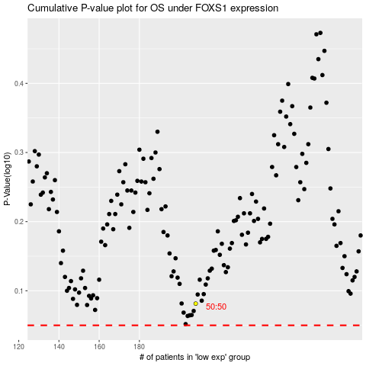

 |  |  |  |  |  | cases_OS | p_OS | rank | exp
 |  |  |  |  |  |  | cases_RFS | p_RFS | rank | exp

