FPGS _multivariate
Reported by Tex Li-Hsing Chi. tex@gate.sinica.edu.tw 2019-08-19

Table 2. The clinicopathological features of HNSCC cohort and FPGS expression. (Chi square test)
Cutoff at -0.138 (49.8%)
 |  | FPGS expression |  | FPGS expression |  | (Optimised)
 | Features | Low | (%) | High | (%) | Case no | P-value | Remark | Matthews
Gender | Female | 149 | 35.9 | 157 | 37.8 | 415 | 0.4848 | 0 | 0
2 | Male | 58 | 14 | 51 | 12.3
Age at diagnosis | <=65y | 135 | 32.5 | 139 | 33.5 | 415 | 0.8084 | 0 | 0
4 | >65y | 72 | 17.3 | 69 | 16.6
Clinical T Status | T1+T2 | 70 | 16.9 | 79 | 19 | 415 | 0.4343 | 0 | 0
6 | T3+T4 | 137 | 33 | 129 | 31.1
Clinical N Status | N0 | 118 | 28.4 | 98 | 23.6 | 415 | 0.0551 | 1 | 0
8 | N1-3 | 89 | 21.4 | 110 | 26.5
Clinical M Status | M0 | 206 | 49.6 | 206 | 49.6 | 415 | 1 | 0 | 0
10 | M1 | 1 | 0.2 | 2 | 0.5
Clinical Stage | Stage I+II | 47 | 11.3 | 55 | 13.3 | 415 | 0.4413 | 0 | 0
12 | Stage III+IV | 160 | 38.6 | 153 | 36.9
Surgical Margin status | Negative | 160 | 38.6 | 158 | 38.1 | 415 | 0.8167 | 0 | 0
14 | Positive | 47 | 11.3 | 50 | 12
Tobacco Exposure | Low | 88 | 21.2 | 73 | 17.6 | 415 | 0.1314 | 0 | 0
16 | High | 119 | 28.7 | 135 | 32.5

Table 3. Univariate/Multivariate Cox's proportional hazards regression analyses on OS time of FPGS gene expression in HNSCC

 |  | Univariate |  |  |  | Multivariate
 | Features | HR | CI95%(L) | CI95%(H) | P-value | HR | CI95%(L) | CI95%(H) | P-value
1 | Female | 1 |  |  |  | 1
Gender | Male | 1.157 | 0.843 | 1.587 | 0.367 | 1.199 | 0.858 | 1.675 | 0.288
11 | <=65y | 1 |  |  |  | 1
Age at diagnosis | >65y | 1.329 | 0.99 | 1.784 | 0.058 | 1.395 | 1.026 | 1.897 | 0.034
12 | T1+T2 | 1 |  |  |  | 1
Clinical T Status | T3+T4 | 1.409 | 1.028 | 1.931 | 0.033 | 2.208 | 1.167 | 4.178 | 0.015
13 | N0 | 1 |  |  |  | 1
Clinical N Status | N1-3 | 1.185 | 0.89 | 1.577 | 0.246 | 1.253 | 0.871 | 1.805 | 0.224
14 | M0 | 1 |  |  |  | 1
Clinical M Status | M1 | 4.097 | 1.009 | 16.644 | 0.049 | 9.438 | 2.059 | 43.273 | 0.004
15 | Stage I+II | 1 |  |  |  | 1
Clinical Stage | Stage III+IV | 1.245 | 0.882 | 1.759 | 0.213 | 0.499 | 0.232 | 1.076 | 0.076
16 | Negative | 1 |  |  |  | 1
Surgical Margin status | Positive | 1.591 | 1.155 | 2.191 | 0.004 | 1.677 | 1.212 | 2.321 | 0.002
17 | Low | 1 |  |  |  | 1
Tobacco Exposure | High | 1.364 | 1.008 | 1.844 | 0.044 | 1.454 | 1.056 | 2.004 | 0.022
18 | Low | 1 |  |  |  | 1
RNAseq(z-score) | High | 1.048 | 0.786 | 1.398 | 0.749 | 0.963 | 0.716 | 1.297 | 0.805

Table 4. Univariate/Multivariate Cox's proportional hazards regression analyses on RFS time of FPGS gene expression in HNSCC

 |  | Univariate |  |  |  | Multivariate
 | Features | HR | CI95%(L) | CI95%(H) | P-value | HR | CI95%(L) | CI95%(H) | P-value
1 | Female | 1 |  |  |  | 1
Gender | Male | 1.157 | 0.843 | 1.587 | 0.367 | 1.199 | 0.858 | 1.675 | 0.288
11 | <=65y | 1 |  |  |  | 1
Age at diagnosis | >65y | 1.329 | 0.99 | 1.784 | 0.058 | 1.395 | 1.026 | 1.897 | 0.034
12 | T1+T2 | 1 |  |  |  | 1
Clinical T Status | T3+T4 | 1.409 | 1.028 | 1.931 | 0.033 | 2.208 | 1.167 | 4.178 | 0.015
13 | N0 | 1 |  |  |  | 1
Clinical N Status | N1-3 | 1.185 | 0.89 | 1.577 | 0.246 | 1.253 | 0.871 | 1.805 | 0.224
14 | M0 | 1 |  |  |  | 1
Clinical M Status | M1 | 4.097 | 1.009 | 16.644 | 0.049 | 9.438 | 2.059 | 43.273 | 0.004
15 | Stage I+II | 1 |  |  |  | 1
Clinical Stage | Stage III+IV | 1.245 | 0.882 | 1.759 | 0.213 | 0.499 | 0.232 | 1.076 | 0.076
16 | Negative | 1 |  |  |  | 1
Surgical Margin status | Positive | 1.591 | 1.155 | 2.191 | 0.004 | 1.677 | 1.212 | 2.321 | 0.002
17 | Low | 1 |  |  |  | 1
Tobacco Exposure | High | 1.364 | 1.008 | 1.844 | 0.044 | 1.454 | 1.056 | 2.004 | 0.022
18 | Low | 1 |  |  |  | 1
RNAseq(z-score) | High | 1.048 | 0.786 | 1.398 | 0.749 | 0.963 | 0.716 | 1.297 | 0.805

Kaplan-Meier survival estimate: Cutoff at -0.138 (49.8%)



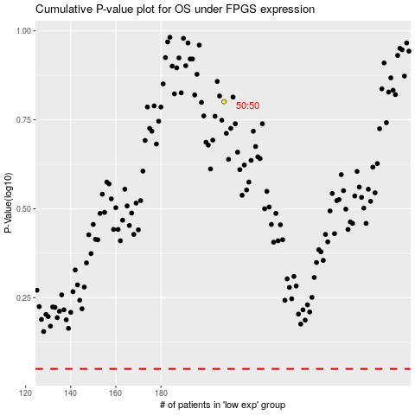

 |  |  |  |  |  | cases_OS | p_OS | rank | exp
 |  |  |  |  |  |  | cases_RFS | p_RFS | rank | exp

