FPR3 _multivariate
Reported by Tex Li-Hsing Chi. tex@gate.sinica.edu.tw 2019-08-19

Table 2. The clinicopathological features of HNSCC cohort and FPR3 expression. (Chi square test)
Cutoff at -0.257 (50.0%)
 |  | FPR3 expression |  | FPR3 expression |  | (Optimised)
 | Features | Low | (%) | High | (%) | Case no | P-value | Remark | Matthews
Gender | Female | 163 | 39.3 | 143 | 34.5 | 415 | 0.0277 | 1 | 0
2 | Male | 44 | 10.6 | 65 | 15.7
Age at diagnosis | <=65y | 140 | 33.7 | 134 | 32.3 | 415 | 0.5574 | 0 | 0
4 | >65y | 67 | 16.1 | 74 | 17.8
Clinical T Status | T1+T2 | 74 | 17.8 | 75 | 18.1 | 415 | 1 | 0 | 0
6 | T3+T4 | 133 | 32 | 133 | 32
Clinical N Status | N0 | 118 | 28.4 | 98 | 23.6 | 415 | 0.0551 | 1 | 0
8 | N1-3 | 89 | 21.4 | 110 | 26.5
Clinical M Status | M0 | 206 | 49.6 | 206 | 49.6 | 415 | 1 | 0 | 0
10 | M1 | 1 | 0.2 | 2 | 0.5
Clinical Stage | Stage I+II | 52 | 12.5 | 50 | 12 | 415 | 0.8871 | 0 | 0
12 | Stage III+IV | 155 | 37.3 | 158 | 38.1
Surgical Margin status | Negative | 154 | 37.1 | 164 | 39.5 | 415 | 0.2984 | 0 | 0
14 | Positive | 53 | 12.8 | 44 | 10.6
Tobacco Exposure | Low | 74 | 17.8 | 87 | 21 | 415 | 0.227 | 0 | 0
16 | High | 133 | 32 | 121 | 29.2

Table 3. Univariate/Multivariate Cox's proportional hazards regression analyses on OS time of FPR3 gene expression in HNSCC

 |  | Univariate |  |  |  | Multivariate
 | Features | HR | CI95%(L) | CI95%(H) | P-value | HR | CI95%(L) | CI95%(H) | P-value
1 | Female | 1 |  |  |  | 1
Gender | Male | 1.157 | 0.843 | 1.587 | 0.367 | 1.184 | 0.848 | 1.655 | 0.321
11 | <=65y | 1 |  |  |  | 1
Age at diagnosis | >65y | 1.329 | 0.99 | 1.784 | 0.058 | 1.394 | 1.025 | 1.897 | 0.034
12 | T1+T2 | 1 |  |  |  | 1
Clinical T Status | T3+T4 | 1.409 | 1.028 | 1.931 | 0.033 | 2.149 | 1.135 | 4.069 | 0.019
13 | N0 | 1 |  |  |  | 1
Clinical N Status | N1-3 | 1.185 | 0.89 | 1.577 | 0.246 | 1.205 | 0.843 | 1.724 | 0.307
14 | M0 | 1 |  |  |  | 1
Clinical M Status | M1 | 4.097 | 1.009 | 16.644 | 0.049 | 8.724 | 1.897 | 40.123 | 0.005
15 | Stage I+II | 1 |  |  |  | 1
Clinical Stage | Stage III+IV | 1.245 | 0.882 | 1.759 | 0.213 | 0.526 | 0.244 | 1.133 | 0.101
16 | Negative | 1 |  |  |  | 1
Surgical Margin status | Positive | 1.591 | 1.155 | 2.191 | 0.004 | 1.681 | 1.217 | 2.322 | 0.002
17 | Low | 1 |  |  |  | 1
Tobacco Exposure | High | 1.364 | 1.008 | 1.844 | 0.044 | 1.495 | 1.082 | 2.064 | 0.015
18 | Low | 1 |  |  |  | 1
RNAseq(z-score) | High | 1.234 | 0.926 | 1.644 | 0.151 | 1.231 | 0.918 | 1.651 | 0.164

Table 4. Univariate/Multivariate Cox's proportional hazards regression analyses on RFS time of FPR3 gene expression in HNSCC

 |  | Univariate |  |  |  | Multivariate
 | Features | HR | CI95%(L) | CI95%(H) | P-value | HR | CI95%(L) | CI95%(H) | P-value
1 | Female | 1 |  |  |  | 1
Gender | Male | 1.157 | 0.843 | 1.587 | 0.367 | 1.184 | 0.848 | 1.655 | 0.321
11 | <=65y | 1 |  |  |  | 1
Age at diagnosis | >65y | 1.329 | 0.99 | 1.784 | 0.058 | 1.394 | 1.025 | 1.897 | 0.034
12 | T1+T2 | 1 |  |  |  | 1
Clinical T Status | T3+T4 | 1.409 | 1.028 | 1.931 | 0.033 | 2.149 | 1.135 | 4.069 | 0.019
13 | N0 | 1 |  |  |  | 1
Clinical N Status | N1-3 | 1.185 | 0.89 | 1.577 | 0.246 | 1.205 | 0.843 | 1.724 | 0.307
14 | M0 | 1 |  |  |  | 1
Clinical M Status | M1 | 4.097 | 1.009 | 16.644 | 0.049 | 8.724 | 1.897 | 40.123 | 0.005
15 | Stage I+II | 1 |  |  |  | 1
Clinical Stage | Stage III+IV | 1.245 | 0.882 | 1.759 | 0.213 | 0.526 | 0.244 | 1.133 | 0.101
16 | Negative | 1 |  |  |  | 1
Surgical Margin status | Positive | 1.591 | 1.155 | 2.191 | 0.004 | 1.681 | 1.217 | 2.322 | 0.002
17 | Low | 1 |  |  |  | 1
Tobacco Exposure | High | 1.364 | 1.008 | 1.844 | 0.044 | 1.495 | 1.082 | 2.064 | 0.015
18 | Low | 1 |  |  |  | 1
RNAseq(z-score) | High | 1.234 | 0.926 | 1.644 | 0.151 | 1.231 | 0.918 | 1.651 | 0.164

Kaplan-Meier survival estimate: Cutoff at -0.257 (50.0%)



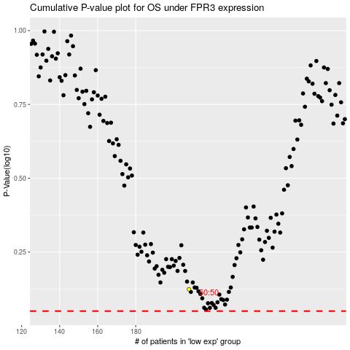

 |  |  |  |  |  | cases_OS | p_OS | rank | exp
 |  |  |  |  |  |  | cases_RFS | p_RFS | rank | exp

