FRAT2 _multivariate
Reported by Tex Li-Hsing Chi. tex@gate.sinica.edu.tw 2019-08-19

Table 2. The clinicopathological features of HNSCC cohort and FRAT2 expression. (Chi square test)
Cutoff at -0.302 (49.8%)
 |  | FRAT2 expression |  | FRAT2 expression |  | (Optimised)
 | Features | Low | (%) | High | (%) | Case no | P-value | Remark | Matthews
Gender | Female | 144 | 34.7 | 162 | 39 | 415 | 0.0697 | 0 | 0
2 | Male | 63 | 15.2 | 46 | 11.1
Age at diagnosis | <=65y | 141 | 34 | 133 | 32 | 415 | 0.4272 | 0 | 0
4 | >65y | 66 | 15.9 | 75 | 18.1
Clinical T Status | T1+T2 | 78 | 18.8 | 71 | 17.1 | 415 | 0.5152 | 0 | 0
6 | T3+T4 | 129 | 31.1 | 137 | 33
Clinical N Status | N0 | 107 | 25.8 | 109 | 26.3 | 415 | 0.9624 | 0 | 0
8 | N1-3 | 100 | 24.1 | 99 | 23.9
Clinical M Status | M0 | 205 | 49.4 | 207 | 49.9 | 415 | 0.6232 | 0 | 0
10 | M1 | 2 | 0.5 | 1 | 0.2
Clinical Stage | Stage I+II | 58 | 14 | 44 | 10.6 | 415 | 0.131 | 0 | 0
12 | Stage III+IV | 149 | 35.9 | 164 | 39.5
Surgical Margin status | Negative | 171 | 41.2 | 147 | 35.4 | 415 | 0.0052 | 1 | 0
14 | Positive | 36 | 8.7 | 61 | 14.7
Tobacco Exposure | Low | 84 | 20.2 | 77 | 18.6 | 415 | 0.4816 | 0 | 0
16 | High | 123 | 29.6 | 131 | 31.6

Table 3. Univariate/Multivariate Cox's proportional hazards regression analyses on OS time of FRAT2 gene expression in HNSCC

 |  | Univariate |  |  |  | Multivariate
 | Features | HR | CI95%(L) | CI95%(H) | P-value | HR | CI95%(L) | CI95%(H) | P-value
1 | Female | 1 |  |  |  | 1
Gender | Male | 1.157 | 0.843 | 1.587 | 0.367 | 1.174 | 0.838 | 1.646 | 0.351
11 | <=65y | 1 |  |  |  | 1
Age at diagnosis | >65y | 1.329 | 0.99 | 1.784 | 0.058 | 1.41 | 1.036 | 1.919 | 0.029
12 | T1+T2 | 1 |  |  |  | 1
Clinical T Status | T3+T4 | 1.409 | 1.028 | 1.931 | 0.033 | 2.178 | 1.152 | 4.12 | 0.017
13 | N0 | 1 |  |  |  | 1
Clinical N Status | N1-3 | 1.185 | 0.89 | 1.577 | 0.246 | 1.232 | 0.864 | 1.757 | 0.249
14 | M0 | 1 |  |  |  | 1
Clinical M Status | M1 | 4.097 | 1.009 | 16.644 | 0.049 | 8.82 | 1.917 | 40.59 | 0.005
15 | Stage I+II | 1 |  |  |  | 1
Clinical Stage | Stage III+IV | 1.245 | 0.882 | 1.759 | 0.213 | 0.525 | 0.244 | 1.13 | 0.099
16 | Negative | 1 |  |  |  | 1
Surgical Margin status | Positive | 1.591 | 1.155 | 2.191 | 0.004 | 1.735 | 1.247 | 2.413 | 0.001
17 | Low | 1 |  |  |  | 1
Tobacco Exposure | High | 1.364 | 1.008 | 1.844 | 0.044 | 1.457 | 1.057 | 2.01 | 0.022
18 | Low | 1 |  |  |  | 1
RNAseq(z-score) | High | 0.926 | 0.693 | 1.237 | 0.602 | 0.843 | 0.622 | 1.142 | 0.27

Table 4. Univariate/Multivariate Cox's proportional hazards regression analyses on RFS time of FRAT2 gene expression in HNSCC

 |  | Univariate |  |  |  | Multivariate
 | Features | HR | CI95%(L) | CI95%(H) | P-value | HR | CI95%(L) | CI95%(H) | P-value
1 | Female | 1 |  |  |  | 1
Gender | Male | 1.157 | 0.843 | 1.587 | 0.367 | 1.174 | 0.838 | 1.646 | 0.351
11 | <=65y | 1 |  |  |  | 1
Age at diagnosis | >65y | 1.329 | 0.99 | 1.784 | 0.058 | 1.41 | 1.036 | 1.919 | 0.029
12 | T1+T2 | 1 |  |  |  | 1
Clinical T Status | T3+T4 | 1.409 | 1.028 | 1.931 | 0.033 | 2.178 | 1.152 | 4.12 | 0.017
13 | N0 | 1 |  |  |  | 1
Clinical N Status | N1-3 | 1.185 | 0.89 | 1.577 | 0.246 | 1.232 | 0.864 | 1.757 | 0.249
14 | M0 | 1 |  |  |  | 1
Clinical M Status | M1 | 4.097 | 1.009 | 16.644 | 0.049 | 8.82 | 1.917 | 40.59 | 0.005
15 | Stage I+II | 1 |  |  |  | 1
Clinical Stage | Stage III+IV | 1.245 | 0.882 | 1.759 | 0.213 | 0.525 | 0.244 | 1.13 | 0.099
16 | Negative | 1 |  |  |  | 1
Surgical Margin status | Positive | 1.591 | 1.155 | 2.191 | 0.004 | 1.735 | 1.247 | 2.413 | 0.001
17 | Low | 1 |  |  |  | 1
Tobacco Exposure | High | 1.364 | 1.008 | 1.844 | 0.044 | 1.457 | 1.057 | 2.01 | 0.022
18 | Low | 1 |  |  |  | 1
RNAseq(z-score) | High | 0.926 | 0.693 | 1.237 | 0.602 | 0.843 | 0.622 | 1.142 | 0.27

Kaplan-Meier survival estimate: Cutoff at -0.302 (49.8%)



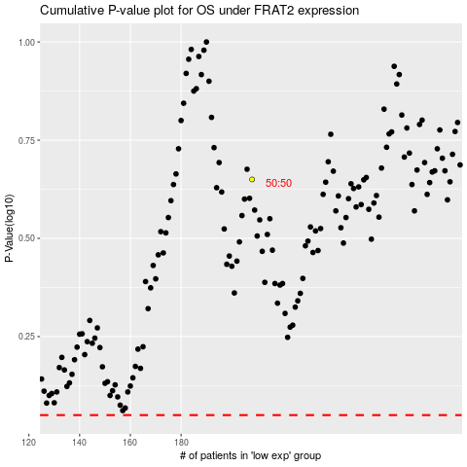

 |  |  |  |  |  | cases_OS | p_OS | rank | exp
 |  |  |  |  |  |  | cases_RFS | p_RFS | rank | exp

