FREM1 _multivariate
Reported by Tex Li-Hsing Chi. tex@gate.sinica.edu.tw 2019-08-19

Table 2. The clinicopathological features of HNSCC cohort and FREM1 expression. (Chi square test)
Cutoff at -0.346 (50.0%)
 |  | FREM1 expression |  | FREM1 expression |  | (Optimised)
 | Features | Low | (%) | High | (%) | Case no | P-value | Remark | Matthews
Gender | Female | 159 | 38.3 | 147 | 35.4 | 415 | 0.1905 | 0 | 0
2 | Male | 48 | 11.6 | 61 | 14.7
Age at diagnosis | <=65y | 140 | 33.7 | 134 | 32.3 | 415 | 0.5574 | 0 | 0
4 | >65y | 67 | 16.1 | 74 | 17.8
Clinical T Status | T1+T2 | 78 | 18.8 | 71 | 17.1 | 415 | 0.5152 | 0 | 0
6 | T3+T4 | 129 | 31.1 | 137 | 33
Clinical N Status | N0 | 99 | 23.9 | 117 | 28.2 | 415 | 0.1054 | 0 | 0
8 | N1-3 | 108 | 26 | 91 | 21.9
Clinical M Status | M0 | 205 | 49.4 | 207 | 49.9 | 415 | 0.6232 | 0 | 0
10 | M1 | 2 | 0.5 | 1 | 0.2
Clinical Stage | Stage I+II | 51 | 12.3 | 51 | 12.3 | 415 | 1 | 0 | 0
12 | Stage III+IV | 156 | 37.6 | 157 | 37.8
Surgical Margin status | Negative | 160 | 38.6 | 158 | 38.1 | 415 | 0.8167 | 0 | 0
14 | Positive | 47 | 11.3 | 50 | 12
Tobacco Exposure | Low | 83 | 20 | 78 | 18.8 | 415 | 0.6152 | 0 | 0
16 | High | 124 | 29.9 | 130 | 31.3

Table 3. Univariate/Multivariate Cox's proportional hazards regression analyses on OS time of FREM1 gene expression in HNSCC

 |  | Univariate |  |  |  | Multivariate
 | Features | HR | CI95%(L) | CI95%(H) | P-value | HR | CI95%(L) | CI95%(H) | P-value
1 | Female | 1 |  |  |  | 1
Gender | Male | 1.157 | 0.843 | 1.587 | 0.367 | 1.219 | 0.872 | 1.703 | 0.247
11 | <=65y | 1 |  |  |  | 1
Age at diagnosis | >65y | 1.329 | 0.99 | 1.784 | 0.058 | 1.402 | 1.031 | 1.907 | 0.031
12 | T1+T2 | 1 |  |  |  | 1
Clinical T Status | T3+T4 | 1.409 | 1.028 | 1.931 | 0.033 | 2.253 | 1.19 | 4.266 | 0.013
13 | N0 | 1 |  |  |  | 1
Clinical N Status | N1-3 | 1.185 | 0.89 | 1.577 | 0.246 | 1.216 | 0.85 | 1.739 | 0.285
14 | M0 | 1 |  |  |  | 1
Clinical M Status | M1 | 4.097 | 1.009 | 16.644 | 0.049 | 9.622 | 2.097 | 44.153 | 0.004
15 | Stage I+II | 1 |  |  |  | 1
Clinical Stage | Stage III+IV | 1.245 | 0.882 | 1.759 | 0.213 | 0.499 | 0.233 | 1.072 | 0.075
16 | Negative | 1 |  |  |  | 1
Surgical Margin status | Positive | 1.591 | 1.155 | 2.191 | 0.004 | 1.699 | 1.227 | 2.351 | 0.001
17 | Low | 1 |  |  |  | 1
Tobacco Exposure | High | 1.364 | 1.008 | 1.844 | 0.044 | 1.464 | 1.061 | 2.019 | 0.02
18 | Low | 1 |  |  |  | 1
RNAseq(z-score) | High | 0.945 | 0.709 | 1.259 | 0.698 | 0.864 | 0.644 | 1.159 | 0.328

Table 4. Univariate/Multivariate Cox's proportional hazards regression analyses on RFS time of FREM1 gene expression in HNSCC

 |  | Univariate |  |  |  | Multivariate
 | Features | HR | CI95%(L) | CI95%(H) | P-value | HR | CI95%(L) | CI95%(H) | P-value
1 | Female | 1 |  |  |  | 1
Gender | Male | 1.157 | 0.843 | 1.587 | 0.367 | 1.219 | 0.872 | 1.703 | 0.247
11 | <=65y | 1 |  |  |  | 1
Age at diagnosis | >65y | 1.329 | 0.99 | 1.784 | 0.058 | 1.402 | 1.031 | 1.907 | 0.031
12 | T1+T2 | 1 |  |  |  | 1
Clinical T Status | T3+T4 | 1.409 | 1.028 | 1.931 | 0.033 | 2.253 | 1.19 | 4.266 | 0.013
13 | N0 | 1 |  |  |  | 1
Clinical N Status | N1-3 | 1.185 | 0.89 | 1.577 | 0.246 | 1.216 | 0.85 | 1.739 | 0.285
14 | M0 | 1 |  |  |  | 1
Clinical M Status | M1 | 4.097 | 1.009 | 16.644 | 0.049 | 9.622 | 2.097 | 44.153 | 0.004
15 | Stage I+II | 1 |  |  |  | 1
Clinical Stage | Stage III+IV | 1.245 | 0.882 | 1.759 | 0.213 | 0.499 | 0.233 | 1.072 | 0.075
16 | Negative | 1 |  |  |  | 1
Surgical Margin status | Positive | 1.591 | 1.155 | 2.191 | 0.004 | 1.699 | 1.227 | 2.351 | 0.001
17 | Low | 1 |  |  |  | 1
Tobacco Exposure | High | 1.364 | 1.008 | 1.844 | 0.044 | 1.464 | 1.061 | 2.019 | 0.02
18 | Low | 1 |  |  |  | 1
RNAseq(z-score) | High | 0.945 | 0.709 | 1.259 | 0.698 | 0.864 | 0.644 | 1.159 | 0.328

Kaplan-Meier survival estimate: Cutoff at -0.346 (50.0%)



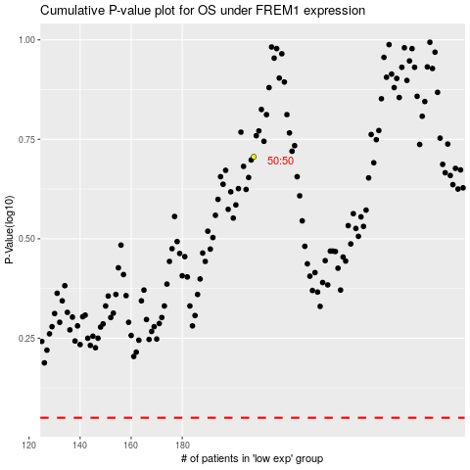

 |  |  |  |  |  | cases_OS | p_OS | rank | exp
 |  |  |  |  |  |  | cases_RFS | p_RFS | rank | exp

