FRG1 _multivariate
Reported by Tex Li-Hsing Chi. tex@gate.sinica.edu.tw 2019-08-19

Table 2. The clinicopathological features of HNSCC cohort and FRG1 expression. (Chi square test)
Cutoff at -0.305 (46.6%)
 |  | FRG1 expression |  | FRG1 expression |  | (Optimised)
 | Features | Low | (%) | High | (%) | Case no | P-value | Remark | Matthews
Gender | Female | 142 | 34.2 | 164 | 39.5 | 415 | 0.9029 | 0 | 0
2 | Male | 52 | 12.5 | 57 | 13.7
Age at diagnosis | <=65y | 134 | 32.3 | 140 | 33.7 | 415 | 0.2608 | 0 | 0
4 | >65y | 60 | 14.5 | 81 | 19.5
Clinical T Status | T1+T2 | 71 | 17.1 | 78 | 18.8 | 415 | 0.8621 | 0 | 0
6 | T3+T4 | 123 | 29.6 | 143 | 34.5
Clinical N Status | N0 | 103 | 24.8 | 113 | 27.2 | 415 | 0.7637 | 0 | 0
8 | N1-3 | 91 | 21.9 | 108 | 26
Clinical M Status | M0 | 192 | 46.3 | 220 | 53 | 415 | 0.6012 | 0 | 0
10 | M1 | 2 | 0.5 | 1 | 0.2
Clinical Stage | Stage I+II | 52 | 12.5 | 50 | 12 | 415 | 0.383 | 0 | 0
12 | Stage III+IV | 142 | 34.2 | 171 | 41.2
Surgical Margin status | Negative | 162 | 39 | 156 | 37.6 | 415 | 0.0024 | 1 | 0
14 | Positive | 32 | 7.7 | 65 | 15.7
Tobacco Exposure | Low | 77 | 18.6 | 84 | 20.2 | 415 | 0.7624 | 0 | 0
16 | High | 117 | 28.2 | 137 | 33

Table 3. Univariate/Multivariate Cox's proportional hazards regression analyses on OS time of FRG1 gene expression in HNSCC

 |  | Univariate |  |  |  | Multivariate
 | Features | HR | CI95%(L) | CI95%(H) | P-value | HR | CI95%(L) | CI95%(H) | P-value
1 | Female | 1 |  |  |  | 1
Gender | Male | 1.157 | 0.843 | 1.587 | 0.367 | 1.199 | 0.859 | 1.673 | 0.286
11 | <=65y | 1 |  |  |  | 1
Age at diagnosis | >65y | 1.329 | 0.99 | 1.784 | 0.058 | 1.37 | 1.007 | 1.864 | 0.045
12 | T1+T2 | 1 |  |  |  | 1
Clinical T Status | T3+T4 | 1.409 | 1.028 | 1.931 | 0.033 | 2.267 | 1.198 | 4.289 | 0.012
13 | N0 | 1 |  |  |  | 1
Clinical N Status | N1-3 | 1.185 | 0.89 | 1.577 | 0.246 | 1.25 | 0.877 | 1.783 | 0.217
14 | M0 | 1 |  |  |  | 1
Clinical M Status | M1 | 4.097 | 1.009 | 16.644 | 0.049 | 9.908 | 2.158 | 45.494 | 0.003
15 | Stage I+II | 1 |  |  |  | 1
Clinical Stage | Stage III+IV | 1.245 | 0.882 | 1.759 | 0.213 | 0.483 | 0.225 | 1.038 | 0.062
16 | Negative | 1 |  |  |  | 1
Surgical Margin status | Positive | 1.591 | 1.155 | 2.191 | 0.004 | 1.589 | 1.143 | 2.21 | 0.006
17 | Low | 1 |  |  |  | 1
Tobacco Exposure | High | 1.364 | 1.008 | 1.844 | 0.044 | 1.445 | 1.048 | 1.992 | 0.025
18 | Low | 1 |  |  |  | 1
RNAseq(z-score) | High | 1.346 | 1.008 | 1.799 | 0.044 | 1.249 | 0.927 | 1.684 | 0.144

Table 4. Univariate/Multivariate Cox's proportional hazards regression analyses on RFS time of FRG1 gene expression in HNSCC

 |  | Univariate |  |  |  | Multivariate
 | Features | HR | CI95%(L) | CI95%(H) | P-value | HR | CI95%(L) | CI95%(H) | P-value
1 | Female | 1 |  |  |  | 1
Gender | Male | 1.157 | 0.843 | 1.587 | 0.367 | 1.199 | 0.859 | 1.673 | 0.286
11 | <=65y | 1 |  |  |  | 1
Age at diagnosis | >65y | 1.329 | 0.99 | 1.784 | 0.058 | 1.37 | 1.007 | 1.864 | 0.045
12 | T1+T2 | 1 |  |  |  | 1
Clinical T Status | T3+T4 | 1.409 | 1.028 | 1.931 | 0.033 | 2.267 | 1.198 | 4.289 | 0.012
13 | N0 | 1 |  |  |  | 1
Clinical N Status | N1-3 | 1.185 | 0.89 | 1.577 | 0.246 | 1.25 | 0.877 | 1.783 | 0.217
14 | M0 | 1 |  |  |  | 1
Clinical M Status | M1 | 4.097 | 1.009 | 16.644 | 0.049 | 9.908 | 2.158 | 45.494 | 0.003
15 | Stage I+II | 1 |  |  |  | 1
Clinical Stage | Stage III+IV | 1.245 | 0.882 | 1.759 | 0.213 | 0.483 | 0.225 | 1.038 | 0.062
16 | Negative | 1 |  |  |  | 1
Surgical Margin status | Positive | 1.591 | 1.155 | 2.191 | 0.004 | 1.589 | 1.143 | 2.21 | 0.006
17 | Low | 1 |  |  |  | 1
Tobacco Exposure | High | 1.364 | 1.008 | 1.844 | 0.044 | 1.445 | 1.048 | 1.992 | 0.025
18 | Low | 1 |  |  |  | 1
RNAseq(z-score) | High | 1.346 | 1.008 | 1.799 | 0.044 | 1.249 | 0.927 | 1.684 | 0.144

Kaplan-Meier survival estimate: Cutoff at -0.305 (46.6%)



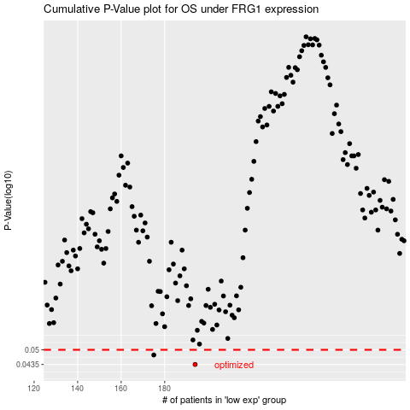

 |  |  |  |  |  | cases_OS | p_OS | rank | exp
 |  |  |  |  |  | 194 | 0.0435 | 124 | -0.30522744053
 |  |  |  |  |  | 175 | 0.0476 | 70 | -0.35667409567
 |  |  |  |  |  |  | cases_RFS | p_RFS | rank | exp
 |  |  |  |  |  |  | 193 | 0.0435 | 44 | -0.30722750814
 |  |  |  |  |  |  | 174 | 0.0476 | 177 | -0.36395052566

