FRK _multivariate
Reported by Tex Li-Hsing Chi. tex@gate.sinica.edu.tw 2019-08-19

Table 2. The clinicopathological features of HNSCC cohort and FRK expression. (Chi square test)
Cutoff at -0.228 (50.0%)
 |  | FRK expression |  | FRK expression |  | (Optimised)
 | Features | Low | (%) | High | (%) | Case no | P-value | Remark | Matthews
Gender | Female | 154 | 37.1 | 152 | 36.6 | 415 | 0.8463 | 0 | 0
2 | Male | 53 | 12.8 | 56 | 13.5
Age at diagnosis | <=65y | 140 | 33.7 | 134 | 32.3 | 415 | 0.5574 | 0 | 0
4 | >65y | 67 | 16.1 | 74 | 17.8
Clinical T Status | T1+T2 | 82 | 19.8 | 67 | 16.1 | 415 | 0.1417 | 0 | 0
6 | T3+T4 | 125 | 30.1 | 141 | 34
Clinical N Status | N0 | 114 | 27.5 | 102 | 24.6 | 415 | 0.2576 | 1 | 0
8 | N1-3 | 93 | 22.4 | 106 | 25.5
Clinical M Status | M0 | 205 | 49.4 | 207 | 49.9 | 415 | 0.6232 | 0 | 0
10 | M1 | 2 | 0.5 | 1 | 0.2
Clinical Stage | Stage I+II | 58 | 14 | 44 | 10.6 | 415 | 0.131 | 0 | 0
12 | Stage III+IV | 149 | 35.9 | 164 | 39.5
Surgical Margin status | Negative | 160 | 38.6 | 158 | 38.1 | 415 | 0.8167 | 0 | 0
14 | Positive | 47 | 11.3 | 50 | 12
Tobacco Exposure | Low | 91 | 21.9 | 70 | 16.9 | 415 | 0.0346 | 1 | 0
16 | High | 116 | 28 | 138 | 33.3

Table 3. Univariate/Multivariate Cox's proportional hazards regression analyses on OS time of FRK gene expression in HNSCC

 |  | Univariate |  |  |  | Multivariate
 | Features | HR | CI95%(L) | CI95%(H) | P-value | HR | CI95%(L) | CI95%(H) | P-value
1 | Female | 1 |  |  |  | 1
Gender | Male | 1.157 | 0.843 | 1.587 | 0.367 | 1.2 | 0.86 | 1.676 | 0.283
11 | <=65y | 1 |  |  |  | 1
Age at diagnosis | >65y | 1.329 | 0.99 | 1.784 | 0.058 | 1.388 | 1.021 | 1.887 | 0.036
12 | T1+T2 | 1 |  |  |  | 1
Clinical T Status | T3+T4 | 1.409 | 1.028 | 1.931 | 0.033 | 2.215 | 1.171 | 4.19 | 0.014
13 | N0 | 1 |  |  |  | 1
Clinical N Status | N1-3 | 1.185 | 0.89 | 1.577 | 0.246 | 1.238 | 0.867 | 1.767 | 0.239
14 | M0 | 1 |  |  |  | 1
Clinical M Status | M1 | 4.097 | 1.009 | 16.644 | 0.049 | 9.552 | 2.081 | 43.835 | 0.004
15 | Stage I+II | 1 |  |  |  | 1
Clinical Stage | Stage III+IV | 1.245 | 0.882 | 1.759 | 0.213 | 0.498 | 0.232 | 1.07 | 0.074
16 | Negative | 1 |  |  |  | 1
Surgical Margin status | Positive | 1.591 | 1.155 | 2.191 | 0.004 | 1.681 | 1.216 | 2.325 | 0.002
17 | Low | 1 |  |  |  | 1
Tobacco Exposure | High | 1.364 | 1.008 | 1.844 | 0.044 | 1.44 | 1.044 | 1.986 | 0.026
18 | Low | 1 |  |  |  | 1
RNAseq(z-score) | High | 1.119 | 0.839 | 1.491 | 0.444 | 1.089 | 0.814 | 1.459 | 0.566

Table 4. Univariate/Multivariate Cox's proportional hazards regression analyses on RFS time of FRK gene expression in HNSCC

 |  | Univariate |  |  |  | Multivariate
 | Features | HR | CI95%(L) | CI95%(H) | P-value | HR | CI95%(L) | CI95%(H) | P-value
1 | Female | 1 |  |  |  | 1
Gender | Male | 1.157 | 0.843 | 1.587 | 0.367 | 1.2 | 0.86 | 1.676 | 0.283
11 | <=65y | 1 |  |  |  | 1
Age at diagnosis | >65y | 1.329 | 0.99 | 1.784 | 0.058 | 1.388 | 1.021 | 1.887 | 0.036
12 | T1+T2 | 1 |  |  |  | 1
Clinical T Status | T3+T4 | 1.409 | 1.028 | 1.931 | 0.033 | 2.215 | 1.171 | 4.19 | 0.014
13 | N0 | 1 |  |  |  | 1
Clinical N Status | N1-3 | 1.185 | 0.89 | 1.577 | 0.246 | 1.238 | 0.867 | 1.767 | 0.239
14 | M0 | 1 |  |  |  | 1
Clinical M Status | M1 | 4.097 | 1.009 | 16.644 | 0.049 | 9.552 | 2.081 | 43.835 | 0.004
15 | Stage I+II | 1 |  |  |  | 1
Clinical Stage | Stage III+IV | 1.245 | 0.882 | 1.759 | 0.213 | 0.498 | 0.232 | 1.07 | 0.074
16 | Negative | 1 |  |  |  | 1
Surgical Margin status | Positive | 1.591 | 1.155 | 2.191 | 0.004 | 1.681 | 1.216 | 2.325 | 0.002
17 | Low | 1 |  |  |  | 1
Tobacco Exposure | High | 1.364 | 1.008 | 1.844 | 0.044 | 1.44 | 1.044 | 1.986 | 0.026
18 | Low | 1 |  |  |  | 1
RNAseq(z-score) | High | 1.119 | 0.839 | 1.491 | 0.444 | 1.089 | 0.814 | 1.459 | 0.566

Kaplan-Meier survival estimate: Cutoff at -0.228 (50.0%)



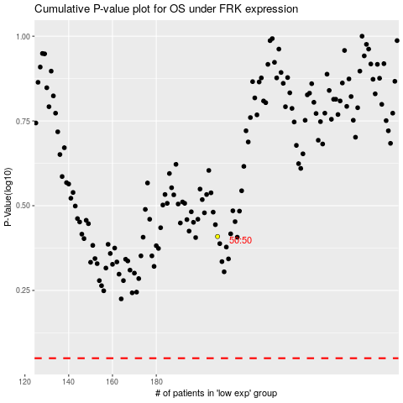

 |  |  |  |  |  | cases_OS | p_OS | rank | exp
 |  |  |  |  |  |  | cases_RFS | p_RFS | rank | exp

