FRMD3 _multivariate
Reported by Tex Li-Hsing Chi. tex@gate.sinica.edu.tw 2019-08-19

Table 2. The clinicopathological features of HNSCC cohort and FRMD3 expression. (Chi square test)
Cutoff at -0.228 (50.0%)
 |  | FRMD3 expression |  | FRMD3 expression |  | (Optimised)
 | Features | Low | (%) | High | (%) | Case no | P-value | Remark | Matthews
Gender | Female | 168 | 40.5 | 138 | 33.3 | 415 | 9e-04 | 1 | 0
2 | Male | 39 | 9.4 | 70 | 16.9
Age at diagnosis | <=65y | 134 | 32.3 | 140 | 33.7 | 415 | 0.6529 | 0 | 0
4 | >65y | 73 | 17.6 | 68 | 16.4
Clinical T Status | T1+T2 | 64 | 15.4 | 85 | 20.5 | 415 | 0.0445 | 1 | 0
6 | T3+T4 | 143 | 34.5 | 123 | 29.6
Clinical N Status | N0 | 99 | 23.9 | 117 | 28.2 | 415 | 0.1054 | 0 | 0
8 | N1-3 | 108 | 26 | 91 | 21.9
Clinical M Status | M0 | 204 | 49.2 | 208 | 50.1 | 415 | 0.1232 | 0 | 0
10 | M1 | 3 | 0.7 | 0 | 0
Clinical Stage | Stage I+II | 38 | 9.2 | 64 | 15.4 | 415 | 0.0048 | 1 | 0
12 | Stage III+IV | 169 | 40.7 | 144 | 34.7
Surgical Margin status | Negative | 155 | 37.3 | 163 | 39.3 | 415 | 0.4187 | 0 | 0
14 | Positive | 52 | 12.5 | 45 | 10.8
Tobacco Exposure | Low | 74 | 17.8 | 87 | 21 | 415 | 0.227 | 0 | 0
16 | High | 133 | 32 | 121 | 29.2

Table 3. Univariate/Multivariate Cox's proportional hazards regression analyses on OS time of FRMD3 gene expression in HNSCC

 |  | Univariate |  |  |  | Multivariate
 | Features | HR | CI95%(L) | CI95%(H) | P-value | HR | CI95%(L) | CI95%(H) | P-value
1 | Female | 1 |  |  |  | 1
Gender | Male | 1.157 | 0.843 | 1.587 | 0.367 | 1.189 | 0.851 | 1.661 | 0.311
11 | <=65y | 1 |  |  |  | 1
Age at diagnosis | >65y | 1.329 | 0.99 | 1.784 | 0.058 | 1.404 | 1.032 | 1.911 | 0.031
12 | T1+T2 | 1 |  |  |  | 1
Clinical T Status | T3+T4 | 1.409 | 1.028 | 1.931 | 0.033 | 2.205 | 1.166 | 4.171 | 0.015
13 | N0 | 1 |  |  |  | 1
Clinical N Status | N1-3 | 1.185 | 0.89 | 1.577 | 0.246 | 1.238 | 0.868 | 1.767 | 0.238
14 | M0 | 1 |  |  |  | 1
Clinical M Status | M1 | 4.097 | 1.009 | 16.644 | 0.049 | 10.05 | 2.176 | 46.409 | 0.003
15 | Stage I+II | 1 |  |  |  | 1
Clinical Stage | Stage III+IV | 1.245 | 0.882 | 1.759 | 0.213 | 0.513 | 0.239 | 1.101 | 0.087
16 | Negative | 1 |  |  |  | 1
Surgical Margin status | Positive | 1.591 | 1.155 | 2.191 | 0.004 | 1.695 | 1.225 | 2.346 | 0.001
17 | Low | 1 |  |  |  | 1
Tobacco Exposure | High | 1.364 | 1.008 | 1.844 | 0.044 | 1.472 | 1.067 | 2.03 | 0.018
18 | Low | 1 |  |  |  | 1
RNAseq(z-score) | High | 1.035 | 0.777 | 1.38 | 0.812 | 1.145 | 0.853 | 1.538 | 0.367

Table 4. Univariate/Multivariate Cox's proportional hazards regression analyses on RFS time of FRMD3 gene expression in HNSCC

 |  | Univariate |  |  |  | Multivariate
 | Features | HR | CI95%(L) | CI95%(H) | P-value | HR | CI95%(L) | CI95%(H) | P-value
1 | Female | 1 |  |  |  | 1
Gender | Male | 1.157 | 0.843 | 1.587 | 0.367 | 1.189 | 0.851 | 1.661 | 0.311
11 | <=65y | 1 |  |  |  | 1
Age at diagnosis | >65y | 1.329 | 0.99 | 1.784 | 0.058 | 1.404 | 1.032 | 1.911 | 0.031
12 | T1+T2 | 1 |  |  |  | 1
Clinical T Status | T3+T4 | 1.409 | 1.028 | 1.931 | 0.033 | 2.205 | 1.166 | 4.171 | 0.015
13 | N0 | 1 |  |  |  | 1
Clinical N Status | N1-3 | 1.185 | 0.89 | 1.577 | 0.246 | 1.238 | 0.868 | 1.767 | 0.238
14 | M0 | 1 |  |  |  | 1
Clinical M Status | M1 | 4.097 | 1.009 | 16.644 | 0.049 | 10.05 | 2.176 | 46.409 | 0.003
15 | Stage I+II | 1 |  |  |  | 1
Clinical Stage | Stage III+IV | 1.245 | 0.882 | 1.759 | 0.213 | 0.513 | 0.239 | 1.101 | 0.087
16 | Negative | 1 |  |  |  | 1
Surgical Margin status | Positive | 1.591 | 1.155 | 2.191 | 0.004 | 1.695 | 1.225 | 2.346 | 0.001
17 | Low | 1 |  |  |  | 1
Tobacco Exposure | High | 1.364 | 1.008 | 1.844 | 0.044 | 1.472 | 1.067 | 2.03 | 0.018
18 | Low | 1 |  |  |  | 1
RNAseq(z-score) | High | 1.035 | 0.777 | 1.38 | 0.812 | 1.145 | 0.853 | 1.538 | 0.367

Kaplan-Meier survival estimate: Cutoff at -0.228 (50.0%)



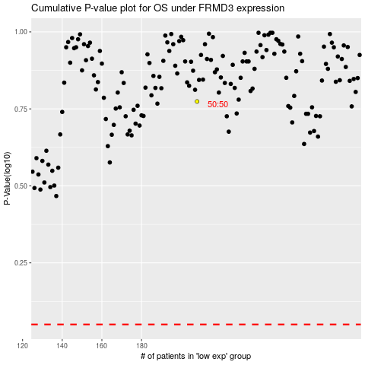

 |  |  |  |  |  | cases_OS | p_OS | rank | exp
 |  |  |  |  |  |  | cases_RFS | p_RFS | rank | exp

