FRMD4B _multivariate
Reported by Tex Li-Hsing Chi. tex@gate.sinica.edu.tw 2019-08-19

Table 2. The clinicopathological features of HNSCC cohort and FRMD4B expression. (Chi square test)
Cutoff at -0.175 (50.0%)
 |  | FRMD4B expression |  | FRMD4B expression |  | (Optimised)
 | Features | Low | (%) | High | (%) | Case no | P-value | Remark | Matthews
Gender | Female | 163 | 39.3 | 143 | 34.5 | 415 | 0.0277 | 1 | 0
2 | Male | 44 | 10.6 | 65 | 15.7
Age at diagnosis | <=65y | 142 | 34.2 | 132 | 31.8 | 415 | 0.3167 | 0 | 0
4 | >65y | 65 | 15.7 | 76 | 18.3
Clinical T Status | T1+T2 | 70 | 16.9 | 79 | 19 | 415 | 0.4343 | 0 | 0
6 | T3+T4 | 137 | 33 | 129 | 31.1
Clinical N Status | N0 | 97 | 23.4 | 119 | 28.7 | 415 | 0.0442 | 1 | 0
8 | N1-3 | 110 | 26.5 | 89 | 21.4
Clinical M Status | M0 | 206 | 49.6 | 206 | 49.6 | 415 | 1 | 0 | 0
10 | M1 | 1 | 0.2 | 2 | 0.5
Clinical Stage | Stage I+II | 42 | 10.1 | 60 | 14.5 | 415 | 0.0561 | 0 | 0
12 | Stage III+IV | 165 | 39.8 | 148 | 35.7
Surgical Margin status | Negative | 157 | 37.8 | 161 | 38.8 | 415 | 0.729 | 0 | 0
14 | Positive | 50 | 12 | 47 | 11.3
Tobacco Exposure | Low | 72 | 17.3 | 89 | 21.4 | 415 | 0.1071 | 0 | 0
16 | High | 135 | 32.5 | 119 | 28.7

Table 3. Univariate/Multivariate Cox's proportional hazards regression analyses on OS time of FRMD4B gene expression in HNSCC

 |  | Univariate |  |  |  | Multivariate
 | Features | HR | CI95%(L) | CI95%(H) | P-value | HR | CI95%(L) | CI95%(H) | P-value
1 | Female | 1 |  |  |  | 1
Gender | Male | 1.157 | 0.843 | 1.587 | 0.367 | 1.184 | 0.847 | 1.656 | 0.324
11 | <=65y | 1 |  |  |  | 1
Age at diagnosis | >65y | 1.329 | 0.99 | 1.784 | 0.058 | 1.375 | 1.01 | 1.871 | 0.043
12 | T1+T2 | 1 |  |  |  | 1
Clinical T Status | T3+T4 | 1.409 | 1.028 | 1.931 | 0.033 | 2.182 | 1.152 | 4.129 | 0.017
13 | N0 | 1 |  |  |  | 1
Clinical N Status | N1-3 | 1.185 | 0.89 | 1.577 | 0.246 | 1.281 | 0.894 | 1.835 | 0.178
14 | M0 | 1 |  |  |  | 1
Clinical M Status | M1 | 4.097 | 1.009 | 16.644 | 0.049 | 8.997 | 1.959 | 41.314 | 0.005
15 | Stage I+II | 1 |  |  |  | 1
Clinical Stage | Stage III+IV | 1.245 | 0.882 | 1.759 | 0.213 | 0.509 | 0.237 | 1.093 | 0.083
16 | Negative | 1 |  |  |  | 1
Surgical Margin status | Positive | 1.591 | 1.155 | 2.191 | 0.004 | 1.687 | 1.22 | 2.334 | 0.002
17 | Low | 1 |  |  |  | 1
Tobacco Exposure | High | 1.364 | 1.008 | 1.844 | 0.044 | 1.457 | 1.057 | 2.009 | 0.021
18 | Low | 1 |  |  |  | 1
RNAseq(z-score) | High | 1.174 | 0.88 | 1.566 | 0.276 | 1.197 | 0.89 | 1.611 | 0.235

Table 4. Univariate/Multivariate Cox's proportional hazards regression analyses on RFS time of FRMD4B gene expression in HNSCC

 |  | Univariate |  |  |  | Multivariate
 | Features | HR | CI95%(L) | CI95%(H) | P-value | HR | CI95%(L) | CI95%(H) | P-value
1 | Female | 1 |  |  |  | 1
Gender | Male | 1.157 | 0.843 | 1.587 | 0.367 | 1.184 | 0.847 | 1.656 | 0.324
11 | <=65y | 1 |  |  |  | 1
Age at diagnosis | >65y | 1.329 | 0.99 | 1.784 | 0.058 | 1.375 | 1.01 | 1.871 | 0.043
12 | T1+T2 | 1 |  |  |  | 1
Clinical T Status | T3+T4 | 1.409 | 1.028 | 1.931 | 0.033 | 2.182 | 1.152 | 4.129 | 0.017
13 | N0 | 1 |  |  |  | 1
Clinical N Status | N1-3 | 1.185 | 0.89 | 1.577 | 0.246 | 1.281 | 0.894 | 1.835 | 0.178
14 | M0 | 1 |  |  |  | 1
Clinical M Status | M1 | 4.097 | 1.009 | 16.644 | 0.049 | 8.997 | 1.959 | 41.314 | 0.005
15 | Stage I+II | 1 |  |  |  | 1
Clinical Stage | Stage III+IV | 1.245 | 0.882 | 1.759 | 0.213 | 0.509 | 0.237 | 1.093 | 0.083
16 | Negative | 1 |  |  |  | 1
Surgical Margin status | Positive | 1.591 | 1.155 | 2.191 | 0.004 | 1.687 | 1.22 | 2.334 | 0.002
17 | Low | 1 |  |  |  | 1
Tobacco Exposure | High | 1.364 | 1.008 | 1.844 | 0.044 | 1.457 | 1.057 | 2.009 | 0.021
18 | Low | 1 |  |  |  | 1
RNAseq(z-score) | High | 1.174 | 0.88 | 1.566 | 0.276 | 1.197 | 0.89 | 1.611 | 0.235

Kaplan-Meier survival estimate: Cutoff at -0.175 (50.0%)



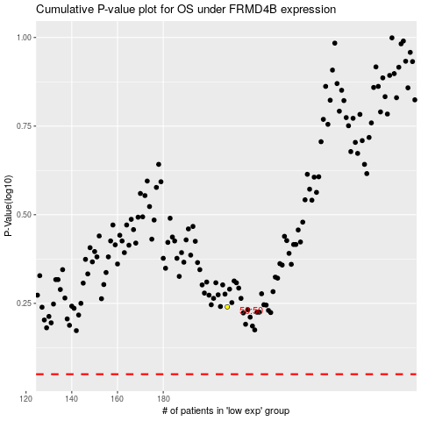

 |  |  |  |  |  | cases_OS | p_OS | rank | exp
 |  |  |  |  |  |  | cases_RFS | p_RFS | rank | exp

