FRMD6 _multivariate
Reported by Tex Li-Hsing Chi. tex@gate.sinica.edu.tw 2019-08-19

Table 2. The clinicopathological features of HNSCC cohort and FRMD6 expression. (Chi square test)
Cutoff at -0.046 (50.0%)
 |  | FRMD6 expression |  | FRMD6 expression |  | (Optimised)
 | Features | Low | (%) | High | (%) | Case no | P-value | Remark | Matthews
Gender | Female | 149 | 35.9 | 157 | 37.8 | 415 | 0.4848 | 0 | 0
2 | Male | 58 | 14 | 51 | 12.3
Age at diagnosis | <=65y | 132 | 31.8 | 142 | 34.2 | 415 | 0.3874 | 0 | 0
4 | >65y | 75 | 18.1 | 66 | 15.9
Clinical T Status | T1+T2 | 81 | 19.5 | 68 | 16.4 | 415 | 0.206 | 0 | 0
6 | T3+T4 | 126 | 30.4 | 140 | 33.7
Clinical N Status | N0 | 109 | 26.3 | 107 | 25.8 | 415 | 0.8812 | 0 | 0
8 | N1-3 | 98 | 23.6 | 101 | 24.3
Clinical M Status | M0 | 205 | 49.4 | 207 | 49.9 | 415 | 0.6232 | 0 | 0
10 | M1 | 2 | 0.5 | 1 | 0.2
Clinical Stage | Stage I+II | 54 | 13 | 48 | 11.6 | 415 | 0.5498 | 0 | 0
12 | Stage III+IV | 153 | 36.9 | 160 | 38.6
Surgical Margin status | Negative | 156 | 37.6 | 162 | 39 | 415 | 0.5636 | 0 | 0
14 | Positive | 51 | 12.3 | 46 | 11.1
Tobacco Exposure | Low | 94 | 22.7 | 67 | 16.1 | 415 | 0.0065 | 1 | 0
16 | High | 113 | 27.2 | 141 | 34

Table 3. Univariate/Multivariate Cox's proportional hazards regression analyses on OS time of FRMD6 gene expression in HNSCC

 |  | Univariate |  |  |  | Multivariate
 | Features | HR | CI95%(L) | CI95%(H) | P-value | HR | CI95%(L) | CI95%(H) | P-value
1 | Female | 1 |  |  |  | 1
Gender | Male | 1.157 | 0.843 | 1.587 | 0.367 | 1.21 | 0.866 | 1.691 | 0.263
11 | <=65y | 1 |  |  |  | 1
Age at diagnosis | >65y | 1.329 | 0.99 | 1.784 | 0.058 | 1.405 | 1.033 | 1.911 | 0.03
12 | T1+T2 | 1 |  |  |  | 1
Clinical T Status | T3+T4 | 1.409 | 1.028 | 1.931 | 0.033 | 2.181 | 1.153 | 4.125 | 0.017
13 | N0 | 1 |  |  |  | 1
Clinical N Status | N1-3 | 1.185 | 0.89 | 1.577 | 0.246 | 1.256 | 0.88 | 1.793 | 0.209
14 | M0 | 1 |  |  |  | 1
Clinical M Status | M1 | 4.097 | 1.009 | 16.644 | 0.049 | 9.834 | 2.141 | 45.173 | 0.003
15 | Stage I+II | 1 |  |  |  | 1
Clinical Stage | Stage III+IV | 1.245 | 0.882 | 1.759 | 0.213 | 0.503 | 0.234 | 1.08 | 0.078
16 | Negative | 1 |  |  |  | 1
Surgical Margin status | Positive | 1.591 | 1.155 | 2.191 | 0.004 | 1.688 | 1.221 | 2.334 | 0.002
17 | Low | 1 |  |  |  | 1
Tobacco Exposure | High | 1.364 | 1.008 | 1.844 | 0.044 | 1.419 | 1.027 | 1.96 | 0.034
18 | Low | 1 |  |  |  | 1
RNAseq(z-score) | High | 1.19 | 0.89 | 1.591 | 0.24 | 1.193 | 0.887 | 1.604 | 0.243

Table 4. Univariate/Multivariate Cox's proportional hazards regression analyses on RFS time of FRMD6 gene expression in HNSCC

 |  | Univariate |  |  |  | Multivariate
 | Features | HR | CI95%(L) | CI95%(H) | P-value | HR | CI95%(L) | CI95%(H) | P-value
1 | Female | 1 |  |  |  | 1
Gender | Male | 1.157 | 0.843 | 1.587 | 0.367 | 1.21 | 0.866 | 1.691 | 0.263
11 | <=65y | 1 |  |  |  | 1
Age at diagnosis | >65y | 1.329 | 0.99 | 1.784 | 0.058 | 1.405 | 1.033 | 1.911 | 0.03
12 | T1+T2 | 1 |  |  |  | 1
Clinical T Status | T3+T4 | 1.409 | 1.028 | 1.931 | 0.033 | 2.181 | 1.153 | 4.125 | 0.017
13 | N0 | 1 |  |  |  | 1
Clinical N Status | N1-3 | 1.185 | 0.89 | 1.577 | 0.246 | 1.256 | 0.88 | 1.793 | 0.209
14 | M0 | 1 |  |  |  | 1
Clinical M Status | M1 | 4.097 | 1.009 | 16.644 | 0.049 | 9.834 | 2.141 | 45.173 | 0.003
15 | Stage I+II | 1 |  |  |  | 1
Clinical Stage | Stage III+IV | 1.245 | 0.882 | 1.759 | 0.213 | 0.503 | 0.234 | 1.08 | 0.078
16 | Negative | 1 |  |  |  | 1
Surgical Margin status | Positive | 1.591 | 1.155 | 2.191 | 0.004 | 1.688 | 1.221 | 2.334 | 0.002
17 | Low | 1 |  |  |  | 1
Tobacco Exposure | High | 1.364 | 1.008 | 1.844 | 0.044 | 1.419 | 1.027 | 1.96 | 0.034
18 | Low | 1 |  |  |  | 1
RNAseq(z-score) | High | 1.19 | 0.89 | 1.591 | 0.24 | 1.193 | 0.887 | 1.604 | 0.243

Kaplan-Meier survival estimate: Cutoff at -0.046 (50.0%)



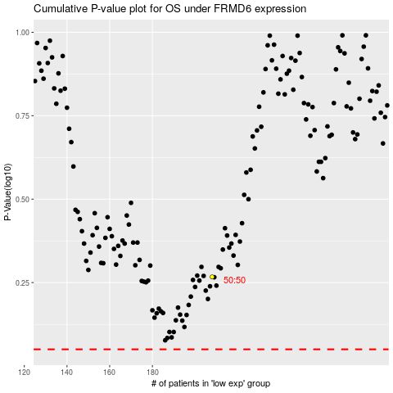

 |  |  |  |  |  | cases_OS | p_OS | rank | exp
 |  |  |  |  |  |  | cases_RFS | p_RFS | rank | exp

