FRS2 _multivariate
Reported by Tex Li-Hsing Chi. tex@gate.sinica.edu.tw 2019-08-19

Table 2. The clinicopathological features of HNSCC cohort and FRS2 expression. (Chi square test)
Cutoff at -0.125 (51.9%)
 |  | FRS2 expression |  | FRS2 expression |  | (Optimised)
 | Features | Low | (%) | High | (%) | Case no | P-value | Remark | Matthews
Gender | Female | 163 | 39.3 | 143 | 34.5 | 415 | 0.4704 | 0 | 0
2 | Male | 53 | 12.8 | 56 | 13.5
Age at diagnosis | <=65y | 145 | 34.9 | 129 | 31.1 | 415 | 0.6953 | 0 | 0
4 | >65y | 71 | 17.1 | 70 | 16.9
Clinical T Status | T1+T2 | 68 | 16.4 | 81 | 19.5 | 415 | 0.0637 | 0 | 0
6 | T3+T4 | 148 | 35.7 | 118 | 28.4
Clinical N Status | N0 | 109 | 26.3 | 107 | 25.8 | 415 | 0.5652 | 0 | 0
8 | N1-3 | 107 | 25.8 | 92 | 22.2
Clinical M Status | M0 | 214 | 51.6 | 198 | 47.7 | 415 | 1 | 0 | 0
10 | M1 | 2 | 0.5 | 1 | 0.2
Clinical Stage | Stage I+II | 45 | 10.8 | 57 | 13.7 | 415 | 0.0833 | 0 | 0
12 | Stage III+IV | 171 | 41.2 | 142 | 34.2
Surgical Margin status | Negative | 158 | 38.1 | 160 | 38.6 | 415 | 0.0833 | 0 | 0
14 | Positive | 58 | 14 | 39 | 9.4
Tobacco Exposure | Low | 83 | 20 | 78 | 18.8 | 415 | 0.9198 | 0 | 0
16 | High | 133 | 32 | 121 | 29.2

Table 3. Univariate/Multivariate Cox's proportional hazards regression analyses on OS time of FRS2 gene expression in HNSCC

 |  | Univariate |  |  |  | Multivariate
 | Features | HR | CI95%(L) | CI95%(H) | P-value | HR | CI95%(L) | CI95%(H) | P-value
1 | Female | 1 |  |  |  | 1
Gender | Male | 1.157 | 0.843 | 1.587 | 0.367 | 1.186 | 0.848 | 1.659 | 0.319
11 | <=65y | 1 |  |  |  | 1
Age at diagnosis | >65y | 1.329 | 0.99 | 1.784 | 0.058 | 1.394 | 1.026 | 1.894 | 0.034
12 | T1+T2 | 1 |  |  |  | 1
Clinical T Status | T3+T4 | 1.409 | 1.028 | 1.931 | 0.033 | 2.147 | 1.135 | 4.062 | 0.019
13 | N0 | 1 |  |  |  | 1
Clinical N Status | N1-3 | 1.185 | 0.89 | 1.577 | 0.246 | 1.245 | 0.872 | 1.776 | 0.228
14 | M0 | 1 |  |  |  | 1
Clinical M Status | M1 | 4.097 | 1.009 | 16.644 | 0.049 | 9.069 | 1.977 | 41.595 | 0.005
15 | Stage I+II | 1 |  |  |  | 1
Clinical Stage | Stage III+IV | 1.245 | 0.882 | 1.759 | 0.213 | 0.506 | 0.236 | 1.086 | 0.08
16 | Negative | 1 |  |  |  | 1
Surgical Margin status | Positive | 1.591 | 1.155 | 2.191 | 0.004 | 1.618 | 1.168 | 2.242 | 0.004
17 | Low | 1 |  |  |  | 1
Tobacco Exposure | High | 1.364 | 1.008 | 1.844 | 0.044 | 1.439 | 1.044 | 1.983 | 0.026
18 | Low | 1 |  |  |  | 1
RNAseq(z-score) | High | 0.748 | 0.56 | 0.998 | 0.049 | 0.819 | 0.611 | 1.099 | 0.184

Table 4. Univariate/Multivariate Cox's proportional hazards regression analyses on RFS time of FRS2 gene expression in HNSCC

 |  | Univariate |  |  |  | Multivariate
 | Features | HR | CI95%(L) | CI95%(H) | P-value | HR | CI95%(L) | CI95%(H) | P-value
1 | Female | 1 |  |  |  | 1
Gender | Male | 1.157 | 0.843 | 1.587 | 0.367 | 1.186 | 0.848 | 1.659 | 0.319
11 | <=65y | 1 |  |  |  | 1
Age at diagnosis | >65y | 1.329 | 0.99 | 1.784 | 0.058 | 1.394 | 1.026 | 1.894 | 0.034
12 | T1+T2 | 1 |  |  |  | 1
Clinical T Status | T3+T4 | 1.409 | 1.028 | 1.931 | 0.033 | 2.147 | 1.135 | 4.062 | 0.019
13 | N0 | 1 |  |  |  | 1
Clinical N Status | N1-3 | 1.185 | 0.89 | 1.577 | 0.246 | 1.245 | 0.872 | 1.776 | 0.228
14 | M0 | 1 |  |  |  | 1
Clinical M Status | M1 | 4.097 | 1.009 | 16.644 | 0.049 | 9.069 | 1.977 | 41.595 | 0.005
15 | Stage I+II | 1 |  |  |  | 1
Clinical Stage | Stage III+IV | 1.245 | 0.882 | 1.759 | 0.213 | 0.506 | 0.236 | 1.086 | 0.08
16 | Negative | 1 |  |  |  | 1
Surgical Margin status | Positive | 1.591 | 1.155 | 2.191 | 0.004 | 1.618 | 1.168 | 2.242 | 0.004
17 | Low | 1 |  |  |  | 1
Tobacco Exposure | High | 1.364 | 1.008 | 1.844 | 0.044 | 1.439 | 1.044 | 1.983 | 0.026
18 | Low | 1 |  |  |  | 1
RNAseq(z-score) | High | 0.748 | 0.56 | 0.998 | 0.049 | 0.819 | 0.611 | 1.099 | 0.184

Kaplan-Meier survival estimate: Cutoff at -0.125 (51.9%)



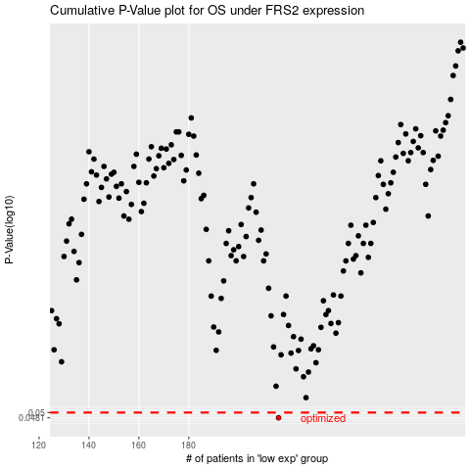

 |  |  |  |  |  | cases_OS | p_OS | rank | exp
 |  |  |  |  |  | 216 | 0.0481 | 230 | -0.12479558711
 |  |  |  |  |  |  | cases_RFS | p_RFS | rank | exp
 |  |  |  |  |  |  | 215 | 0.0481 | 176 | -0.12716028412

