FRY _multivariate
Reported by Tex Li-Hsing Chi. tex@gate.sinica.edu.tw 2019-08-19

Table 2. The clinicopathological features of HNSCC cohort and FRY expression. (Chi square test)
Cutoff at -0.361 (50.0%)
 |  | FRY expression |  | FRY expression |  | (Optimised)
 | Features | Low | (%) | High | (%) | Case no | P-value | Remark | Matthews
Gender | Female | 156 | 37.6 | 150 | 36.1 | 415 | 0.5222 | 0 | 0
2 | Male | 51 | 12.3 | 58 | 14
Age at diagnosis | <=65y | 133 | 32 | 141 | 34 | 415 | 0.5111 | 0 | 0
4 | >65y | 74 | 17.8 | 67 | 16.1
Clinical T Status | T1+T2 | 70 | 16.9 | 79 | 19 | 415 | 0.4343 | 0 | 0
6 | T3+T4 | 137 | 33 | 129 | 31.1
Clinical N Status | N0 | 100 | 24.1 | 116 | 28 | 415 | 0.1548 | 0 | 0
8 | N1-3 | 107 | 25.8 | 92 | 22.2
Clinical M Status | M0 | 204 | 49.2 | 208 | 50.1 | 415 | 0.1232 | 0 | 0
10 | M1 | 3 | 0.7 | 0 | 0
Clinical Stage | Stage I+II | 47 | 11.3 | 55 | 13.3 | 415 | 0.4413 | 0 | 0
12 | Stage III+IV | 160 | 38.6 | 153 | 36.9
Surgical Margin status | Negative | 150 | 36.1 | 168 | 40.5 | 415 | 0.0492 | 1 | 0
14 | Positive | 57 | 13.7 | 40 | 9.6
Tobacco Exposure | Low | 91 | 21.9 | 70 | 16.9 | 415 | 0.0346 | 1 | 0
16 | High | 116 | 28 | 138 | 33.3

Table 3. Univariate/Multivariate Cox's proportional hazards regression analyses on OS time of FRY gene expression in HNSCC

 |  | Univariate |  |  |  | Multivariate
 | Features | HR | CI95%(L) | CI95%(H) | P-value | HR | CI95%(L) | CI95%(H) | P-value
1 | Female | 1 |  |  |  | 1
Gender | Male | 1.157 | 0.843 | 1.587 | 0.367 | 1.205 | 0.862 | 1.684 | 0.276
11 | <=65y | 1 |  |  |  | 1
Age at diagnosis | >65y | 1.329 | 0.99 | 1.784 | 0.058 | 1.387 | 1.02 | 1.887 | 0.037
12 | T1+T2 | 1 |  |  |  | 1
Clinical T Status | T3+T4 | 1.409 | 1.028 | 1.931 | 0.033 | 2.194 | 1.16 | 4.15 | 0.016
13 | N0 | 1 |  |  |  | 1
Clinical N Status | N1-3 | 1.185 | 0.89 | 1.577 | 0.246 | 1.234 | 0.864 | 1.764 | 0.248
14 | M0 | 1 |  |  |  | 1
Clinical M Status | M1 | 4.097 | 1.009 | 16.644 | 0.049 | 9.191 | 1.989 | 42.467 | 0.005
15 | Stage I+II | 1 |  |  |  | 1
Clinical Stage | Stage III+IV | 1.245 | 0.882 | 1.759 | 0.213 | 0.508 | 0.236 | 1.092 | 0.083
16 | Negative | 1 |  |  |  | 1
Surgical Margin status | Positive | 1.591 | 1.155 | 2.191 | 0.004 | 1.66 | 1.198 | 2.301 | 0.002
17 | Low | 1 |  |  |  | 1
Tobacco Exposure | High | 1.364 | 1.008 | 1.844 | 0.044 | 1.457 | 1.057 | 2.01 | 0.022
18 | Low | 1 |  |  |  | 1
RNAseq(z-score) | High | 0.869 | 0.651 | 1.159 | 0.338 | 0.957 | 0.712 | 1.286 | 0.772

Table 4. Univariate/Multivariate Cox's proportional hazards regression analyses on RFS time of FRY gene expression in HNSCC

 |  | Univariate |  |  |  | Multivariate
 | Features | HR | CI95%(L) | CI95%(H) | P-value | HR | CI95%(L) | CI95%(H) | P-value
1 | Female | 1 |  |  |  | 1
Gender | Male | 1.157 | 0.843 | 1.587 | 0.367 | 1.205 | 0.862 | 1.684 | 0.276
11 | <=65y | 1 |  |  |  | 1
Age at diagnosis | >65y | 1.329 | 0.99 | 1.784 | 0.058 | 1.387 | 1.02 | 1.887 | 0.037
12 | T1+T2 | 1 |  |  |  | 1
Clinical T Status | T3+T4 | 1.409 | 1.028 | 1.931 | 0.033 | 2.194 | 1.16 | 4.15 | 0.016
13 | N0 | 1 |  |  |  | 1
Clinical N Status | N1-3 | 1.185 | 0.89 | 1.577 | 0.246 | 1.234 | 0.864 | 1.764 | 0.248
14 | M0 | 1 |  |  |  | 1
Clinical M Status | M1 | 4.097 | 1.009 | 16.644 | 0.049 | 9.191 | 1.989 | 42.467 | 0.005
15 | Stage I+II | 1 |  |  |  | 1
Clinical Stage | Stage III+IV | 1.245 | 0.882 | 1.759 | 0.213 | 0.508 | 0.236 | 1.092 | 0.083
16 | Negative | 1 |  |  |  | 1
Surgical Margin status | Positive | 1.591 | 1.155 | 2.191 | 0.004 | 1.66 | 1.198 | 2.301 | 0.002
17 | Low | 1 |  |  |  | 1
Tobacco Exposure | High | 1.364 | 1.008 | 1.844 | 0.044 | 1.457 | 1.057 | 2.01 | 0.022
18 | Low | 1 |  |  |  | 1
RNAseq(z-score) | High | 0.869 | 0.651 | 1.159 | 0.338 | 0.957 | 0.712 | 1.286 | 0.772

Kaplan-Meier survival estimate: Cutoff at -0.361 (50.0%)



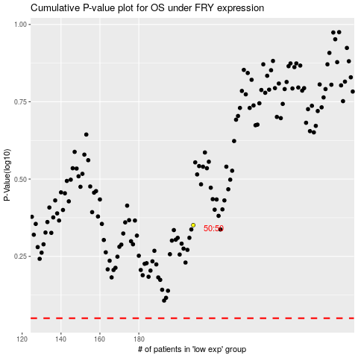

 |  |  |  |  |  | cases_OS | p_OS | rank | exp
 |  |  |  |  |  |  | cases_RFS | p_RFS | rank | exp

