FRYL _multivariate
Reported by Tex Li-Hsing Chi. tex@gate.sinica.edu.tw 2019-08-19

Table 2. The clinicopathological features of HNSCC cohort and FRYL expression. (Chi square test)
Cutoff at -0.092 (50.0%)
 |  | FRYL expression |  | FRYL expression |  | (Optimised)
 | Features | Low | (%) | High | (%) | Case no | P-value | Remark | Matthews
Gender | Female | 155 | 37.3 | 151 | 36.4 | 415 | 0.6768 | 0 | 0
2 | Male | 52 | 12.5 | 57 | 13.7
Age at diagnosis | <=65y | 136 | 32.8 | 138 | 33.3 | 415 | 0.9719 | 0 | 0
4 | >65y | 71 | 17.1 | 70 | 16.9
Clinical T Status | T1+T2 | 67 | 16.1 | 82 | 19.8 | 415 | 0.1628 | 0 | 0
6 | T3+T4 | 140 | 33.7 | 126 | 30.4
Clinical N Status | N0 | 107 | 25.8 | 109 | 26.3 | 415 | 0.9624 | 0 | 0
8 | N1-3 | 100 | 24.1 | 99 | 23.9
Clinical M Status | M0 | 204 | 49.2 | 208 | 50.1 | 415 | 0.1232 | 0 | 0
10 | M1 | 3 | 0.7 | 0 | 0
Clinical Stage | Stage I+II | 45 | 10.8 | 57 | 13.7 | 415 | 0.2202 | 0 | 0
12 | Stage III+IV | 162 | 39 | 151 | 36.4
Surgical Margin status | Negative | 153 | 36.9 | 165 | 39.8 | 415 | 0.2036 | 0 | 0
14 | Positive | 54 | 13 | 43 | 10.4
Tobacco Exposure | Low | 65 | 15.7 | 96 | 23.1 | 415 | 0.0025 | 1 | 0
16 | High | 142 | 34.2 | 112 | 27

Table 3. Univariate/Multivariate Cox's proportional hazards regression analyses on OS time of FRYL gene expression in HNSCC

 |  | Univariate |  |  |  | Multivariate
 | Features | HR | CI95%(L) | CI95%(H) | P-value | HR | CI95%(L) | CI95%(H) | P-value
1 | Female | 1 |  |  |  | 1
Gender | Male | 1.157 | 0.843 | 1.587 | 0.367 | 1.203 | 0.861 | 1.679 | 0.279
11 | <=65y | 1 |  |  |  | 1
Age at diagnosis | >65y | 1.329 | 0.99 | 1.784 | 0.058 | 1.395 | 1.026 | 1.896 | 0.034
12 | T1+T2 | 1 |  |  |  | 1
Clinical T Status | T3+T4 | 1.409 | 1.028 | 1.931 | 0.033 | 2.244 | 1.185 | 4.253 | 0.013
13 | N0 | 1 |  |  |  | 1
Clinical N Status | N1-3 | 1.185 | 0.89 | 1.577 | 0.246 | 1.238 | 0.868 | 1.766 | 0.238
14 | M0 | 1 |  |  |  | 1
Clinical M Status | M1 | 4.097 | 1.009 | 16.644 | 0.049 | 10.109 | 2.176 | 46.969 | 0.003
15 | Stage I+II | 1 |  |  |  | 1
Clinical Stage | Stage III+IV | 1.245 | 0.882 | 1.759 | 0.213 | 0.505 | 0.235 | 1.083 | 0.079
16 | Negative | 1 |  |  |  | 1
Surgical Margin status | Positive | 1.591 | 1.155 | 2.191 | 0.004 | 1.684 | 1.218 | 2.328 | 0.002
17 | Low | 1 |  |  |  | 1
Tobacco Exposure | High | 1.364 | 1.008 | 1.844 | 0.044 | 1.48 | 1.07 | 2.047 | 0.018
18 | Low | 1 |  |  |  | 1
RNAseq(z-score) | High | 0.956 | 0.717 | 1.273 | 0.757 | 1.113 | 0.827 | 1.499 | 0.48

Table 4. Univariate/Multivariate Cox's proportional hazards regression analyses on RFS time of FRYL gene expression in HNSCC

 |  | Univariate |  |  |  | Multivariate
 | Features | HR | CI95%(L) | CI95%(H) | P-value | HR | CI95%(L) | CI95%(H) | P-value
1 | Female | 1 |  |  |  | 1
Gender | Male | 1.157 | 0.843 | 1.587 | 0.367 | 1.203 | 0.861 | 1.679 | 0.279
11 | <=65y | 1 |  |  |  | 1
Age at diagnosis | >65y | 1.329 | 0.99 | 1.784 | 0.058 | 1.395 | 1.026 | 1.896 | 0.034
12 | T1+T2 | 1 |  |  |  | 1
Clinical T Status | T3+T4 | 1.409 | 1.028 | 1.931 | 0.033 | 2.244 | 1.185 | 4.253 | 0.013
13 | N0 | 1 |  |  |  | 1
Clinical N Status | N1-3 | 1.185 | 0.89 | 1.577 | 0.246 | 1.238 | 0.868 | 1.766 | 0.238
14 | M0 | 1 |  |  |  | 1
Clinical M Status | M1 | 4.097 | 1.009 | 16.644 | 0.049 | 10.109 | 2.176 | 46.969 | 0.003
15 | Stage I+II | 1 |  |  |  | 1
Clinical Stage | Stage III+IV | 1.245 | 0.882 | 1.759 | 0.213 | 0.505 | 0.235 | 1.083 | 0.079
16 | Negative | 1 |  |  |  | 1
Surgical Margin status | Positive | 1.591 | 1.155 | 2.191 | 0.004 | 1.684 | 1.218 | 2.328 | 0.002
17 | Low | 1 |  |  |  | 1
Tobacco Exposure | High | 1.364 | 1.008 | 1.844 | 0.044 | 1.48 | 1.07 | 2.047 | 0.018
18 | Low | 1 |  |  |  | 1
RNAseq(z-score) | High | 0.956 | 0.717 | 1.273 | 0.757 | 1.113 | 0.827 | 1.499 | 0.48

Kaplan-Meier survival estimate: Cutoff at -0.092 (50.0%)



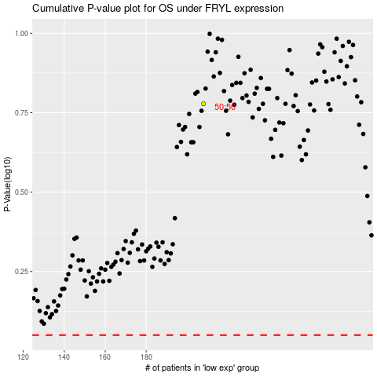

 |  |  |  |  |  | cases_OS | p_OS | rank | exp
 |  |  |  |  |  |  | cases_RFS | p_RFS | rank | exp

