FSCN3 _multivariate
Reported by Tex Li-Hsing Chi. tex@gate.sinica.edu.tw 2019-08-19

Table 2. The clinicopathological features of HNSCC cohort and FSCN3 expression. (Chi square test)
Cutoff at -0.195 (49.8%)
 |  | FSCN3 expression |  | FSCN3 expression |  | (Optimised)
 | Features | Low | (%) | High | (%) | Case no | P-value | Remark | Matthews
Gender | Female | 157 | 37.8 | 149 | 35.9 | 415 | 0.3881 | 0 | 0
2 | Male | 50 | 12 | 59 | 14.2
Age at diagnosis | <=65y | 146 | 35.2 | 128 | 30.8 | 415 | 0.0672 | 0 | 0
4 | >65y | 61 | 14.7 | 80 | 19.3
Clinical T Status | T1+T2 | 70 | 16.9 | 79 | 19 | 415 | 0.4343 | 0 | 0
6 | T3+T4 | 137 | 33 | 129 | 31.1
Clinical N Status | N0 | 104 | 25.1 | 112 | 27 | 415 | 0.5243 | 0 | 0
8 | N1-3 | 103 | 24.8 | 96 | 23.1
Clinical M Status | M0 | 206 | 49.6 | 206 | 49.6 | 415 | 1 | 0 | 0
10 | M1 | 1 | 0.2 | 2 | 0.5
Clinical Stage | Stage I+II | 46 | 11.1 | 56 | 13.5 | 415 | 0.3182 | 0 | 0
12 | Stage III+IV | 161 | 38.8 | 152 | 36.6
Surgical Margin status | Negative | 153 | 36.9 | 165 | 39.8 | 415 | 0.2036 | 0 | 0
14 | Positive | 54 | 13 | 43 | 10.4
Tobacco Exposure | Low | 81 | 19.5 | 80 | 19.3 | 415 | 0.9199 | 0 | 0
16 | High | 126 | 30.4 | 128 | 30.8

Table 3. Univariate/Multivariate Cox's proportional hazards regression analyses on OS time of FSCN3 gene expression in HNSCC

 |  | Univariate |  |  |  | Multivariate
 | Features | HR | CI95%(L) | CI95%(H) | P-value | HR | CI95%(L) | CI95%(H) | P-value
1 | Female | 1 |  |  |  | 1
Gender | Male | 1.157 | 0.843 | 1.587 | 0.367 | 1.206 | 0.863 | 1.685 | 0.273
11 | <=65y | 1 |  |  |  | 1
Age at diagnosis | >65y | 1.329 | 0.99 | 1.784 | 0.058 | 1.379 | 1.014 | 1.876 | 0.041
12 | T1+T2 | 1 |  |  |  | 1
Clinical T Status | T3+T4 | 1.409 | 1.028 | 1.931 | 0.033 | 2.203 | 1.165 | 4.166 | 0.015
13 | N0 | 1 |  |  |  | 1
Clinical N Status | N1-3 | 1.185 | 0.89 | 1.577 | 0.246 | 1.245 | 0.872 | 1.776 | 0.228
14 | M0 | 1 |  |  |  | 1
Clinical M Status | M1 | 4.097 | 1.009 | 16.644 | 0.049 | 9.309 | 2.03 | 42.683 | 0.004
15 | Stage I+II | 1 |  |  |  | 1
Clinical Stage | Stage III+IV | 1.245 | 0.882 | 1.759 | 0.213 | 0.509 | 0.237 | 1.092 | 0.083
16 | Negative | 1 |  |  |  | 1
Surgical Margin status | Positive | 1.591 | 1.155 | 2.191 | 0.004 | 1.683 | 1.217 | 2.327 | 0.002
17 | Low | 1 |  |  |  | 1
Tobacco Exposure | High | 1.364 | 1.008 | 1.844 | 0.044 | 1.461 | 1.059 | 2.014 | 0.021
18 | Low | 1 |  |  |  | 1
RNAseq(z-score) | High | 1.065 | 0.799 | 1.42 | 0.666 | 1.108 | 0.828 | 1.482 | 0.49

Table 4. Univariate/Multivariate Cox's proportional hazards regression analyses on RFS time of FSCN3 gene expression in HNSCC

 |  | Univariate |  |  |  | Multivariate
 | Features | HR | CI95%(L) | CI95%(H) | P-value | HR | CI95%(L) | CI95%(H) | P-value
1 | Female | 1 |  |  |  | 1
Gender | Male | 1.157 | 0.843 | 1.587 | 0.367 | 1.206 | 0.863 | 1.685 | 0.273
11 | <=65y | 1 |  |  |  | 1
Age at diagnosis | >65y | 1.329 | 0.99 | 1.784 | 0.058 | 1.379 | 1.014 | 1.876 | 0.041
12 | T1+T2 | 1 |  |  |  | 1
Clinical T Status | T3+T4 | 1.409 | 1.028 | 1.931 | 0.033 | 2.203 | 1.165 | 4.166 | 0.015
13 | N0 | 1 |  |  |  | 1
Clinical N Status | N1-3 | 1.185 | 0.89 | 1.577 | 0.246 | 1.245 | 0.872 | 1.776 | 0.228
14 | M0 | 1 |  |  |  | 1
Clinical M Status | M1 | 4.097 | 1.009 | 16.644 | 0.049 | 9.309 | 2.03 | 42.683 | 0.004
15 | Stage I+II | 1 |  |  |  | 1
Clinical Stage | Stage III+IV | 1.245 | 0.882 | 1.759 | 0.213 | 0.509 | 0.237 | 1.092 | 0.083
16 | Negative | 1 |  |  |  | 1
Surgical Margin status | Positive | 1.591 | 1.155 | 2.191 | 0.004 | 1.683 | 1.217 | 2.327 | 0.002
17 | Low | 1 |  |  |  | 1
Tobacco Exposure | High | 1.364 | 1.008 | 1.844 | 0.044 | 1.461 | 1.059 | 2.014 | 0.021
18 | Low | 1 |  |  |  | 1
RNAseq(z-score) | High | 1.065 | 0.799 | 1.42 | 0.666 | 1.108 | 0.828 | 1.482 | 0.49

Kaplan-Meier survival estimate: Cutoff at -0.195 (49.8%)



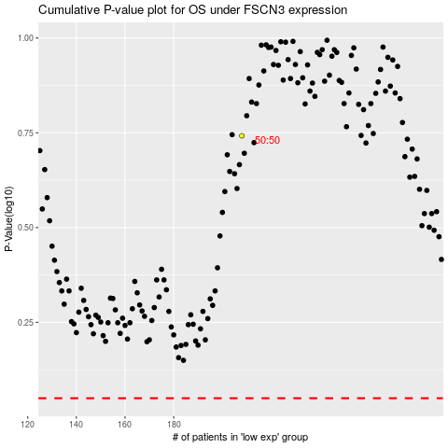

 |  |  |  |  |  | cases_OS | p_OS | rank | exp
 |  |  |  |  |  |  | cases_RFS | p_RFS | rank | exp

