FSD1 _multivariate
Reported by Tex Li-Hsing Chi. tex@gate.sinica.edu.tw 2019-08-19

Table 2. The clinicopathological features of HNSCC cohort and FSD1 expression. (Chi square test)
Cutoff at -0.208 (49.8%)
 |  | FSD1 expression |  | FSD1 expression |  | (Optimised)
 | Features | Low | (%) | High | (%) | Case no | P-value | Remark | Matthews
Gender | Female | 144 | 34.7 | 162 | 39 | 415 | 0.0697 | 0 | 0
2 | Male | 63 | 15.2 | 46 | 11.1
Age at diagnosis | <=65y | 142 | 34.2 | 132 | 31.8 | 415 | 0.3167 | 0 | 0
4 | >65y | 65 | 15.7 | 76 | 18.3
Clinical T Status | T1+T2 | 79 | 19 | 70 | 16.9 | 415 | 0.3924 | 0 | 0
6 | T3+T4 | 128 | 30.8 | 138 | 33.3
Clinical N Status | N0 | 120 | 28.9 | 96 | 23.1 | 415 | 0.0208 | 1 | 0
8 | N1-3 | 87 | 21 | 112 | 27
Clinical M Status | M0 | 206 | 49.6 | 206 | 49.6 | 415 | 1 | 0 | 0
10 | M1 | 1 | 0.2 | 2 | 0.5
Clinical Stage | Stage I+II | 59 | 14.2 | 43 | 10.4 | 415 | 0.0822 | 0 | 0
12 | Stage III+IV | 148 | 35.7 | 165 | 39.8
Surgical Margin status | Negative | 166 | 40 | 152 | 36.6 | 415 | 0.1042 | 0 | 0
14 | Positive | 41 | 9.9 | 56 | 13.5
Tobacco Exposure | Low | 91 | 21.9 | 70 | 16.9 | 415 | 0.0346 | 1 | 0
16 | High | 116 | 28 | 138 | 33.3

Table 3. Univariate/Multivariate Cox's proportional hazards regression analyses on OS time of FSD1 gene expression in HNSCC

 |  | Univariate |  |  |  | Multivariate
 | Features | HR | CI95%(L) | CI95%(H) | P-value | HR | CI95%(L) | CI95%(H) | P-value
1 | Female | 1 |  |  |  | 1
Gender | Male | 1.157 | 0.843 | 1.587 | 0.367 | 1.198 | 0.858 | 1.674 | 0.289
11 | <=65y | 1 |  |  |  | 1
Age at diagnosis | >65y | 1.329 | 0.99 | 1.784 | 0.058 | 1.407 | 1.034 | 1.915 | 0.03
12 | T1+T2 | 1 |  |  |  | 1
Clinical T Status | T3+T4 | 1.409 | 1.028 | 1.931 | 0.033 | 2.203 | 1.165 | 4.165 | 0.015
13 | N0 | 1 |  |  |  | 1
Clinical N Status | N1-3 | 1.185 | 0.89 | 1.577 | 0.246 | 1.255 | 0.879 | 1.792 | 0.212
14 | M0 | 1 |  |  |  | 1
Clinical M Status | M1 | 4.097 | 1.009 | 16.644 | 0.049 | 9.505 | 2.073 | 43.576 | 0.004
15 | Stage I+II | 1 |  |  |  | 1
Clinical Stage | Stage III+IV | 1.245 | 0.882 | 1.759 | 0.213 | 0.501 | 0.233 | 1.075 | 0.076
16 | Negative | 1 |  |  |  | 1
Surgical Margin status | Positive | 1.591 | 1.155 | 2.191 | 0.004 | 1.685 | 1.219 | 2.33 | 0.002
17 | Low | 1 |  |  |  | 1
Tobacco Exposure | High | 1.364 | 1.008 | 1.844 | 0.044 | 1.467 | 1.064 | 2.024 | 0.019
18 | Low | 1 |  |  |  | 1
RNAseq(z-score) | High | 0.957 | 0.719 | 1.274 | 0.764 | 0.889 | 0.665 | 1.187 | 0.424

Table 4. Univariate/Multivariate Cox's proportional hazards regression analyses on RFS time of FSD1 gene expression in HNSCC

 |  | Univariate |  |  |  | Multivariate
 | Features | HR | CI95%(L) | CI95%(H) | P-value | HR | CI95%(L) | CI95%(H) | P-value
1 | Female | 1 |  |  |  | 1
Gender | Male | 1.157 | 0.843 | 1.587 | 0.367 | 1.198 | 0.858 | 1.674 | 0.289
11 | <=65y | 1 |  |  |  | 1
Age at diagnosis | >65y | 1.329 | 0.99 | 1.784 | 0.058 | 1.407 | 1.034 | 1.915 | 0.03
12 | T1+T2 | 1 |  |  |  | 1
Clinical T Status | T3+T4 | 1.409 | 1.028 | 1.931 | 0.033 | 2.203 | 1.165 | 4.165 | 0.015
13 | N0 | 1 |  |  |  | 1
Clinical N Status | N1-3 | 1.185 | 0.89 | 1.577 | 0.246 | 1.255 | 0.879 | 1.792 | 0.212
14 | M0 | 1 |  |  |  | 1
Clinical M Status | M1 | 4.097 | 1.009 | 16.644 | 0.049 | 9.505 | 2.073 | 43.576 | 0.004
15 | Stage I+II | 1 |  |  |  | 1
Clinical Stage | Stage III+IV | 1.245 | 0.882 | 1.759 | 0.213 | 0.501 | 0.233 | 1.075 | 0.076
16 | Negative | 1 |  |  |  | 1
Surgical Margin status | Positive | 1.591 | 1.155 | 2.191 | 0.004 | 1.685 | 1.219 | 2.33 | 0.002
17 | Low | 1 |  |  |  | 1
Tobacco Exposure | High | 1.364 | 1.008 | 1.844 | 0.044 | 1.467 | 1.064 | 2.024 | 0.019
18 | Low | 1 |  |  |  | 1
RNAseq(z-score) | High | 0.957 | 0.719 | 1.274 | 0.764 | 0.889 | 0.665 | 1.187 | 0.424

Kaplan-Meier survival estimate: Cutoff at -0.208 (49.8%)



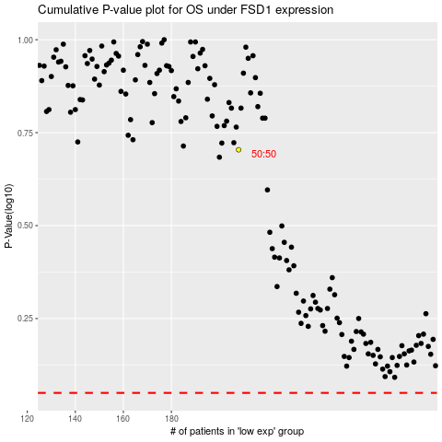

 |  |  |  |  |  | cases_OS | p_OS | rank | exp
 |  |  |  |  |  |  | cases_RFS | p_RFS | rank | exp

